2018 Weekly Calendar
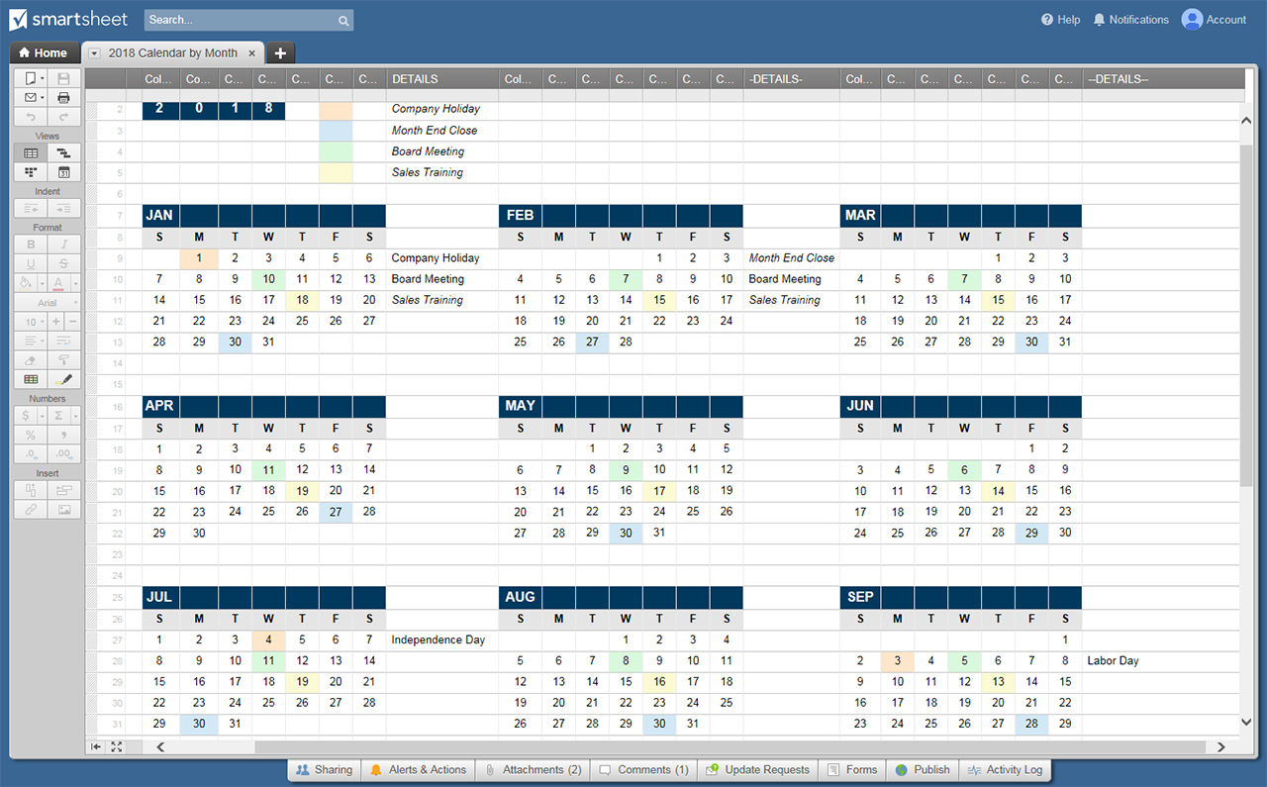
2018 WEEKLY CALENDAR
MO/YR | SUN | MON | TUES | WED | THURS | FRI | SAT
JANUARY 2018 |  | 1 | 2 | 3 | 4 | 5 | 6
 |  | New Year's Day
 | 7 | 8 | 9 | 10 | 11 | 12 | 13

 | 14 | 15 | 16 | 17 | 18 | 19 | 20
 |  | Martin Luther King Jr Day
 | 21 | 22 | 23 | 24 | 25 | 26 | 27

 | 28 | 29 | 30 | 31 | 1 | 2 | 3
 |  |  |  |  |  | Groundhog Day
FEBRUARY 2018 | 4 | 5 | 6 | 7 | 8 | 9 | 10

 | 11 | 12 | 13 | 14 | 15 | 16 | 17
 |  | Lincoln's Birthday |  | Valentine's Day Ash Wednesday
 | 18 | 19 | 20 | 21 | 22 | 23 | 24
 |  | Presidents' Day
 | 25 | 26 | 27 | 28 | 1 | 2 | 3

MARCH 2018 | 4 | 5 | 6 | 7 | 8 | 9 | 10

 | 11 | 12 | 13 | 14 | 15 | 16 | 17
 | Daylight Saving Time Begins |  |  |  |  |  | St Patrick's Day
 | 18 | 19 | 20 | 21 | 22 | 23 | 24
 |  |  | Vernal Equinox
 | 25 | 26 | 27 | 28 | 29 | 30 | 31
 |  |  |  |  |  | Good Friday | Passover
APRIL 2018 | 1 | 2 | 3 | 4 | 5 | 6 | 7
 | Easter Sunday April Fool's Day
 | 8 | 9 | 10 | 11 | 12 | 13 | 14

 | 15 | 16 | 17 | 18 | 19 | 20 | 21

 | 22 | 23 | 24 | 25 | 26 | 27 | 28
 | Earth Day |  |  | Administrative Assistant's Day
 | 29 | 30 | 1 | 2 | 3 | 4 | 5

MAY 2018 | 6 | 7 | 8 | 9 | 10 | 11 | 12

 | 13 | 14 | 15 | 16 | 17 | 18 | 19
 | Mother's Day
 | 20 | 21 | 22 | 23 | 24 | 25 | 26

 | 27 | 28 | 29 | 30 | 31 | 1 | 2
 |  | Memorial Day
JUNE 2018 | 3 | 4 | 5 | 6 | 7 | 8 | 9

 | 10 | 11 | 12 | 13 | 14 | 15 | 16
 |  |  |  |  | Flag Day
 | 17 | 18 | 19 | 20 | 21 | 22 | 23
 | Father's Day |  |  |  | Summer Solstice
 | 24 | 25 | 26 | 27 | 28 | 29 | 30

JULY 2018 | 1 | 2 | 3 | 4 | 5 | 6 | 7
 |  |  |  | Independence Day
 | 8 | 9 | 10 | 11 | 12 | 13 | 14

 | 15 | 16 | 17 | 18 | 19 | 20 | 21

 | 22 | 23 | 24 | 25 | 26 | 27 | 28

 | 29 | 30 | 31 | 1 | 2 | 3 | 4

AUGUST 2018 | 5 | 6 | 7 | 8 | 9 | 10 | 11

 | 12 | 13 | 14 | 15 | 16 | 17 | 18

 | 19 | 20 | 21 | 22 | 23 | 24 | 25

 | 26 | 27 | 28 | 29 | 30 | 31 | 1

SEPTEMBER 2018 | 2 | 3 | 4 | 5 | 6 | 7 | 8
 |  | Labor Day
 | 9 | 10 | 11 | 12 | 13 | 14 | 15

 | 16 | 17 | 18 | 19 | 20 | 21 | 22

 | 23 | 24 | 25 | 26 | 27 | 28 | 29

 | 30 | 1 | 2 | 3 | 4 | 5 | 6

OCTOBER 2018 | 7 | 8 | 9 | 10 | 11 | 12 | 13
 |  | Columbus Day
 | 14 | 15 | 16 | 17 | 18 | 19 | 20

 | 21 | 22 | 23 | 24 | 25 | 26 | 27

 | 28 | 29 | 30 | 31 | 1 | 2 | 3
 |  |  |  | Halloween
NOVEMBER 2018 | 4 | 5 | 6 | 7 | 8 | 9 | 10
 | Daylight Savings Time Ends
 | 11 | 12 | 13 | 14 | 15 | 16 | 17
 | Veterans' Day
 | 18 | 19 | 20 | 21 | 22 | 23 | 24
 |  |  |  |  | Thanksgiving Day
 | 25 | 26 | 27 | 28 | 29 | 30 | 1

DECEMBER 2018 | 2 | 3 | 4 | 5 | 6 | 7 | 8

 | 9 | 10 | 11 | 12 | 13 | 14 | 15

 | 16 | 17 | 18 | 19 | 20 | 21 | 22
 |  |  |  |  |  | Winter Solstice
 | 23 | 24 | 25 | 26 | 27 | 28 | 29
 |  | Christmas Eve | Christmas Day
JANUARY 2019 | 30 | 31 | 1 | 2 | 3 | 4 | 5
 |  | New Year's Eve | New Year's Day
 | 6 | 7 | 8 | 9 | 10 | 11 | 12

 | 13 | 14 | 15 | 16 | 17 | 18 | 19

 | 20 | 21 | 22 | 23 | 24 | 25 | 26
 |  | Martin Luther King Jr Day
 | 27 | 28 | 29 | 30 | 31

CLICK HERE TO CREATE CALENDAR TEMPLATES IN SMARTSHEET

