Monthly Income
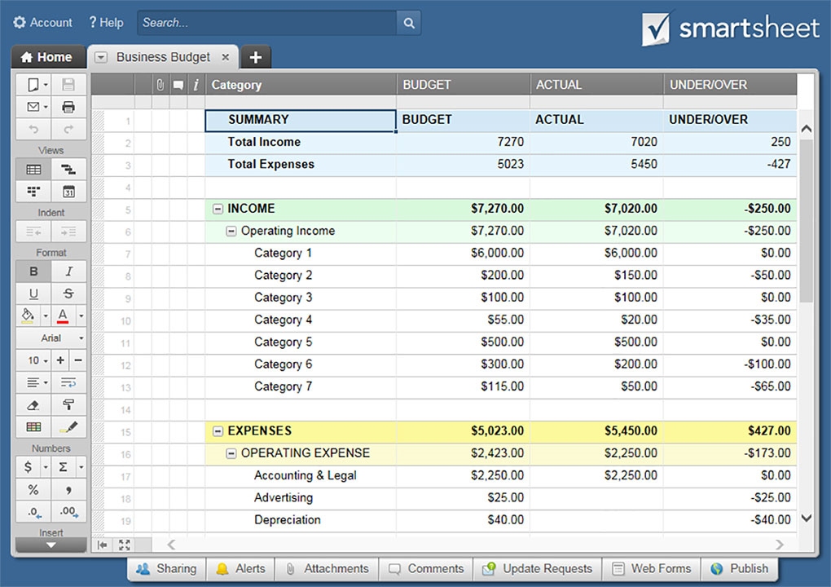
SMALL BUSINESS BUDGET TEMPLATE

MONTHLY INCOME | JAN | FEB | MAR | APR | MAY | JUN | JUL | AUG | SEPT | OCT | NOV | DEC | YR TOTAL
 |  |  |  |  |  |  |  |  |  |  |  |  | $-
 |  |  |  |  |  |  |  |  |  |  |  |  | $-
 |  |  |  |  |  |  |  |  |  |  |  |  | $-
 |  |  |  |  |  |  |  |  |  |  |  |  | $-
 |  |  |  |  |  |  |  |  |  |  |  |  | $-
 |  |  |  |  |  |  |  |  |  |  |  |  | $-
 |  |  |  |  |  |  |  |  |  |  |  |  | $-
 |  |  |  |  |  |  |  |  |  |  |  |  | $-
 |  |  |  |  |  |  |  |  |  |  |  |  | $-
 |  |  |  |  |  |  |  |  |  |  |  |  | $-
 |  |  |  |  |  |  |  |  |  |  |  |  | $-
 |  |  |  |  |  |  |  |  |  |  |  |  | $-
 |  |  |  |  |  |  |  |  |  |  |  |  | $-
 |  |  |  |  |  |  |  |  |  |  |  |  | $-
 |  |  |  |  |  |  |  |  |  |  |  |  | $-
 |  |  |  |  |  |  |  |  |  |  |  |  | $-
 |  |  |  |  |  |  |  |  |  |  |  |  | $-
 |  |  |  |  |  |  |  |  |  |  |  |  | $-
 |  |  |  |  |  |  |  |  |  |  |  |  | $-
 |  |  |  |  |  |  |  |  |  |  |  |  | $-
 |  |  |  |  |  |  |  |  |  |  |  |  | $-
 |  |  |  |  |  |  |  |  |  |  |  |  | $-
 |  |  |  |  |  |  |  |  |  |  |  |  | $-
 |  |  |  |  |  |  |  |  |  |  |  |  | $-
 |  |  |  |  |  |  |  |  |  |  |  |  | $-
 |  |  |  |  |  |  |  |  |  |  |  |  | $-
 |  |  |  |  |  |  |  |  |  |  |  |  | $-
 |  |  |  |  |  |  |  |  |  |  |  |  | $-
 |  |  |  |  |  |  |  |  |  |  |  |  | $-
TOTALS | $- | $- | $- | $- | $- | $- | $- | $- | $- | $- | $- | $- | $-

CLICK HERE TO CREATE SMALL BUSINESS BUDGET TEMPLATES IN SMARTSHEET

