The Basic Balanced Scorecard
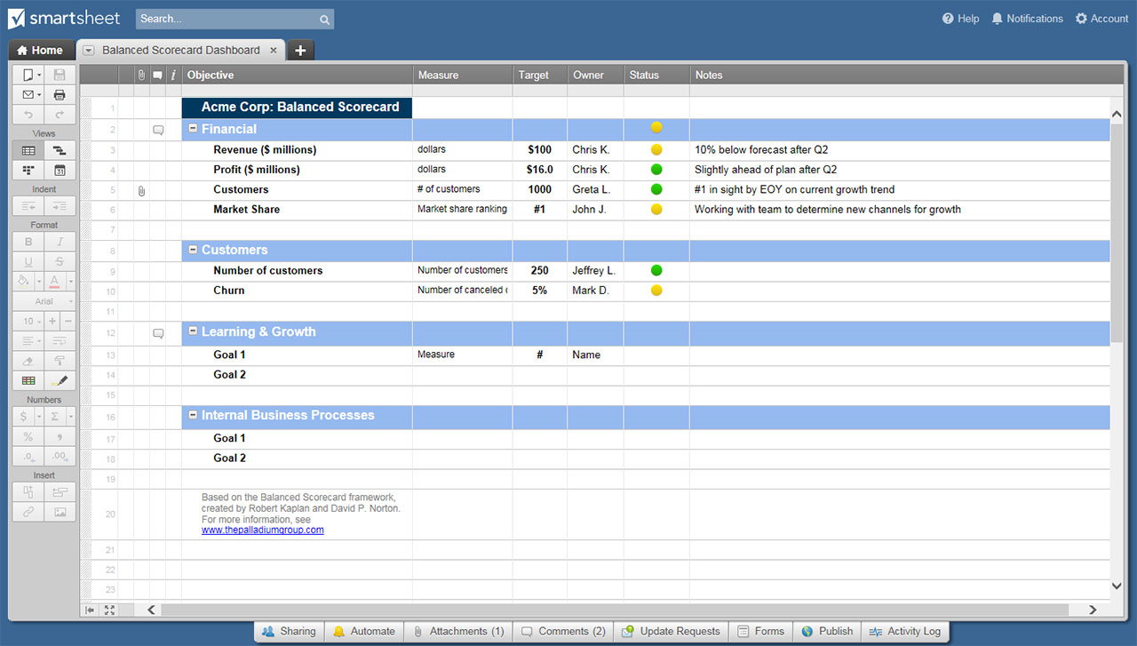
RESTAURANT BALANCED SCORECARD EXAMPLE
––– BOB'S PIZZA & PASTA –––
ADDRESS | 1234 Mozzarella Way SE |  | CITY | Seattle |  | STATE | WA | ZIP | 98106

 | STRATEGIC OBJECTIVES | KEY PERFORMANCE INDICATORS | TARGETS |  |  | INITIATIVES
 |  |  | CURRENT | INTERVAL | NEXT | PROGRAMS |  | BUDGETS
FINANCIAL | Increase company profitability | % Net profit margin | 7% | Q | 12% | N/A |  | N/A
 |  | $ Net cash flow | 22.101 | M | 24
 | Optimize revenue and expenses | $ Sales to date | 30.564 | Q | 35.05
 |  | $ Cost per call | 0.24 | M | 0.12
CUSTOMER | Maintain high levels of customer satisfaction | % Survey excellent score | 32% | Q | 50% | Begin customer rewards project Project to train employees on new customer rewards |  | $5,000.00 initiative 0.5 hour per employee
 |  | % Call abandon rate | 16% | M | 10%
 | Increase customer profitability | $ Revenue per client | 300 | M | 350
 |  | $ Average new customer acquisition cost | 12 | M | 5
 | Build and improve the customer network | # New customers | 315 | M | 350
 |  | % Market share | 6% | Q | 10%
INTERNAL PROCESSES | Increase call-handling expertise | Average call-handling time | 315 | M | 350 | Training for call handlers Review the service delivery process |  | 0.25 hour per call handler 5.0 hours manager
 |  | % Scheduling adherence | 6% | Q | 10%
 | Improve service delivery | % Processes optimized | 9 | M | 7
 |  | % Active projects running on time | 75% | M | 85%
 |  | and on budget | 50% | M | 55%
 |  |  | 50% | M | 50%
LEARNING | Build a culture that encourages innovation | # Employee engagement index | 27 | Q | 40 | Ask for and reward employee ideas that improve processes Write up employee innovations in the company newsletter Determine bonus structure for successive years of service Group to decide rewards for completed training programs |  | $25/idea, $500/success idea Groups: 5 hours manager 1 hour manager
 |  | # Ideas received for new/improved service from employees | 25 | M | 25
 | Nurture high-performing employees | % Employee satisfaction | 75% | Q | 85%
 |  | % Employee turnover | 9% | M | 5% |  |  |  |  | `
 | Continuously improve skills and competence | # Training hours per full-time equivalent | 15 | M | 18
 |  | % Employees meeting professional development requirements | 72% | Q | 85%

 | CLICK HERE TO CREATE YOUR RESTAURANT BALANCED SCORECARD TEMPLATES IN SMARTSHEET

