IT Risk Assessment Matrix
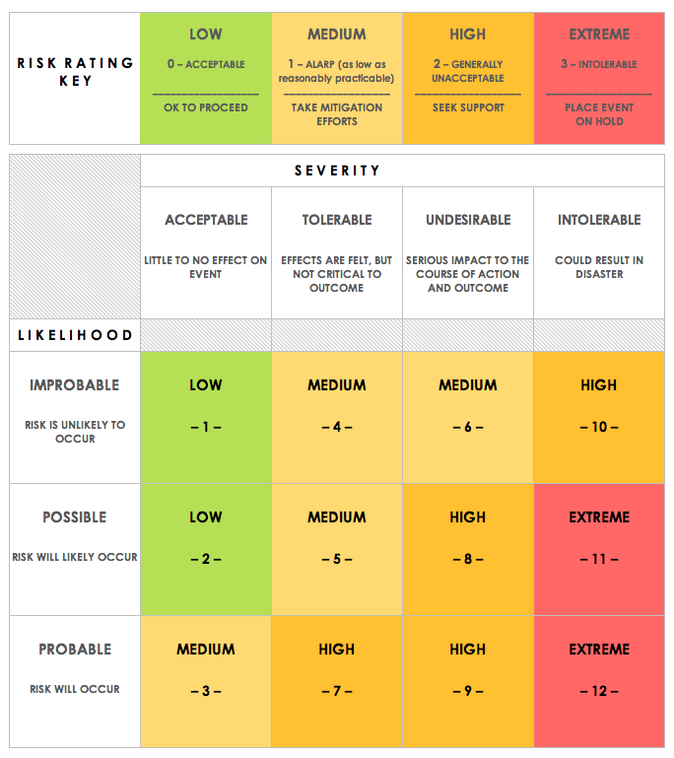
IT RISK ASSESSMENT MATRIX TEMPLATE
REF/ID | RISK TYPE | ASSET | RISK DESCRIPTION | RISK SEVERITY | RISK LIKELIHOOD | INTERNAL IMPACT | USER IMPACT | TRIGGER | MITIGATIONS / WARNINGS / REMEDIES | ASSET | RISK SEVERITY KEY | RISK LIKELIHOOD KEY | RISK LEVEL KEY
 |  | EXTERNAL |  | ACCEPTABLE | IMPROBABLE | LOW | MEDIUM |  |  | EXTERNAL | ACCEPTABLE | IMPROBABLE | LOW
 |  | INSIDER |  | TOLERABLE | POSSIBLE | MEDIUM | HIGH |  |  | INSIDER | TOLERABLE | POSSIBLE | MEDIUM
 |  | TRUSTED INSIDER |  | UNDESIRABLE | PROBABLE | HIGH | EXTREME |  |  | TRUSTED INSIDER | UNDESIRABLE | PROBABLE | HIGH
 |  |  |  | INTOLERABLE | PROBABLE | EXTREME | LOW |  |  |  | INTOLERABLE |  | EXTREME

CLICK HERE TO CREATE IN SMARTSHEET

