2017 Calendar of Events
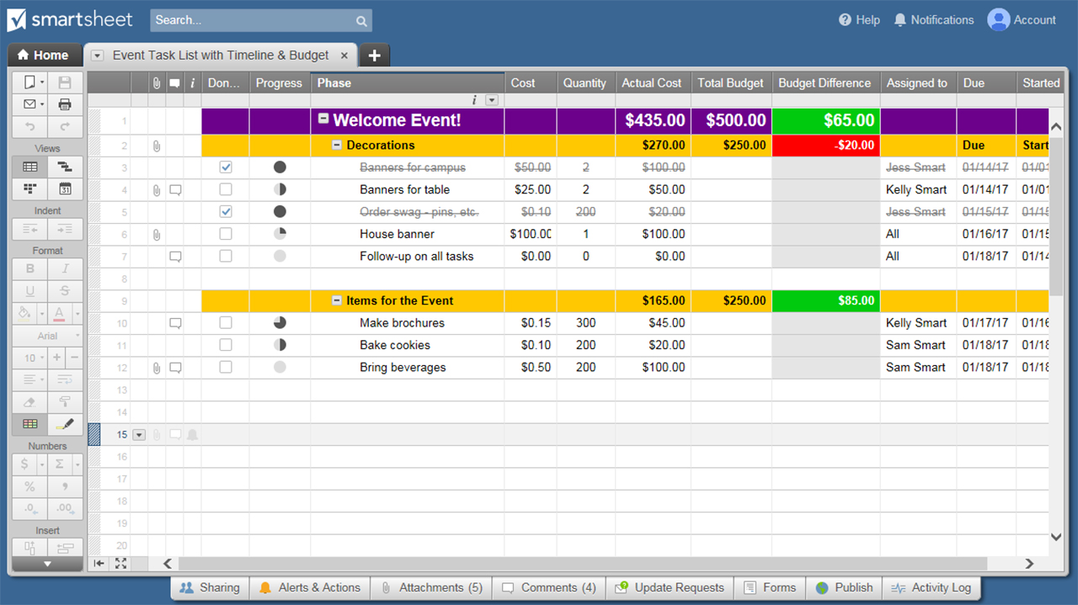
2017 CALENDAR OF EVENTS
MO/YR | SUN | MON | TUES | WED | THURS | FRI | SAT | DATE | EVENT TITLE
JANUARY 2017 | 1 | 2 | 3 | 4 | 5 | 6 | 7
 | New Year's Day
 | 8 | 9 | 10 | 11 | 12 | 13 | 14

 | 15 | 16 | 17 | 18 | 19 | 20 | 21
 |  | Martin Luther King Jr Day
 | 22 | 23 | 24 | 25 | 26 | 27 | 28

 | 29 | 30 | 31 | 1 | 2 | 3 | 4
 |  |  |  |  | Groundhog Day
FEBRUARY 2017 | 5 | 6 | 7 | 8 | 9 | 10 | 11

 | 12 | 13 | 14 | 15 | 16 | 17 | 18
 |  |  | Valentine's Day
 | 19 | 20 | 21 | 22 | 23 | 24 | 25
 |  | Presidents' Day
 | 26 | 27 | 28 | 1 | 2 | 3 | 4

MARCH 2017 | 5 | 6 | 7 | 8 | 9 | 10 | 11

 | 12 | 13 | 14 | 15 | 16 | 17 | 18
 | Daylight Saving Time Begins |  |  |  |  | St Patrick's Day
 | 19 | 20 | 21 | 22 | 23 | 24 | 25

 | 26 | 27 | 28 | 29 | 30 | 31 | 1

APRIL 2017 | 2 | 3 | 4 | 5 | 6 | 7 | 8

 | 9 | 10 | 11 | 12 | 13 | 14 | 15
 |  |  |  |  |  | Good Friday
 | 16 | 17 | 18 | 19 | 20 | 21 | 22
 | Easter Sunday
 | 23 | 24 | 25 | 26 | 27 | 28 | 29

MAY 2017 | 30 | 1 | 2 | 3 | 4 | 5 | 6

 | 7 | 8 | 9 | 10 | 11 | 12 | 13

 | 14 | 15 | 16 | 17 | 18 | 19 | 20
 | Mother's Day
 | 21 | 22 | 23 | 24 | 25 | 26 | 27

 | 28 | 29 | 30 | 31 | 1 | 2 | 3
 |  | Memorial Day
JUNE 2017 | 4 | 5 | 6 | 7 | 8 | 9 | 10

 | 11 | 12 | 13 | 14 | 15 | 16 | 17

 | 18 | 19 | 20 | 21 | 22 | 23 | 24
 | Father's Day
 | 25 | 26 | 27 | 28 | 29 | 30 | 1

JULY 2017 | 2 | 3 | 4 | 5 | 6 | 7 | 8
 |  |  | Independence Day
 | 9 | 10 | 11 | 12 | 13 | 14 | 15

 | 16 | 17 | 18 | 19 | 20 | 21 | 22

 | 23 | 24 | 25 | 26 | 27 | 28 | 29

 | 30 | 31 | 1 | 2 | 3 | 4 | 5

AUGUST 2017 | 6 | 7 | 8 | 9 | 10 | 11 | 12

 | 13 | 14 | 15 | 16 | 17 | 18 | 19

 | 20 | 21 | 22 | 23 | 24 | 25 | 26

 | 27 | 28 | 29 | 30 | 31 | 1 | 2

SEPTEMBER 2017 | 3 | 4 | 5 | 6 | 7 | 8 | 9
 |  | Labor Day
 | 10 | 11 | 12 | 13 | 14 | 15 | 16

 | 17 | 18 | 19 | 20 | 21 | 22 | 23

 | 24 | 25 | 26 | 27 | 28 | 29 | 30

OCTOBER 2017 | 1 | 2 | 3 | 4 | 5 | 6 | 7

 | 8 | 9 | 10 | 11 | 12 | 13 | 14
 |  | Columbus Day
 | 15 | 16 | 17 | 18 | 19 | 20 | 21

 | 22 | 23 | 24 | 25 | 26 | 27 | 28

 | 29 | 30 | 31 | 1 | 2 | 3 | 4
 |  |  | Halloween
NOVEMBER 2017 | 5 | 6 | 7 | 8 | 9 | 10 | 11
 | Daylight Saving Time Ends |  |  |  |  |  | Veterans' Day
 | 12 | 13 | 14 | 15 | 16 | 17 | 18

 | 19 | 20 | 21 | 22 | 23 | 24 | 25
 |  |  |  |  | Thanksgiving Day
 | 26 | 27 | 28 | 29 | 30 | 1 | 2

DECEMBER 2017 | 3 | 4 | 5 | 6 | 7 | 8 | 9

 | 10 | 11 | 12 | 13 | 14 | 15 | 16

 | 17 | 18 | 19 | 20 | 21 | 22 | 23

 | 24 | 25 | 26 | 27 | 28 | 29 | 30
 | Christmas Eve | Christmas Day
JANUARY 2018 | 31 | 1 | 2 | 3 | 4 | 5 | 6
 | New Year's Eve | New Year's Day
 | 7 | 8 | 9 | 10 | 11 | 12 | 13

 | 14 | 15 | 16 | 17 | 18 | 19 | 20
 |  | Martin Luther King Day
 | 21 | 22 | 23 | 24 | 25 | 26 | 27

 | 28 | 29 | 30 | 31

CLICK HERE TO CREATE CALENDAR TEMPLATES IN SMARTSHEET

