Business Risk Assessment Matrix
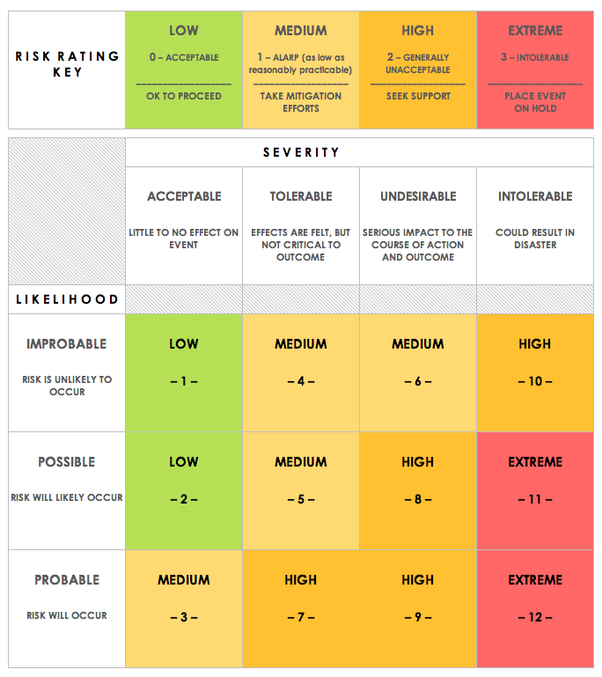
BUSINESS RISK ASSESSMENT MATRIX TEMPLATE
REF/ID | RISK | POTENTIAL AREAS OF IMPACT, i.e., Assets, Departments, Business Entities | FINANCIAL IMPACT | RISK SEVERITY | RISK LIKELIHOOD | RISK LEVEL | MITIGATIONS / WARNINGS / REMEDIES | PARTY RESPONSIBLE | RISK SEVERITY KEY | RISK LIKELIHOOD KEY | RISK LEVEL KEY
 |  |  | $- | ACCEPTABLE | IMPROBABLE | LOW |  |  | ACCEPTABLE | IMPROBABLE | LOW
 |  |  | $- | TOLERABLE | POSSIBLE | MEDIUM |  |  | TOLERABLE | POSSIBLE | MEDIUM
 |  |  | $- | UNDESIRABLE | PROBABLE | HIGH |  |  | UNDESIRABLE | PROBABLE | HIGH
 |  |  | $- | INTOLERABLE | PROBABLE | EXTREME |  |  | INTOLERABLE |  | EXTREME
 |  |  | $-
 |  |  | $-
 |  |  | $-
 |  |  | $-
 |  |  | $-
 |  |  | $-
 |  |  | $-
 |  |  | $-
 |  |  | $-
 |  |  | $-
 |  |  | $-
 |  |  | $-
 |  |  | $-
 |  |  | $-
 |  |  | $-
 |  |  | $-
 |  |  | $-
 |  |  | $-
 |  |  | $-
 |  |  | $-
 |  |  | $-

CLICK HERE TO CREATE IN SMARTSHEET

