The Basic Balanced Scorecard
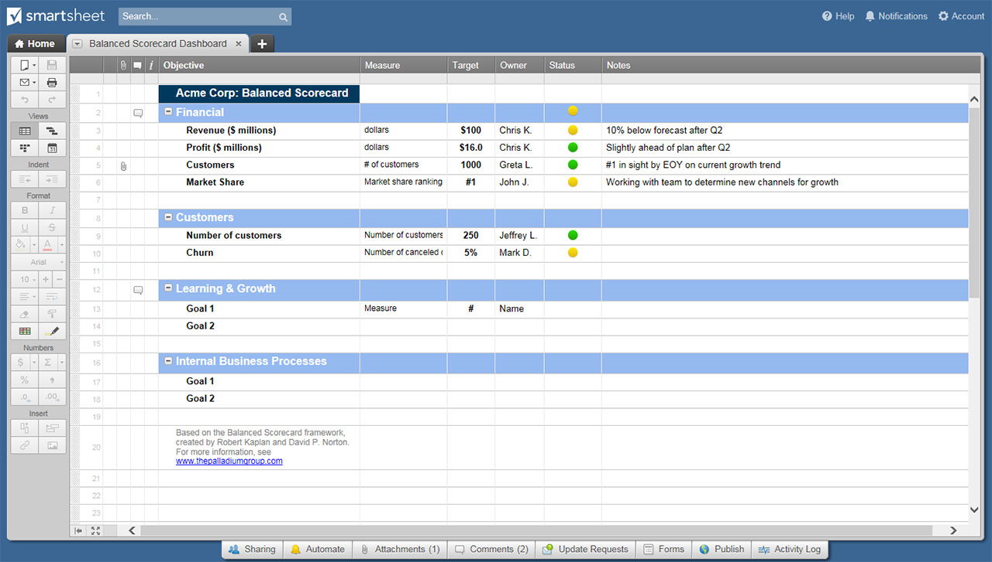
BALANCED SCORECARD FOR HEALTHCARE EXAMPLE
––– MERCY HOSPITAL –––
MISSION | Our hospital brings health and healing to the community. |  |  | VISION | Our hospital will be the best place to work and get health care.

 |  | STRATEGIC OBJECTIVES | KEY PERFORMANCE INDICATORS |  | TARGETS | INITIATIVES
FINANCIAL | To sustain our mission financially, what should our focus be? | Demonstrate accountability and efficiency | % Alternative level of care patients |  | <15%
 |  |  | % Nursing purchased service worked hours |  | 80%
 |  |  | Absenteeism rate |  | <7%
STAKEHOLDERS | How should we appear to our stakeholders? | Overall patient satisfaction | Overall rating of care |  | 75% good or better rating | Management staff leadership initiative Develop charter for community group
 |  | Patient perception of quality index | % Family physicians that receive discharge summaries |  | 90%
 |  |  | Employee and physician engagement |  | As per survey, >50%
 |  |  | Community consultation measures |  | Meet 8 of 10
INTERNAL PROCESSES | At which internal processes should we excel to better serve our patients? | Processes are patient centered, focused on quality and patient safety | % Medication reconciliation on admission |  | 95% | Revamp infection-reporting process Converge report form review group
 |  |  | Rate of inpatient falls |  | <5%
 |  |  | Surgical safety compliance checklist |  | 98% completed
 |  |  | % Compliance with hand hygiene policy |  | 95% compliant
 |  |  | # Publicly reported infection measures |  | 5 per month
LEARNING | How should we better develop our systems to serve our patients? | Enhance and maintain a healthy work environment | Vacancy rate |  | 3% | Hire new HR lead
 |  | % Performance development plans completed | % Performance development plans completed |  | 80% by end of quarter
 |  | # Grievances received and resolved prior to arbitration | # Grievances received and resolved prior to arbitration |  | 2017-04-05
 |  | Leader learning development | Leader learning development |  | 100% completion rate

CLICK HERE TO CREATE YOUR BALANCED SCORECARD FOR HEALTHCARE TEMPLATES IN SMARTSHEET

