BLANK 12 Month Business Budget
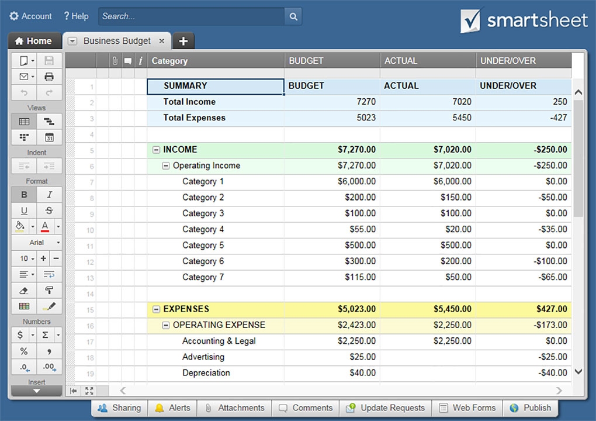
12-MONTH BUSINESS BUDGET

PROFIT & LOSS CATEGORY | JAN | FEB | MAR | Q1 TOTAL | APR | MAY | JUN | Q2 TOTAL | JUL | AUG | SEPT | Q3 TOTAL | OCT | NOV | DEC | Q4 TOTAL | YR TOTAL
REVENUE
BUDGET |  |  |  | $- |  |  |  | $- |  |  |  | $- |  |  |  | $- | $-
ACTUAL |  |  |  | $- |  |  |  | $- |  |  |  | $- |  |  |  | $- | $-
VARIANCE | $- | $- | $- | $- | $- | $- | $- | $- | $- | $- | $- | $- | $- | $- | $- | $- | $-
PREVIOUS YEAR ACTUAL |  |  |  | $- |  |  |  | $- |  |  |  | $- |  |  |  | $- | $-
PREVIOUS YEAR VARIANCE | $- | $- | $- | $- | $- | $- | $- | $- | $- | $- | $- | $- | $- | $- | $- | $- | $-
COGS Cost of Goods Sold
BUDGET |  |  |  | $- |  |  |  | $- |  |  |  | $- |  |  |  | $- | $-
ACTUAL |  |  |  | $- |  |  |  | $- |  |  |  | $- |  |  |  | $- | $-
VARIANCE | $- | $- | $- | $- | $- | $- | $- | $- | $- | $- | $- | $- | $- | $- | $- | $- | $-
PREVIOUS YEAR ACTUAL |  |  |  | $- |  |  |  | $- |  |  |  | $- |  |  |  | $- | $-
PREVIOUS YEAR VARIANCE | $- | $- | $- | $- | $- | $- | $- | $- | $- | $- | $- | $- | $- | $- | $- | $- | $-
SALES/MARKETING COSTS
BUDGET |  |  |  | $- |  |  |  | $- |  |  |  | $- |  |  |  | $- | $-
ACTUAL |  |  |  | $- |  |  |  | $- |  |  |  | $- |  |  |  | $- | $-
VARIANCE | $- | $- | $- | $- | $- | $- | $- | $- | $- | $- | $- | $- | $- | $- | $- | $- | $-
PREVIOUS YEAR ACTUAL |  |  |  | $- |  |  |  | $- |  |  |  | $- |  |  |  | $- | $-
PREVIOUS YEAR VARIANCE | $- | $- | $- | $- | $- | $- | $- | $- | $- | $- | $- | $- | $- | $- | $- | $- | $-
LABOR COSTS
BUDGET |  |  |  | $- |  |  |  | $- |  |  |  | $- |  |  |  | $- | $-
ACTUAL |  |  |  | $- |  |  |  | $- |  |  |  | $- |  |  |  | $- | $-
VARIANCE | $- | $- | $- | $- | $- | $- | $- | $- | $- | $- | $- | $- | $- | $- | $- | $- | $-
PREVIOUS YEAR ACTUAL |  |  |  | $- |  |  |  | $- |  |  |  | $- |  |  |  | $- | $-
PREVIOUS YEAR VARIANCE | $- | $- | $- | $- | $- | $- | $- | $- | $- | $- | $- | $- | $- | $- | $- | $- | $-
ADMIN/GENERAL
BUDGET |  |  |  | $- |  |  |  | $- |  |  |  | $- |  |  |  | $- | $-
ACTUAL |  |  |  | $- |  |  |  | $- |  |  |  | $- |  |  |  | $- | $-
VARIANCE | $- | $- | $- | $- | $- | $- | $- | $- | $- | $- | $- | $- | $- | $- | $- | $- | $-
PREVIOUS YEAR ACTUAL |  |  |  | $- |  |  |  | $- |  |  |  | $- |  |  |  | $- | $-
PREVIOUS YEAR VARIANCE | $- | $- | $- | $- | $- | $- | $- | $- | $- | $- | $- | $- | $- | $- | $- | $- | $-
EBIT Earnings Before Interest & Taxes
BUDGET |  |  |  | $- |  |  |  | $- |  |  |  | $- |  |  |  | $- | $-
ACTUAL |  |  |  | $- |  |  |  | $- |  |  |  | $- |  |  |  | $- | $-
VARIANCE | $- | $- | $- | $- | $- | $- | $- | $- | $- | $- | $- | $- | $- | $- | $- | $- | $-
PREVIOUS YEAR ACTUAL |  |  |  | $- |  |  |  | $- |  |  |  | $- |  |  |  | $- | $-
PREVIOUS YEAR VARIANCE | $- | $- | $- | $- | $- | $- | $- | $- | $- | $- | $- | $- | $- | $- | $- | $- | $-
OTHER
BUDGET |  |  |  | $- |  |  |  | $- |  |  |  | $- |  |  |  | $- | $-
ACTUAL |  |  |  | $- |  |  |  | $- |  |  |  | $- |  |  |  | $- | $-
VARIANCE | $- | $- | $- | $- | $- | $- | $- | $- | $- | $- | $- | $- | $- | $- | $- | $- | $-
PREVIOUS YEAR ACTUAL |  |  |  | $- |  |  |  | $- |  |  |  | $- |  |  |  | $- | $-
PREVIOUS YEAR VARIANCE | $- | $- | $- | $- | $- | $- | $- | $- | $- | $- | $- | $- | $- | $- | $- | $- | $-

BALANCE SHEET CATEGORY | JAN | FEB | MAR | Q1 TOTAL | APR | MAY | JUN | Q2 TOTAL | JUL | AUG | SEPT | Q3 TOTAL | OCT | NOV | DEC | Q4 TOTAL | YR TOTAL
CASH
BUDGET |  |  |  | $- |  |  |  | $- |  |  |  | $- |  |  |  | $- | $-
ACTUAL |  |  |  | $- |  |  |  | $- |  |  |  | $- |  |  |  | $- | $-
VARIANCE | $- | $- | $- | $- | $- | $- | $- | $- | $- | $- | $- | $- | $- | $- | $- | $- | $-
PREVIOUS YEAR ACTUAL |  |  |  | $- |  |  |  | $- |  |  |  | $- |  |  |  | $- | $-
PREVIOUS YEAR VARIANCE | $- | $- | $- | $- | $- | $- | $- | $- | $- | $- | $- | $- | $- | $- | $- | $- | $-
INVENTORY
BUDGET |  |  |  | $- |  |  |  | $- |  |  |  | $- |  |  |  | $- | $-
ACTUAL |  |  |  | $- |  |  |  | $- |  |  |  | $- |  |  |  | $- | $-
VARIANCE | $- | $- | $- | $- | $- | $- | $- | $- | $- | $- | $- | $- | $- | $- | $- | $- | $-
PREVIOUS YEAR ACTUAL |  |  |  | $- |  |  |  | $- |  |  |  | $- |  |  |  | $- | $-
PREVIOUS YEAR VARIANCE | $- | $- | $- | $- | $- | $- | $- | $- | $- | $- | $- | $- | $- | $- | $- | $- | $-
ACCOUNTS RECEIVABLE
BUDGET |  |  |  | $- |  |  |  | $- |  |  |  | $- |  |  |  | $- | $-
ACTUAL |  |  |  | $- |  |  |  | $- |  |  |  | $- |  |  |  | $- | $-
VARIANCE | $- | $- | $- | $- | $- | $- | $- | $- | $- | $- | $- | $- | $- | $- | $- | $- | $-
PREVIOUS YEAR ACTUAL |  |  |  | $- |  |  |  | $- |  |  |  | $- |  |  |  | $- | $-
PREVIOUS YEAR VARIANCE | $- | $- | $- | $- | $- | $- | $- | $- | $- | $- | $- | $- | $- | $- | $- | $- | $-
NET FIXED ASSETS
BUDGET |  |  |  | $- |  |  |  | $- |  |  |  | $- |  |  |  | $- | $-
ACTUAL |  |  |  | $- |  |  |  | $- |  |  |  | $- |  |  |  | $- | $-
VARIANCE | $- | $- | $- | $- | $- | $- | $- | $- | $- | $- | $- | $- | $- | $- | $- | $- | $-
PREVIOUS YEAR ACTUAL |  |  |  | $- |  |  |  | $- |  |  |  | $- |  |  |  | $- | $-
PREVIOUS YEAR VARIANCE | $- | $- | $- | $- | $- | $- | $- | $- | $- | $- | $- | $- | $- | $- | $- | $- | $-
ACCOUNTS PAYABLE
BUDGET |  |  |  | $- |  |  |  | $- |  |  |  | $- |  |  |  | $- | $-
ACTUAL |  |  |  | $- |  |  |  | $- |  |  |  | $- |  |  |  | $- | $-
VARIANCE | $- | $- | $- | $- | $- | $- | $- | $- | $- | $- | $- | $- | $- | $- | $- | $- | $-
PREVIOUS YEAR ACTUAL |  |  |  | $- |  |  |  | $- |  |  |  | $- |  |  |  | $- | $-
PREVIOUS YEAR VARIANCE | $- | $- | $- | $- | $- | $- | $- | $- | $- | $- | $- | $- | $- | $- | $- | $- | $-
LONG-TERM DEBT
BUDGET |  |  |  | $- |  |  |  | $- |  |  |  | $- |  |  |  | $- | $-
ACTUAL |  |  |  | $- |  |  |  | $- |  |  |  | $- |  |  |  | $- | $-
VARIANCE | $- | $- | $- | $- | $- | $- | $- | $- | $- | $- | $- | $- | $- | $- | $- | $- | $-
PREVIOUS YEAR ACTUAL |  |  |  | $- |  |  |  | $- |  |  |  | $- |  |  |  | $- | $-
PREVIOUS YEAR VARIANCE | $- | $- | $- | $- | $- | $- | $- | $- | $- | $- | $- | $- | $- | $- | $- | $- | $-
OTHER
BUDGET |  |  |  | $- |  |  |  | $- |  |  |  | $- |  |  |  | $- | $-
ACTUAL |  |  |  | $- |  |  |  | $- |  |  |  | $- |  |  |  | $- | $-
VARIANCE | $- | $- | $- | $- | $- | $- | $- | $- | $- | $- | $- | $- | $- | $- | $- | $- | $-
PREVIOUS YEAR ACTUAL |  |  |  | $- |  |  |  | $- |  |  |  | $- |  |  |  | $- | $-
PREVIOUS YEAR VARIANCE | $- | $- | $- | $- | $- | $- | $- | $- | $- | $- | $- | $- | $- | $- | $- | $- | $-

CLICK HERE TO CREATE 12-MONTH BUSINESS BUDGET TEMPLATES IN SMARTSHEET

