Inventory - Home
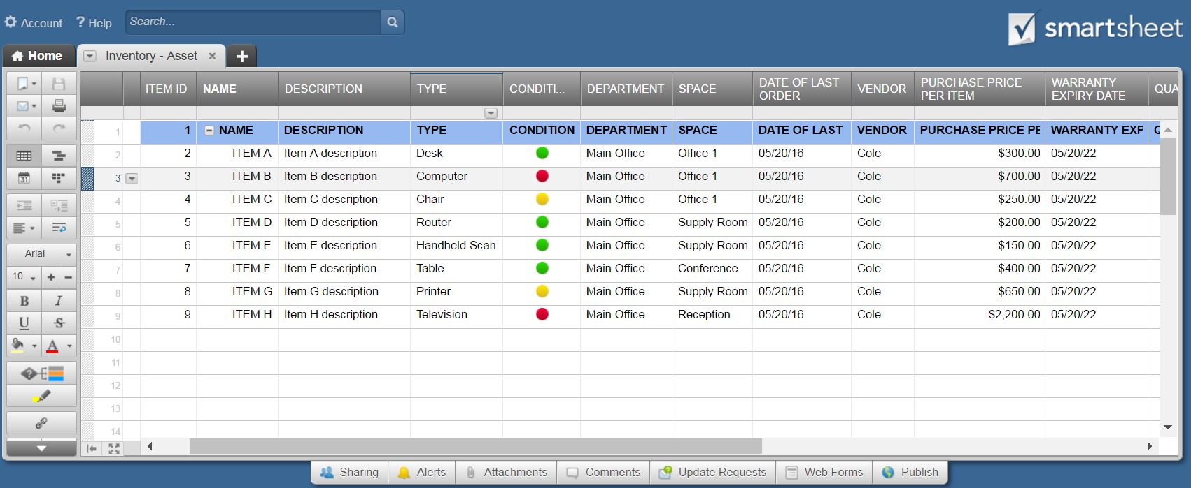
INVENTORY - HOME
 |  | OWNER INFO |  |  |  |  |  | INSURANCE INFO
 |  | NAME | John Smith |  |  |  |  | PROVIDER | AllSTAR
 |  | ADDRESS | 123 Main Street |  |  |  |  | AGENT | John Smith
 |  | CITY, ST ZIP | Hamilton, OH 44416 |  |  |  |  | PHONE | 321-456-7890
 |  | PHONE - LAND | 321-456-7890 |  |  |  |  | POLICY NO. | RTV58774
 |  | PHONE - CEL | 321-456-7891 |  |  |  |  | EST. INV. VALUE | $5,277.00 | *Total of VALUE fields, below.

AREA | ITEM DESCRIPTION | SOURCE | COST | WARRANTY |  | PURCHASE | MANUFACTURER | STYLE | SERIAL NO. | VALUE | CONDITION | REMARKS | PHOTOGRAPH /
 |  |  |  | YES | VALID THRU | DATE |  |  |  |  |  |  | LINK
Attic | Air Filter | Sears | $200.00 | x | 2020-06-30 | 2016-05-18 | Kenmore | 83394 HEPA | X23MJ469783 | $300.00 | New | Warranty filed online
Attic
Attic
Attic
Basement | Dehumidifier | Construction Jct | $189.99 | x | 2019-06-30 | 2014-05-18 | Frigidaire | Energy Star 30 Pint | DR4201999 | $200.00 | New
Basement | Washing Machine | Sears | $969.99 | x | 2017-12-31 | 2005-05-20 | Whirlpool | 4.5 cu ft Duet | WFW95HEDW | $1,300.00 | New | Warranty filed online
Basement
Basement
Bath 1 | Faucet | Warehouse Sales | $70.94 |  |  |  | Moen | Caldwell |  | $290.00
Bath 1
Bath 1
Bath 2
Bath 2
Bath 2
Bedroom - Master | Mattress | Sears | $1,274.99 | x | 2019-08-20 | 2014-04-20 | Sealy Posturepedic | Hybrid Copper Firm | C2QR13333 | $3,187.00
Bedroom - Master
Bedroom - Master
Bedroom - Master
Bedroom - Master
Bedroom - Master
Bedroom - Master
Bedroom 2 | Computer | Apple Store | $759.00 | x | 2018-05-05 | 2015-04-04 | Apple | MacBook Air |  |  | Refurbished
Bedroom 2
Bedroom 2
Bedroom 2
Bedroom 2
Bedroom 2
Bedroom 2
Bedroom 3 | Home Gym | Warehouse Sales | $754.99 |  |  | 2015-05-20 | Bowflex | PR3000 | RX223RMM3
Bedroom 3

 | Create a Home Inventory Template with Smartsheet

