Startup Expenses
[Company Name] |  |  |  | Start-up Expense Analysis |  |  |  | Or, Click Here to Create Your Financial Projections in Smartsheet

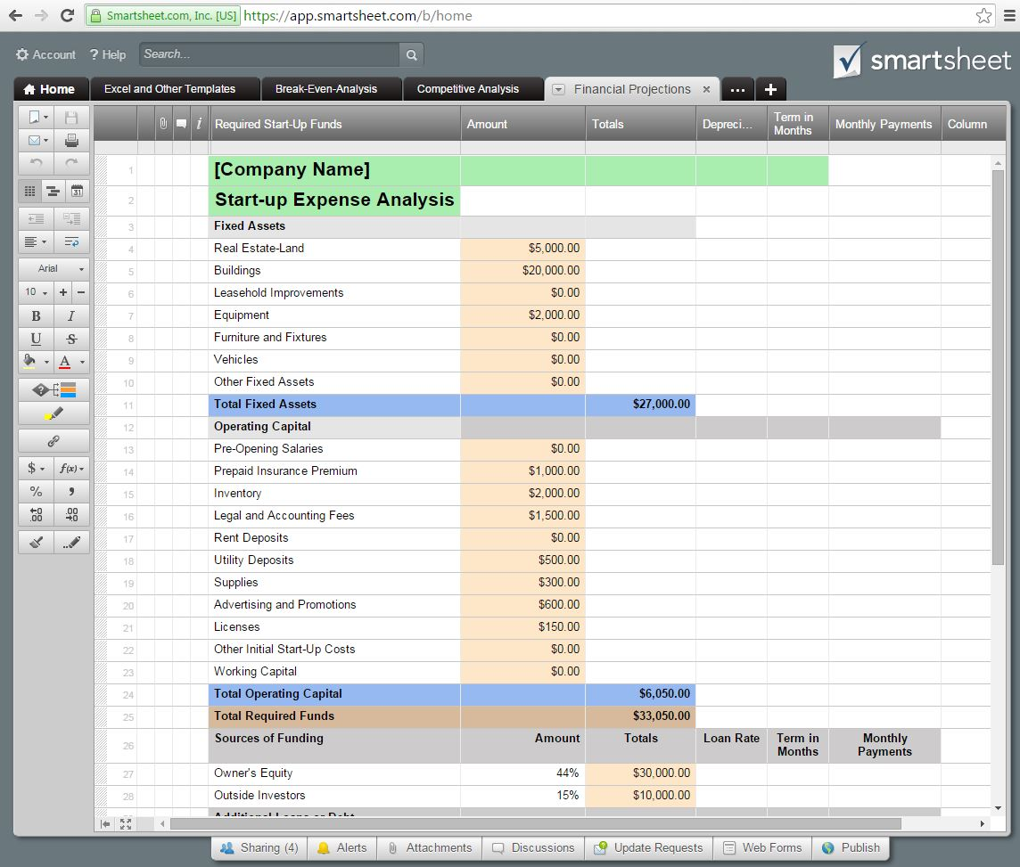
Required Start-Up Funds |  |  | Amount | Totals | Depreciation
 | Fixed Assets |  |  |  | (in years)
 |  | Real Estate-Land | $5,000.00
 |  | Buildings | $20,000.00 |  | 10
 |  | Leasehold Improvements | $-
 |  | Equipment | $2,000.00 |  | 5
 |  | Furniture and Fixtures | $-
 |  | Vehicles | $-
 |  | Other Fixed Assets | $-
 | Total Fixed Assets |  |  | $27,000.00

 | Operating Capital
 |  | Pre-Opening Salaries | $-
 |  | Prepaid Insurance Premium | $1,000.00
 |  | Inventory | $2,000.00
 |  | Legal and Accounting Fees | $1,500.00
 |  | Rent Deposits | $-
 |  | Utility Deposits | $500.00
 |  | Supplies | $300.00
 |  | Advertising and Promotions | $600.00
 |  | Licenses | $150.00
 |  | Other Initial Start-Up Costs | $-
 |  | Working Capital | $-
 | Total Operating Capital |  |  | $6,050.00

Total Required Funds |  |  |  | $33,050.00

Sources of Funding |  |  | Amount | Totals | Loan Rate | Term in Months | Monthly Payments
 | Owner's Equity |  | 44% | $30,000.00
 | Outside Investors |  | 15% | $10,000.00
 | Additional Loans or Debt
 |  | Commercial Loan | 0% | $- | 0% |  | $-
 |  | Commercial Mortgage | 37% | $25,000.00 | 6% | 120 | $277.55
 |  | Credit Card Debt | 4% | $3,050.00 | 9% | 60 | $63.31
 |  | Vehicle Loans | 0% | $- | 0% |  | $-
 |  | Other Bank Debt | 0% | $- | 0% |  | $-
Total Sources of Funding |  |  |  | $68,050.00 |  |  | $340.86

