Inventory - Basic Control
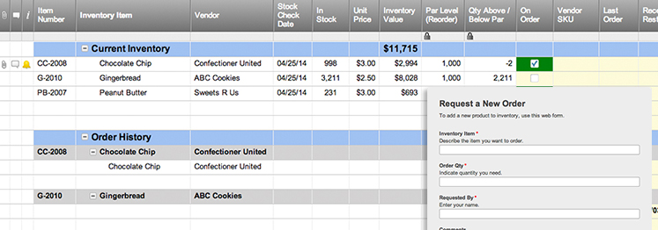
INVENTORY - BASIC CONTROL |  |  |  |  |  |  |  |  |  | GRID KEY
 |  |  |  |  |  |  |  |  |  | DISCONTINUED | REORDER

REORDER (auto-fill) | ITEM NO. | NAME | MANUFACTURER | DESCRIPTION | COST PER ITEM | STOCK QUANTITY | iNVENTORY VALUE | REORDER LEVEL | DAYS PER REORDER | iTEM REORDER QUANTITY | ITEM DISCONTINUED?
OK | A123 | ITEM A | Cole | Item A description | $10.00 | 200 | $2,000.00 | 50 | 14 | 100 | Yes
OK | B123 | ITEM B | Cole | Item B description | $20.00 | 100 | $2,000.00 | 50 | 30 | 20
OK | C123 | ITEM C | Cole | Item C description | $30.00 | 50 | $1,500.00 | 50 | 2 | 50
REORDER | D123 | ITEM D | Cole | Item D description | $10.00 | 20 | $200.00 | 50 | 14 | 10
OK | E123 | ITEM E | Cole | Item E description | $20.00 | 200 | $4,000.00 | 50 | 30 | 100
OK | F123 | ITEM F | Cole | Item F description | $30.00 | 100 | $3,000.00 | 50 | 2 | 20
OK | G123 | ITEM G | Cole | Item G description | $10.00 | 50 | $500.00 | 50 | 14 | 50 | Yes
REORDER | H123 | ITEM H | Cole | Item H description | $20.00 | 20 | $400.00 | 50 | 30 | 10
OK |  |  |  |  |  |  | $0.00
OK |  |  |  |  |  |  | $0.00
OK |  |  |  |  |  |  | $0.00
OK |  |  |  |  |  |  | $0.00
OK |  |  |  |  |  |  | $0.00
OK |  |  |  |  |  |  | $0.00
OK |  |  |  |  |  |  | $0.00
OK |  |  |  |  |  |  | $0.00
OK |  |  |  |  |  |  | $0.00
OK |  |  |  |  |  |  | $0.00
OK |  |  |  |  |  |  | $0.00
OK |  |  |  |  |  |  | $0.00
OK |  |  |  |  |  |  | $0.00
OK |  |  |  |  |  |  | $0.00
OK |  |  |  |  |  |  | $0.00
OK |  |  |  |  |  |  | $0.00
OK |  |  |  |  |  |  | $0.00
OK |  |  |  |  |  |  | $0.00
OK |  |  |  |  |  |  | $0.00
OK |  |  |  |  |  |  | $0.00
OK |  |  |  |  |  |  | $0.00
OK |  |  |  |  |  |  | $0.00
OK |  |  |  |  |  |  | $0.00
OK |  |  |  |  |  |  | $0.00
OK |  |  |  |  |  |  | $0.00
OK |  |  |  |  |  |  | $0.00
OK |  |  |  |  |  |  | $0.00

Create a Basic Inventory Control Template with Smartsheet

