Risk Assessment & Control
Risk Control Matrix
Process Area |  |  | Objective

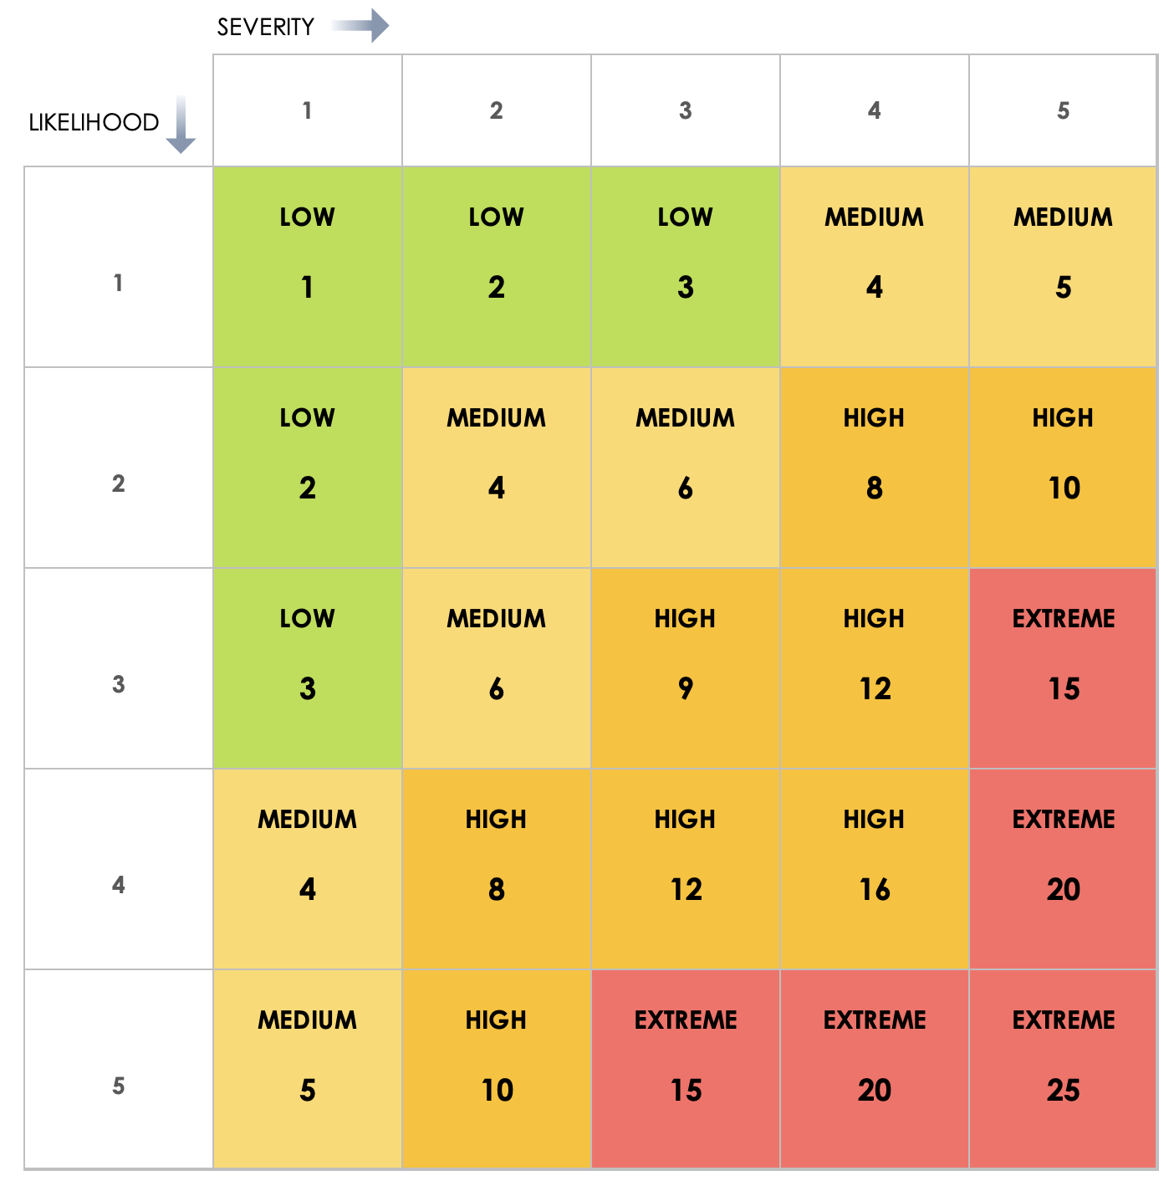
Risk ID | Risk Description | Risk Category | Risk Likelihood (1–5) | Risk Impact (1–5) | Risk Score | Control ID | Control Description | Control Type | Control Frequency | Control Owner | Control Method | Control Evidence Required | Control Design Effectiveness | Control Operating Effectiveness | Test Steps | Test Result (Pass / Fail) | Residual Likelihood | Residual Impact | Residual Risk Score | Risk Rating Matrix
 |  |  | 1 | 1 | 1 |  |  | Preventive | Daily |  |  | Yes | Effective | Effective |  | Pass | 1 | 4 | 4
 |  |  | 2 | 2 | 4 |  |  | Detective | Weekly |  |  | No | Needs Improvement | Needs Improvement |  | Fail |  |  | 0
 |  |  | 3 | 4 | 12 |  |  | Corrective | Monthly |  |  |  | Ineffective | Ineffective |  |  |  |  | 0
 |  |  | 4 | 5 | 20 |  |  |  | Quarterly |  |  |  |  |  |  |  |  |  | 0
 |  |  |  |  | 0 |  |  |  | Annual |  |  |  |  |  |  |  |  |  | 0
 |  |  |  |  | 0 |  |  |  |  |  |  |  |  |  |  |  |  |  | 0
 |  |  |  |  | 0 |  |  |  |  |  |  |  |  |  |  |  |  |  | 0
 |  |  |  |  | 0 |  |  |  |  |  |  |  |  |  |  |  |  |  | 0
 |  |  |  |  | 0 |  |  |  |  |  |  |  |  |  |  |  |  |  | 0
 |  |  |  |  | 0 |  |  |  |  |  |  |  |  |  |  |  |  |  | 0
 |  |  |  |  | 0 |  |  |  |  |  |  |  |  |  |  |  |  |  | 0
 |  |  |  |  | 0 |  |  |  |  |  |  |  |  |  |  |  |  |  | 0
 |  |  |  |  | 0 |  |  |  |  |  |  |  |  |  |  |  |  |  | 0
 |  |  |  |  | 0 |  |  |  |  |  |  |  |  |  |  |  |  |  | 0
 |  |  |  |  | 0 |  |  |  |  |  |  |  |  |  |  |  |  |  | 0
 |  |  |  |  | 0 |  |  |  |  |  |  |  |  |  |  |  |  |  | 0
 |  |  |  |  | 0 |  |  |  |  |  |  |  |  |  |  |  |  |  | 0
 |  |  |  |  | 0 |  |  |  |  |  |  |  |  |  |  |  |  |  | 0
 |  |  |  |  | 0 |  |  |  |  |  |  |  |  |  |  |  |  |  | 0
 |  |  |  |  | 0 |  |  |  |  |  |  |  |  |  |  |  |  |  | 0
 |  |  |  |  | 0 |  |  |  |  |  |  |  |  |  |  |  |  |  | 0
 |  |  |  |  | 0 |  |  |  |  |  |  |  |  |  |  |  |  |  | 0
 |  |  |  |  | 0 |  |  |  |  |  |  |  |  |  |  |  |  |  | 0
 |  |  |  |  | 0 |  |  |  |  |  |  |  |  |  |  |  |  |  | 0
 |  |  |  |  | 0 |  |  |  |  |  |  |  |  |  |  |  |  |  | 0

CLICK HERE TO CREATE IN SMARTSHEET

