Weekly Shift Sched
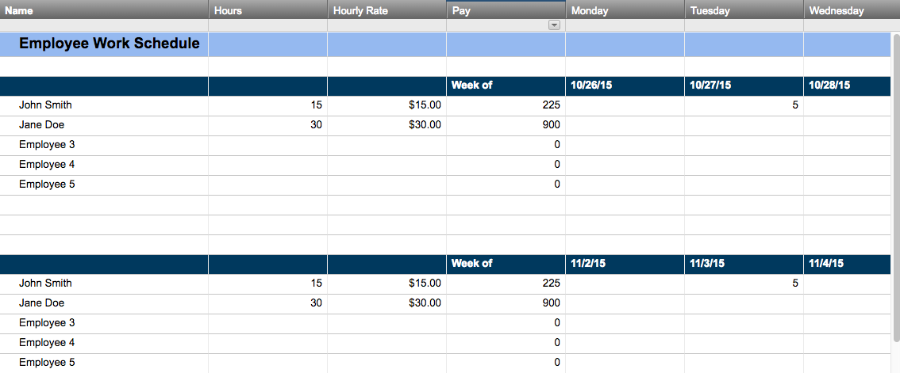
WEEKLY SHIFT SCHEDULE
WEEK BEGINNING: |  | 2016-05-02 |  |  | DEPT: | Bakery

MON | 2016-05-02
ID NO. | EMPLOYEE NAME | 7:00 AM | 8:00 AM | 9:00 AM | 10:00 AM | 11:00 AM | 12:00 PM | 1:00 PM | 2:00 PM | 3:00 PM | 4:00 PM | 5:00 PM | 6:00 PM | 7:00 PM | – OFF – | TOTAL
111111 | Alane J. | Pastries | Pastries | Pastries | Pastries | Pastries | Pastries |  |  |  |  |  |  |  |  | 6
222222 | Erica W. | Cakes | Cakes | Cakes | Cakes | Cakes | Cakes |  |  |  |  |  |  |  |  | 6
333333 | Nathan M. |  |  |  | Pies | Pies | Pies | Pies | Pies | Pies |  |  |  |  |  | 6
444444 | Jenn C. |  |  |  |  |  |  | Cake Decorating | Cake Decorating | Cake Decorating | Cake Decorating | Cake Decorating | Cake Decorating |  |  | 6
555555 | Daniel H. |  |  | Manager | Manager | Manager | Manager | Manager | Manager | Manager | Manager |  |  |  |  | 8
666666 | Lucas J. | Bread | Bread | Bread | Bread |  |  |  |  |  |  |  |  |  |  | 4
777777 | Steve J. |  |  |  |  | Front of store | Front of store | Front of store | Front of store | Front of store | Front of Store | Front of Store | Front of Store | Front of Store |  | 9
888888 | Laurie O. | Front of store | Front of store | Front of store | Front of store | Front of store | Front of Store | Front of Store | Front of Store | Front of Store |  |  |  |  |  | 9

TUES | 2016-05-03
ID NO. | EMPLOYEE NAME | 7:00 AM | 8:00 AM | 9:00 AM | 10:00 AM | 11:00 AM | 12:00 PM | 1:00 PM | 2:00 PM | 3:00 PM | 4:00 PM | 5:00 PM | 6:00 PM | 7:00 PM | – OFF – | TOTAL
111111 | Alane J. | Pastries | Pastries | Pastries | Pastries | Pastries | Pastries |  |  |  |  |  |  |  |  | 6
222222 | Erica W. | Cakes | Cakes | Cakes | Cakes | Cakes | Cakes |  |  |  |  |  |  |  |  | 6
333333 | Nathan M. |  |  |  | Pies | Pies | Pies | Pies | Pies | Pies |  |  |  |  |  | 6
444444 | Jenn C. |  |  |  |  |  |  | Cake Decorating | Cake Decorating | Cake Decorating | Cake Decorating | Cake Decorating | Cake Decorating |  |  | 6
555555 | Daniel H. |  |  | Manager | Manager | Manager | Manager | Manager | Manager | Manager | Manager |  |  |  |  | 8
666666 | Lucas J. | Bread | Bread | Bread | Bread |  |  |  |  |  |  |  |  |  |  | 4
777777 | Steve J. |  |  |  |  | Front of store | Front of store | Front of store | Front of store | Front of store | Front of Store | Front of Store | Front of Store | Front of Store |  | 9
888888 | Laurie O. | Front of store | Front of store | Front of store | Front of store | Front of store | Front of Store | Front of Store | Front of Store | Front of Store |  |  |  |  |  | 9

WED | 2016-05-04
ID NO. | EMPLOYEE NAME | 7:00 AM | 8:00 AM | 9:00 AM | 10:00 AM | 11:00 AM | 12:00 PM | 1:00 PM | 2:00 PM | 3:00 PM | 4:00 PM | 5:00 PM | 6:00 PM | 7:00 PM | – OFF – | TOTAL
111111 | Alane J. | Pastries | Pastries | Pastries | Pastries | Pastries | Pastries |  |  |  |  |  |  |  |  | 6
222222 | Erica W. | Cakes | Cakes | Cakes | Cakes | Cakes | Cakes |  |  |  |  |  |  |  |  | 6
333333 | Nathan M. |  |  |  | Pies | Pies | Pies | Pies | Pies | Pies |  |  |  |  |  | 6
444444 | Jenn C. |  |  |  |  |  |  | Cake Decorating | Cake Decorating | Cake Decorating | Cake Decorating | Cake Decorating | Cake Decorating |  |  | 6
555555 | Daniel H. |  |  | Manager | Manager | Manager | Manager | Manager | Manager | Manager | Manager |  |  |  |  | 8
666666 | Lucas J. | Bread | Bread | Bread | Bread |  |  |  |  |  |  |  |  |  |  | 4
777777 | Steve J. |  |  |  |  | Front of store | Front of store | Front of store | Front of store | Front of store | Front of Store | Front of Store | Front of Store | Front of Store |  | 9
888888 | Laurie O. | Front of store | Front of store | Front of store | Front of store | Front of store | Front of Store | Front of Store | Front of Store | Front of Store |  |  |  |  |  | 9

THURS | 2016-05-05
ID NO. | EMPLOYEE NAME | 7:00 AM | 8:00 AM | 9:00 AM | 10:00 AM | 11:00 AM | 12:00 PM | 1:00 PM | 2:00 PM | 3:00 PM | 4:00 PM | 5:00 PM | 6:00 PM | 7:00 PM | – OFF – | TOTAL
111111 | Alane J. | Pastries | Pastries | Pastries | Pastries | Pastries | Pastries |  |  |  |  |  |  |  |  | 6
222222 | Erica W. | Cakes | Cakes | Cakes | Cakes | Cakes | Cakes |  |  |  |  |  |  |  |  | 6
333333 | Nathan M. |  |  |  | Pies | Pies | Pies | Pies | Pies | Pies |  |  |  |  |  | 6
444444 | Jenn C. |  |  |  |  |  |  | Cake Decorating | Cake Decorating | Cake Decorating | Cake Decorating | Cake Decorating | Cake Decorating |  |  | 6
555555 | Daniel H. |  |  | Manager | Manager | Manager | Manager | Manager | Manager | Manager | Manager |  |  |  |  | 8
666666 | Lucas J. | Bread | Bread | Bread | Bread |  |  |  |  |  |  |  |  |  |  | 4
777777 | Steve J. |  |  |  |  | Front of store | Front of store | Front of store | Front of store | Front of store | Front of Store | Front of Store | Front of Store | Front of Store |  | 9
888888 | Laurie O. | Front of store | Front of store | Front of store | Front of store | Front of store | Front of Store | Front of Store | Front of Store | Front of Store |  |  |  |  |  | 9

FRI | 2016-05-06
ID NO. | EMPLOYEE NAME | 7:00 AM | 8:00 AM | 9:00 AM | 10:00 AM | 11:00 AM | 12:00 PM | 1:00 PM | 2:00 PM | 3:00 PM | 4:00 PM | 5:00 PM | 6:00 PM | 7:00 PM | – OFF – | TOTAL
111111 | Alane J. | Pastries | Pastries | Pastries |  |  |  |  |  |  |  |  |  |  |  | 3
222222 | Erica W. | Cakes | Cakes | Cakes |  |  |  |  |  |  |  |  |  |  |  | 3
333333 | Nathan M. |  |  |  | Pies | Pies | Pies | Pies | Pies | Pies |  |  |  |  |  | 6
444444 | Jenn C. |  |  |  |  |  |  | Cake Decorating | Cake Decorating | Cake Decorating | Cake Decorating | Cake Decorating | Cake Decorating |  |  | 6
555555 | Daniel H. |  |  | Manager | Manager | Manager | Manager | Manager | Manager | Manager | Manager |  |  |  |  | 8
666666 | Lucas J. | Bread | Bread | Bread | Bread |  |  |  |  |  |  |  |  |  |  | 4
777777 | Steve J. |  |  |  |  | Front of store | Front of store | Front of store | Front of store | Front of store | Front of Store | Front of Store | Front of Store | Front of Store |  | 9
888888 | Laurie O. | Front of store | Front of store | Front of store | Front of store | Front of store | Front of Store | Front of Store | Front of Store | Front of Store |  |  |  |  |  | 9

SAT | 2016-05-07
ID NO. | EMPLOYEE NAME | 7:00 AM | 8:00 AM | 9:00 AM | 10:00 AM | 11:00 AM | 12:00 PM | 1:00 PM | 2:00 PM | 3:00 PM | 4:00 PM | 5:00 PM | 6:00 PM | 7:00 PM | – OFF – | TOTAL
111111 | Alane J. | Pastries | Pastries | Pastries |  |  |  |  |  |  |  |  |  |  |  | 3
222222 | Erica W. | Cakes | Cakes | Cakes |  |  |  |  |  |  |  |  |  |  |  | 3
333333 | Nathan M. |  |  |  | Pies | Pies | Pies | Pies |  |  |  |  |  |  |  | 4
444444 | Jenn C. |  |  |  |  |  |  | Cake Decorating |  |  |  |  |  |  |  | 1
555555 | Daniel H. |  |  | Manager | Manager | Manager | Manager | Manager |  |  |  |  |  |  |  | 5
666666 | Lucas J. | Bread | Bread | Bread | Bread |  |  |  |  |  |  |  |  |  |  | 4
777777 | Steve J. |  |  |  |  | Front of store | Front of store | Front of store |  |  |  |  |  |  |  | 3
888888 | Laurie O. | Front of store | Front of store | Front of store | Front of store | Front of store | Front of Store | Front of Store |  |  |  |  |  |  |  | 7

SUN | 2016-05-08
ID NO. | EMPLOYEE NAME | 7:00 AM | 8:00 AM | 9:00 AM | 10:00 AM | 11:00 AM | 12:00 PM | 1:00 PM | 2:00 PM | 3:00 PM | 4:00 PM | 5:00 PM | 6:00 PM | 7:00 PM | – OFF – | TOTAL
111111 | Alane J. | Pastries | Pastries | Pastries |  |  |  |  |  |  |  |  |  |  |  | 3
222222 | Erica W. | Cakes | Cakes | Cakes |  |  |  |  |  |  |  |  |  |  |  | 3
333333 | Nathan M. |  |  |  | Pies | Pies | Pies | Pies |  |  |  |  |  |  |  | 4
444444 | Jenn C. |  |  |  |  |  |  | Cake Decorating |  |  |  |  |  |  |  | 1
555555 | Daniel H. |  |  | Manager | Manager | Manager | Manager | Manager |  |  |  |  |  |  |  | 5
666666 | Lucas J. | Bread | Bread | Bread | Bread |  |  |  |  |  |  |  |  |  |  | 4
777777 | Steve J. |  |  |  |  | Front of store | Front of store | Front of store |  |  |  |  |  |  |  | 3
888888 | Laurie O. | Front of store | Front of store | Front of store | Front of store | Front of store | Front of Store | Front of Store |  |  |  |  |  |  |  | 7

Create a Work Schedule in Smartsheet

