Service Invoice Hourly Rate
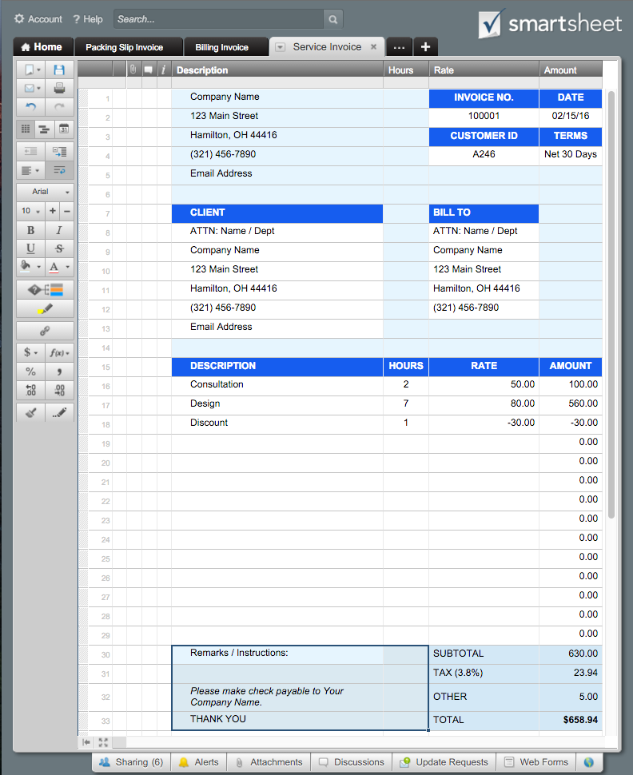
 |  | SERVICE INVOICE |  | Or, Click Here to Create Your Service Invoice in Smartsheet
Company Name | INVOICE NO. |  | DATE
123 Main Street | 100001 |  | 2016-02-15
Hamilton, OH 44416 | CUSTOMER ID |  | TERMS
(321) 456-7890 | A246 |  | Net 30 Days
Email Address

CLIENT | BILL TO
ATTN: Name / Dept | ATTN: Name / Dept
Company Name | Company Name
123 Main Street | 123 Main Street
Hamilton, OH 44416 | Hamilton, OH 44416
(321) 456-7890 | (321) 456-7890
Email Address

DESCRIPTION | HOURS | RATE | AMOUNT
Consultation | 2 | 50.00 | 100.00
Design | 7 | 80.00 | 560.00
Discount | 1 | -30.00 | -30.00
 |  |  | 0.00
 |  |  | 0.00
 |  |  | 0.00
 |  |  | 0.00
 |  |  | 0.00
 |  |  | 0.00
 |  |  | 0.00
 |  |  | 0.00
 |  |  | 0.00
 |  |  | 0.00
 |  |  | 0.00
Remarks / Instructions: | SUBTOTAL |  | 630.00
 | TAX (3.8%) |  | 23.94
Please make check payable to Your Company Name. | OTHER |  | 5.00
THANK YOU | TOTAL |  | $658.94

For questions concerning this invoice, please contact
Name, (321) 456-7890, Email Address
www.yourwebaddress.com

