Sheet1
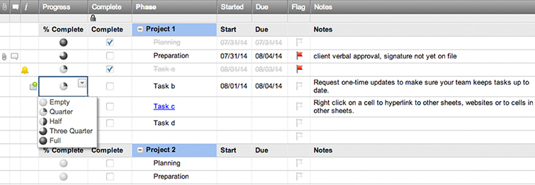
To Do List

Tasks | Priority | Status
Task 1 | High | Complete
Task 2 | Medium | In Progress
Task 3 | High | Complete
Task 4 | Low | Complete
Task 5 | Low | Not Started
Task 6 | High | Complete
Task 7 | Medium | Not Started

Create a To Do List in Smartsheet

