Single-Step
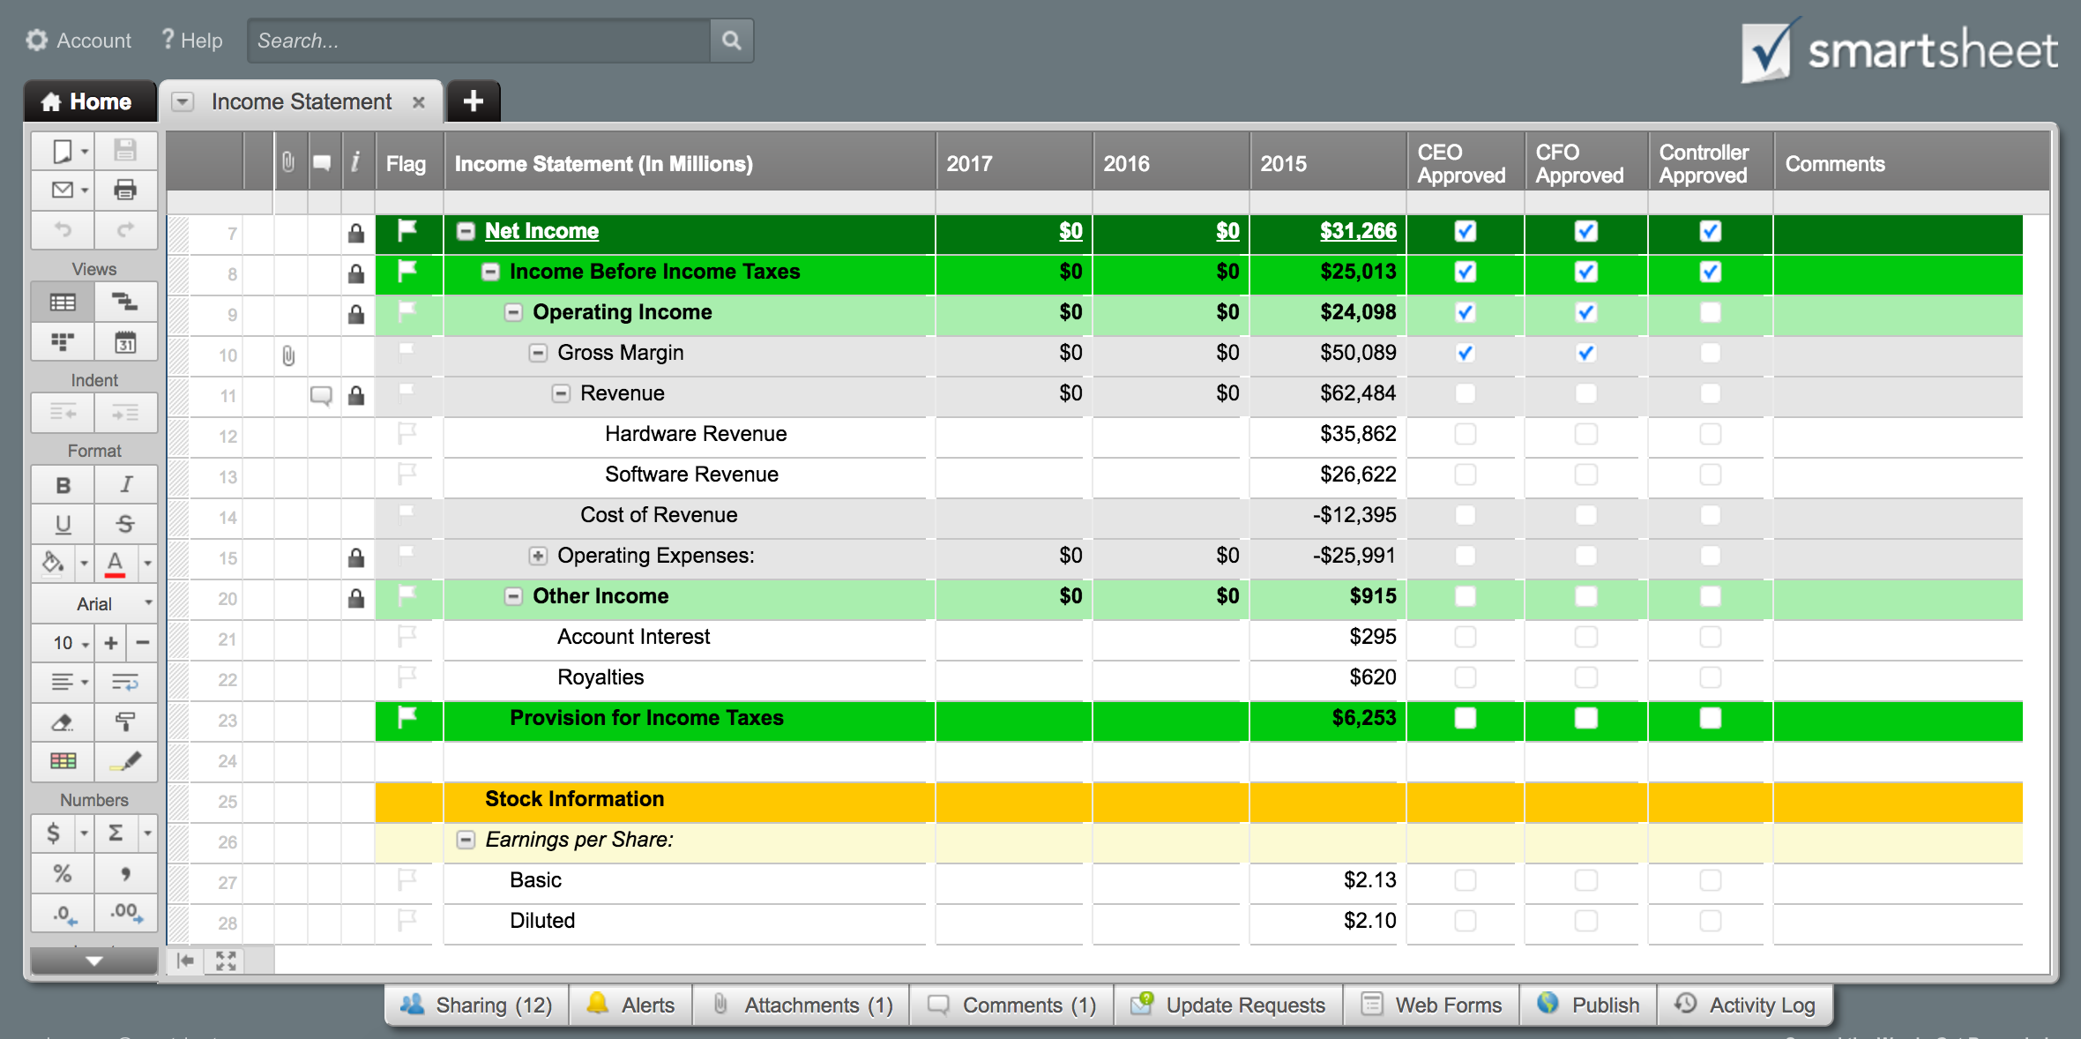
 | [Company Name] |  | Income Statement
 | Years Ending:

 | Revenue |  | 2015 | 2014
 |  | Sales revenue | $150,000 | $175,000
 |  | (Less sales returns and allowances)
 |  | Service revenue | $50,500 | $75,000
 |  | Interest revenue
 |  | Other revenue
 | Total Revenues |  | $200,500 | $250,000

 | Expenses
 |  | Advertising | $500 | $450
 |  | Bad debt
 |  | Commissions
 |  | Cost of goods sold | $55,000 | $75,000
 |  | Depreciation
 |  | Employee benefits
 |  | Furniture and equipment
 |  | Insurance
 |  | Interest expense | $2,000 | $2,500
 |  | Maintenance and repairs
 |  | Office supplies
 |  | Payroll taxes
 |  | Rent
 |  | Research and development
 |  | Salaries and wages | $65,000 | $85,000
 |  | Software
 |  | Travel
 |  | Utilities
 |  | Web hosting and domains
 |  | Other
 | Total Expenses |  | $122,500 | $162,950

 |  | Net Income Before Taxes | $78,000 | $87,050
 |  | Income tax expense | $15,600 | $17,410

 | Income from Continuing Operations |  | $62,400 | $69,640

 | Net Income |  | $62,400 | $69,640

Improve how your team tracks and report profit and loss.
Click Here to Manage Your Income Statements in Smartsheet

