Sheet1
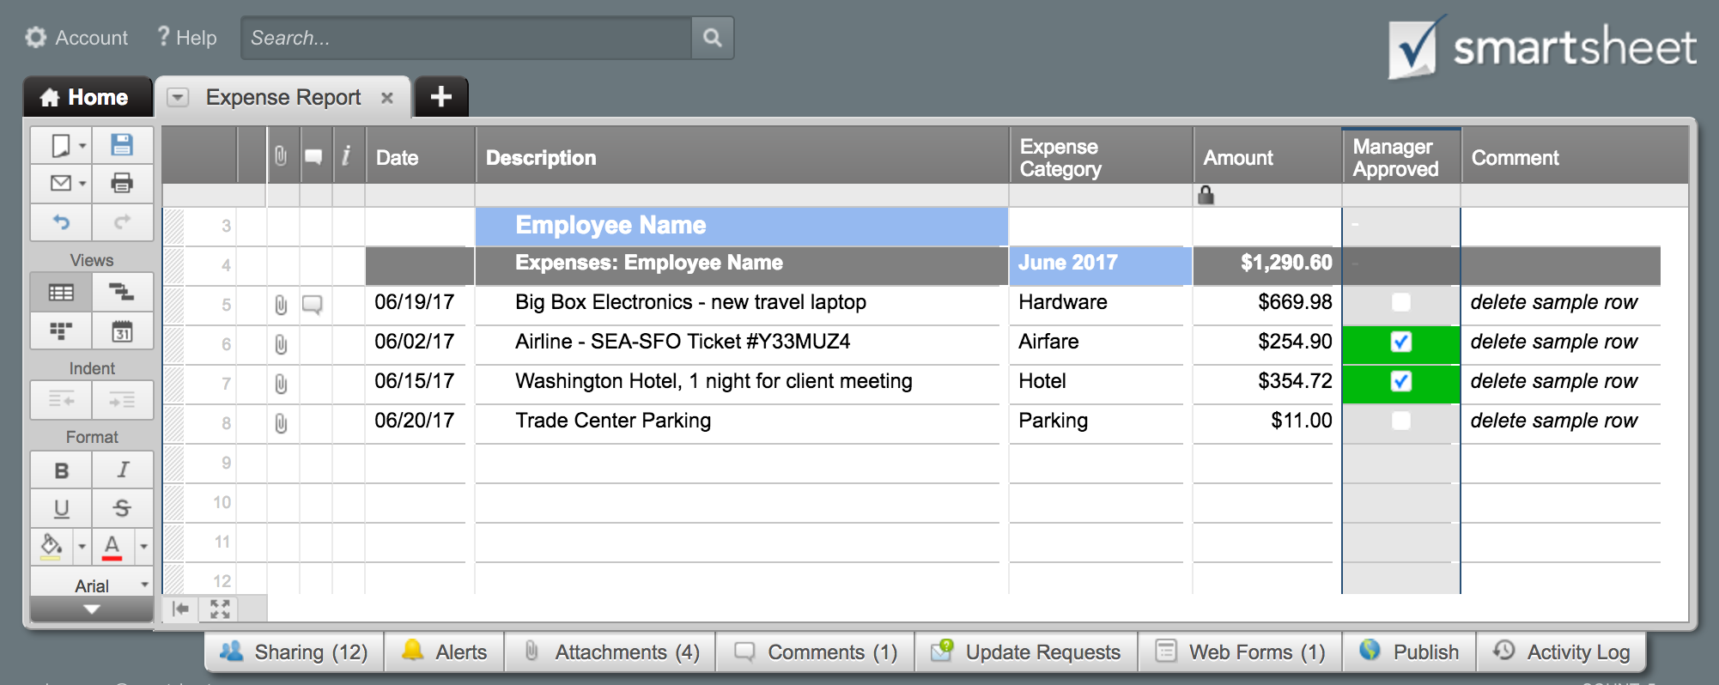
Expense Report

 |  |  |  |  |  |  |  | Pay Period
 |  | Purpose: |  |  |  |  |  | From:
 |  | Statement #: |  |  |  |  |  | To:

 |  | Name: |  |  | Department:
 |  | Employee ID: |  |  | Manager:

 | Date | Description | Air & Trans. | Lodging | Fuel / Mileage | Phone | Meals & Tips | Entertainment | Other | Total
 |  |  |  |  |  |  |  |  |  | $-
 |  |  |  |  |  |  |  |  |  | $-
 |  |  |  |  |  |  |  |  |  | $-
 |  |  |  |  |  |  |  |  |  | $-
 |  |  |  |  |  |  |  |  |  | $-
 |  |  |  |  |  |  |  |  |  | $-
 |  |  |  |  |  |  |  |  |  | $-
 |  |  |  |  |  |  |  |  |  | $-
 |  |  |  |  |  |  |  |  |  | $-
 |  |  |  |  |  |  |  |  |  | $-
 |  |  |  |  |  |  |  |  |  | $-
 |  |  | $- | $- | $- | $- | $- | $- | $-
 |  |  |  |  |  |  |  | Subtotal |  | $-
 |  |  |  |  |  |  |  | Advances
 |  |  |  |  |  |  |  | Total Reimbursement |  | $-
 | Itemized Expenses or Description of "Other" |  |  |  |  |  |  | *Don't forget to attach receipts*
 | Date | Description | Amount

 |  |  |  |  |  |  |  | Authorized By |  | Date

 |  |  |  |  |  |  |  | For Office Use Only

Click Here to Create & Manage Your Expense Reports in Smartsheet

