Cash Flow Forecast
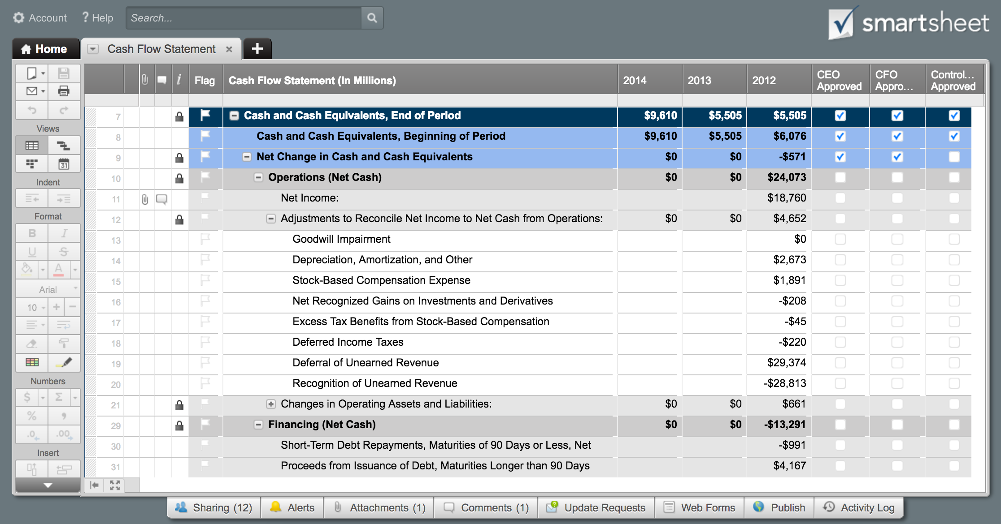
[Company Name]
12-Month Cash Flow Forecast
 |  | Jan'16 |  | Feb'16 |  | Mar'16 |  | Apr'16 |  | May'16 |  | Jun'16 |  | Jul'16 |  | Aug'16 |  | Sept'16 |  | Oct'16 |  | Nov'16 |  | Dec'16 |  | Total Year
 |  | Expected | Actual | Expected | Actual | Expected | Actual | Expected | Actual | Expected | Actual | Expected | Actual | Expected | Actual | Expected | Actual | Expected | Actual | Expected | Actual | Expected | Actual | Expected | Actual | Expected | Actual
Cash on Hand (beginning of month) |  |  |  | - | - | - | - | - | - | - | - | - | - | - | - | - | - | - | - | - | - | - | - | - | - | - | -

Cash Receipts
 | Customers |  |  |  |  |  |  |  |  |  |  |  |  |  |  |  |  |  |  |  |  |  |  |  |  | - | -
 | Other Operations |  |  |  |  |  |  |  |  |  |  |  |  |  |  |  |  |  |  |  |  |  |  |  |  | - | -
 | Sale of property and equipment |  |  |  |  |  |  |  |  |  |  |  |  |  |  |  |  |  |  |  |  |  |  |  |  | - | -
 | Collection of principal on loans |  |  |  |  |  |  |  |  |  |  |  |  |  |  |  |  |  |  |  |  |  |  |  |  | - | -
 | Sale of investment securities |  |  |  |  |  |  |  |  |  |  |  |  |  |  |  |  |  |  |  |  |  |  |  |  | - | -
 | Issuance of stock |  |  |  |  |  |  |  |  |  |  |  |  |  |  |  |  |  |  |  |  |  |  |  |  | - | -
 | Borrowing |  |  |  |  |  |  |  |  |  |  |  |  |  |  |  |  |  |  |  |  |  |  |  |  | - | -
Total Cash Receipts |  | - | - | - | - | - | - | - | - | - | - | - | - | - | - | - | - | - | - | - | - | - | - | - | - | - | -
Total Cash Available (before cash out) |  | - | - | - | - | - | - | - | - | - | - | - | - | - | - | - | - | - | - | - | - | - | - | - | - | - | -

Cash Paid Out
 | Purchase of property and equipment |  |  |  |  |  |  |  |  |  |  |  |  |  |  |  |  |  |  |  |  |  |  |  |  | - | -
 | Making loans to other entities |  |  |  |  |  |  |  |  |  |  |  |  |  |  |  |  |  |  |  |  |  |  |  |  | - | -
 | Purchase of investment securities |  |  |  |  |  |  |  |  |  |  |  |  |  |  |  |  |  |  |  |  |  |  |  |  | - | -
 | Inventory purchases |  |  |  |  |  |  |  |  |  |  |  |  |  |  |  |  |  |  |  |  |  |  |  |  | - | -
 | General operating and administrative expenses |  |  |  |  |  |  |  |  |  |  |  |  |  |  |  |  |  |  |  |  |  |  |  |  | - | -
 | Wage expenses |  |  |  |  |  |  |  |  |  |  |  |  |  |  |  |  |  |  |  |  |  |  |  |  | - | -
 | Interest |  |  |  |  |  |  |  |  |  |  |  |  |  |  |  |  |  |  |  |  |  |  |  |  | - | -
 | Income taxes |  |  |  |  |  |  |  |  |  |  |  |  |  |  |  |  |  |  |  |  |  |  |  |  | - | -
Subtotal |  | - | - | - | - | - | - | - | - | - | - | - | - | - | - | - | - | - | - | - | - | - | - | - | - | - | -
 | Repurchase of stock (treasury stock) |  |  |  |  |  |  |  |  |  |  |  |  |  |  |  |  |  |  |  |  |  |  |  |  | - | -
 | Repayments of loans |  |  |  |  |  |  |  |  |  |  |  |  |  |  |  |  |  |  |  |  |  |  |  |  | - | -
 | Dividends |  |  |  |  |  |  |  |  |  |  |  |  |  |  |  |  |  |  |  |  |  |  |  |  | - | -
Total Cash Paid Out |  | - | - | - | - | - | - | - | - | - | - | - | - | - | - | - | - | - | - | - | - | - | - | - | - | - | -
Cash Position (end of month) |  | - | - | - | - | - | - | - | - | - | - | - | - | - | - | - | - | - | - | - | - | - | - | - | - | - | -

Click Here to Manage Your Cash Flow in Smartsheet

