Sheet1
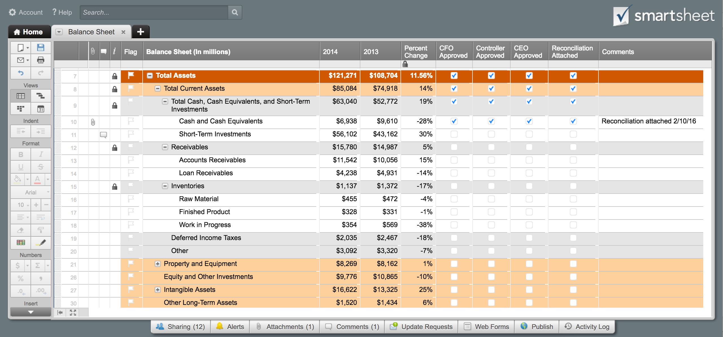
 | [Company Name] |  |  |  |  | BALANCE SHEET

 | Assets |  | 2015 | 2014 | Liabilities and Owner's Equity |  | 2015 | 2014
 | Current Assets |  |  |  | Current Liabilities
 |  | Cash | 11,874 |  |  | Accounts payable | 8,060
 |  | Accounts receivable |  |  |  | Short-term loans
 |  | Inventory |  |  |  | Income taxes payable | 3,145
 |  | Prepaid expenses |  |  |  | Accrued salaries and wages
 |  | Short-term investments |  |  |  | Unearned revenue
 |  | Total current assets | 11,874 | - |  | Current portion of long-term debt
 | Fixed (Long-Term) Assets |  |  |  |  | Total current liabilities | 11,205 | -
 |  | Long-term investments | 1,208 |  | Long-Term Liabilities
 |  | Property, plant, and equipment | 15,340 |  |  | Long-term debt | 3,450
 |  | (Less accumulated depreciation) | (2,200) |  |  | Deferred income tax
 |  | Intangible assets |  |  |  | Other
 |  | Total fixed assets | 14,348 | - |  | Total long-term liabilities | 3,450 | -
 | Other Assets |  |  |  | Owner's Equity
 |  | Deferred income tax |  |  |  | Owner's investment | 7,178
 |  | Other |  |  |  | Retained earnings | 4,389
 |  | Total Other Assets | - | - |  | Other
 |  |  |  |  |  | Total owner's equity | 11,567 | -
 | Total Assets |  | 26,222 | -
 |  |  |  |  | Total Liabilities and Owner's Equity |  | 26,222 | -
 |  |  |  | {42}
 | Common Financial Ratios
 | Debt Ratio (Total Liabilities / Total Assets) |  | 0.56
 | Current Ratio (Current Assets / Current Liabilities) |  | 1.06
 | Working Capital (Current Assets - Current Liabilities) |  | 669 | -
 | Assets-to-Equity Ratio (Total Assets / Owner's Equity) |  | 2.27
 | Debt-to-Equity Ratio (Total Liabilities / Owner's Equity) |  | 1.27

Improve how your team tracks and reports assets and liabilities.
Click Here to Create & Manage Your Balance Sheet in Smartsheet

