Work Order Tracking
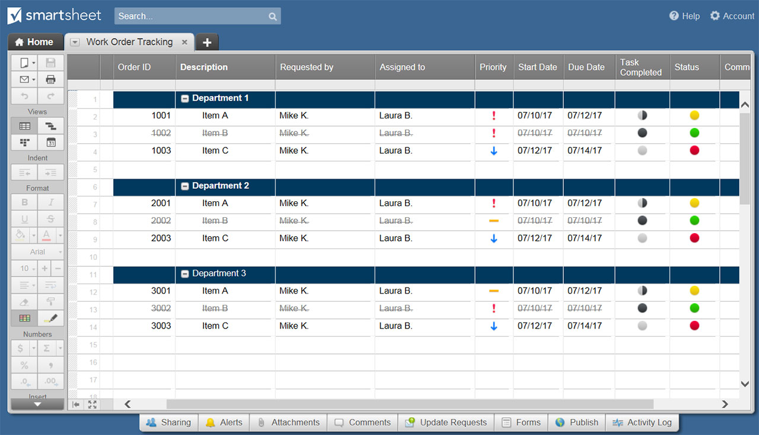
WORK ORDER TRACKING TEMPLATE

ORDER ID | DESCRIPTION | REQUESTED BY | ASSIGNED TO | PRIORITY | START DATE | DUE DATE | PCT OF TASK COMPLETE | STATUS | COMMENTS | STATUS KEY | PRIORITY KEY
 |  |  |  |  |  |  | 0% |  |  | NOT STARTED | LOW
 |  |  |  |  |  |  | 0% |  |  | IN PROGRESS | MEDIUM
 |  |  |  |  |  |  | 0% |  |  | COMPLETE | HIGH
 |  |  |  |  |  |  | 0% |  |  | ON HOLD
 |  |  |  |  |  |  | 0%
 |  |  |  |  |  |  | 0%
 |  |  |  |  |  |  | 0%
 |  |  |  |  |  |  | 0%
 |  |  |  |  |  |  | 0%
 |  |  |  |  |  |  | 0%
 |  |  |  |  |  |  | 0%
 |  |  |  |  |  |  | 0%
 |  |  |  |  |  |  | 0%
 |  |  |  |  |  |  | 0%
 |  |  |  |  |  |  | 0%
 |  |  |  |  |  |  | 0%
 |  |  |  |  |  |  | 0%
 |  |  |  |  |  |  | 0%
 |  |  |  |  |  |  | 0%
 |  |  |  |  |  |  | 0%
 |  |  |  |  |  |  | 0%
 |  |  |  |  |  |  | 0%
 |  |  |  |  |  |  | 0%
 |  |  |  |  |  |  | 0%
 |  |  |  |  |  |  | 0%
 |  |  |  |  |  |  | 0%
 |  |  |  |  |  |  | 0%
 |  |  |  |  |  |  | 0%
 |  |  |  |  |  |  | 0%
 |  |  |  |  |  |  | 0%
 |  |  |  |  |  |  | 0%
 |  |  |  |  |  |  | 0%
 |  |  |  |  |  |  | 0%
 |  |  |  |  |  |  | 0%
 |  |  |  |  |  |  | 0%
 |  |  |  |  |  |  | 0%
 |  |  |  |  |  |  | 0%
 |  |  |  |  |  |  | 0%
 |  |  |  |  |  |  | 0%
 |  |  |  |  |  |  | 100%

CLICK HERE TO CREATE WORK ORDER TRACKING TEMPLATES IN SMARTSHEET

