Weekly Project Status Report
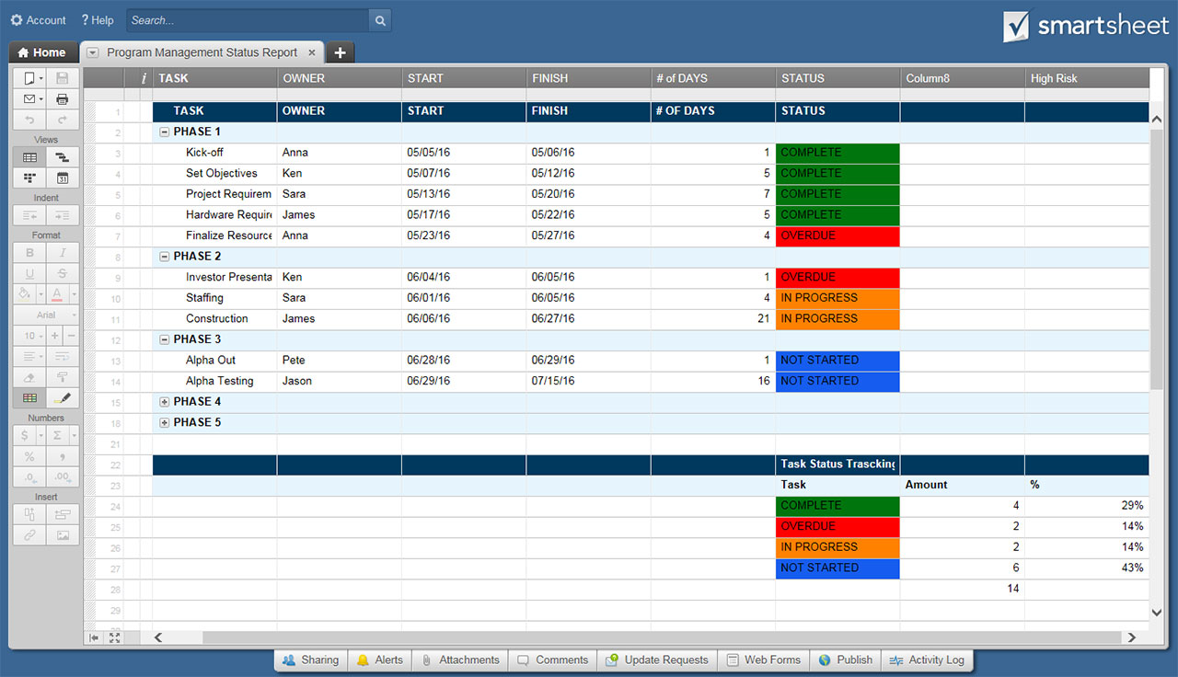
WEEKLY PROJECT STATUS REPORT TEMPLATE

PROJECT NAME |  | PROJECT CODE |  | STATUS KEY | BUDGET KEY
PROJECT MANAGER |  | DATE OF STATUS ENTRY |  | ROADBLOCK / OVERAGE | OVER
PERIOD COVERED |  | PROJECTED DATE OF COMPLETION |  | POTENTIAL RISKS / DELAYS | ON
 |  |  |  | ON TRACK | UNDER
PROJECT STATUS THIS WEEK
OVERALL PROJECT STATUS | ON TRACK | SUMMARY | Enter information here about overall status and highlights: “Regained lost time from last period;" "QA began two days earlier than anticipated;" "Delay in some client feedback, but minimal.”
MILESTONES

PROJECT COMPONENTS
COMPONENT | STATUS | OWNER / TEAM | NOTES
BUDGET | UNDER |  | Call out highlights: "Exceptional work," "Solved problems, as well as issues, including establishing ownership of fixing trouble spots."
RESOURCES | POTENTIAL RISKS / DELAYS |  | New developments, new team members, etc.
TIMELINE |  |  | On track to final launch date
SCOPE

WORK ACCOMPLISHED
TASK NUMBER | DESCRIPTION | OWNER / TEAM | RECEPTION

RISKS AND ROADBLOCKS
RISK NUMBER | DESCRIPTION | OWNER / TEAM | FIX

HIGHLIGHTS AND KEY TAKEAWAYS
Bullets of great work, who owns what, where teams are pivoting, feedback received during the week, etc.

OVERALL PROJECT PROGRESS TIMELINE
WEEK NUMBER | STATUS | DETAILS

PROJECT START DATE
00/00/0000
MILESTONE 1
Details
ROADBLOCK 1
Details
MILESTONE 2
Details
MILESTONE 3
Details
MILESTONE 4
Details
CURRENT TIMELINE POSITION
00/00/0000
MILESTONE 5
Details
ROADBLOCK 2
Details
PROJECT END DATE
00/00/0000

CLICK HERE TO CREATE YOUR WEEKLY PROJECT STATUS REPORT TEMPLATES IN SMARTSHEET

