Weekly Expense Report
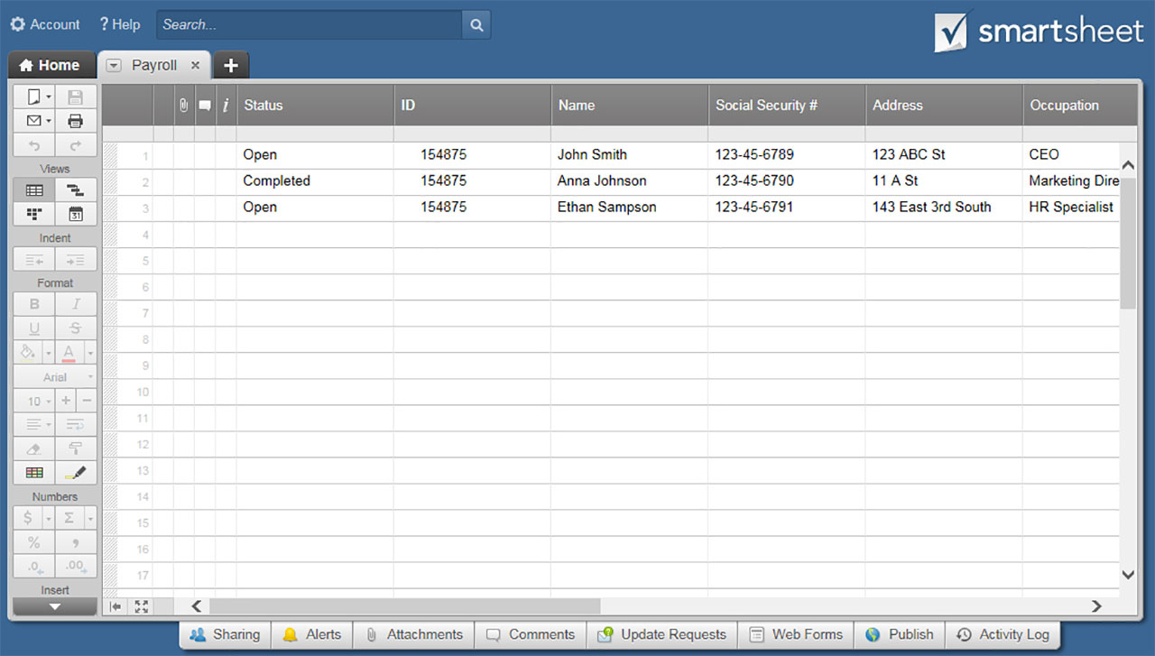
WEEKLY EXPENSE REPORT TEMPLATE

EMP. NAME |  |  | DEPT. |  |  | DEST. |  |  | TIME PERIOD
EMP. ID |  |  | MGR. |  |  | PURPOSE |  |  | FROM | TO
EMP. PHONE |  |  | PHONE

EXPENSES PAID BY EMPLOYEE
DATE | AIR & TRANS. | LODGING | MILEAGE | MILEAGE RATE | MILEAGE TOTAL | PHONE | MEALS & TIPS | ENT. | OTHER | TOTAL
 |  |  |  | $0.5650 | $- |  |  |  |  | $-
 |  |  |  | $0.5650 | $- |  |  |  |  | $-
 |  |  |  | $0.5650 | $- |  |  |  |  | $-
 |  |  |  | $0.5650 | $- |  |  |  |  | $-
 |  |  |  | $0.5650 | $- |  |  |  |  | $-
 |  |  |  | $0.5650 | $- |  |  |  |  | $-
 |  |  |  | $0.5650 | $- |  |  |  |  | $-
 | $- | $- |  |  | $- | $- | $- | $- | $-
 |  |  |  |  |  |  |  | Subtotal |  | $-
 |  | * DON'T FORGET TO ATTACH RECEIPTS * |  |  |  |  |  | Advances
 |  |  |  |  |  |  |  | Total Reimbursement |  | $-

For Office Use Only |  |  | EXPENSES PAID WITH COMPANY FUNDS
 |  |  | DATE | AIR & TRANS. | LODGING | PHONE | MEALS & TIPS | ENT. | OTHER | TOTAL
 |  |  | SUNDAY |  |  |  |  |  |  | $-
 |  |  | MONDAY |  |  |  |  |  |  | $-
 |  |  | TUESDAY |  |  |  |  |  |  | $-
 |  |  | WEDNESDAY |  |  |  |  |  |  | $-
 |  |  | THURSDAY |  |  |  |  |  |  | $-
 |  |  | FRIDAY |  |  |  |  |  |  | $-
 |  |  | SATURDAY |  |  |  |  |  |  | $-
 |  |  |  | $- | $- | $- | $- | $- | $-
 |  |  |  |  |  |  |  | Total |  | $-
–––––––––––––––––––––––––––––––––––– Itemized Expenses or Description of "Other" ––––––––––––––––––––––––––––––––––––
DATE | DESCRIPTION |  |  | AMOUNT |  | DATE | DESCRIPTION |  |  | AMOUNT

Employee Signature |  |  |  | Date |  | Authorizer Signature |  |  |  | Date

CLICK HERE TO CREATE WEEKLY EXPENSE REPORT TEMPLATES IN SMARTSHEET

