Vendor Price List
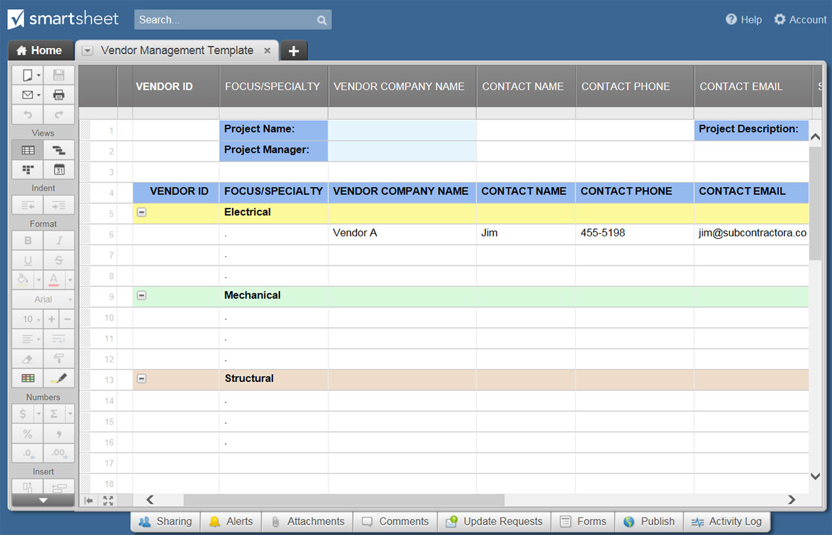
VENDOR PRICE LIST TEMPLATE
 |  | VENDOR NAME 1 |  |  | VENDOR NAME 2 |  |  | VENDOR NAME 3 |  |  | VENDOR NAME 4 |  |  | VENDOR NAME 5 |  |  | VENDOR NAME 6
ITEM NAME | ITEM DESCRIPTION | PRICE | QTY | TOTAL | PRICE | QTY | TOTAL | PRICE | QTY | TOTAL | PRICE | QTY | TOTAL | PRICE | QTY | TOTAL | PRICE | QTY | TOTAL
Quadrant Six Beam | 10 ft bristol | $50.00 | 3.00 | $150.00 | $45.00 | 3.00 | $135.00 | $2.12 | 400.00 | $848.00 | $11.00 | 3.00 | $33.00 | $2.12 | 400.00 | $848.00 | $6.00 | 8.25 | $135.00
A38 Post | 13 inch steel dial | $70.00 | 2.50 | $175.00 | $11.00 | 2.50 | $27.50 | $70.00 | 2.50 | $175.00 | $70.00 | 2.50 | $175.00 | $70.00 | 2.50 | $175.00 | $11.00 | 2.50 | $27.50
 |  | $- | 0.00 | $- | $- | 0.00 | $- | $- | 0.00 | $- | $- | 0.00 | $- | $- | 0.00 | $- | $- | 0.00 | $-
 |  | $- | 0.00 | $- | $- | 0.00 | $- | $- | 0.00 | $- | $- | 0.00 | $- | $- | 0.00 | $- | $- | 0.00 | $-
 |  | $- | 0.00 | $- | $- | 0.00 | $- | $- | 0.00 | $- | $- | 0.00 | $- | $- | 0.00 | $- | $- | 0.00 | $-
 |  | $- | 0.00 | $- | $- | 0.00 | $- | $- | 0.00 | $- | $- | 0.00 | $- | $- | 0.00 | $- | $- | 0.00 | $-
 |  | $- | 0.00 | $- | $- | 0.00 | $- | $- | 0.00 | $- | $- | 0.00 | $- | $- | 0.00 | $- | $- | 0.00 | $-
 |  | $- | 0.00 | $- | $- | 0.00 | $- | $- | 0.00 | $- | $- | 0.00 | $- | $- | 0.00 | $- | $- | 0.00 | $-
 |  | $- | 0.00 | $- | $- | 0.00 | $- | $- | 0.00 | $- | $- | 0.00 | $- | $- | 0.00 | $- | $- | 0.00 | $-
 |  | $- | 0.00 | $- | $- | 0.00 | $- | $- | 0.00 | $- | $- | 0.00 | $- | $- | 0.00 | $- | $- | 0.00 | $-
 |  | $- | 0.00 | $- | $- | 0.00 | $- | $- | 0.00 | $- | $- | 0.00 | $- | $- | 0.00 | $- | $- | 0.00 | $-
 |  | $- | 0.00 | $- | $- | 0.00 | $- | $- | 0.00 | $- | $- | 0.00 | $- | $- | 0.00 | $- | $- | 0.00 | $-
 |  | $- | 0.00 | $- | $- | 0.00 | $- | $- | 0.00 | $- | $- | 0.00 | $- | $- | 0.00 | $- | $- | 0.00 | $-
 |  | $- | 0.00 | $- | $- | 0.00 | $- | $- | 0.00 | $- | $- | 0.00 | $- | $- | 0.00 | $- | $- | 0.00 | $-
 |  | $- | 0.00 | $- | $- | 0.00 | $- | $- | 0.00 | $- | $- | 0.00 | $- | $- | 0.00 | $- | $- | 0.00 | $-
 |  | $- | 0.00 | $- | $- | 0.00 | $- | $- | 0.00 | $- | $- | 0.00 | $- | $- | 0.00 | $- | $- | 0.00 | $-
 |  | $- | 0.00 | $- | $- | 0.00 | $- | $- | 0.00 | $- | $- | 0.00 | $- | $- | 0.00 | $- | $- | 0.00 | $-
 |  | $- | 0.00 | $- | $- | 0.00 | $- | $- | 0.00 | $- | $- | 0.00 | $- | $- | 0.00 | $- | $- | 0.00 | $-
 |  | $- | 0.00 | $- | $- | 0.00 | $- | $- | 0.00 | $- | $- | 0.00 | $- | $- | 0.00 | $- | $- | 0.00 | $-
 |  | SUBTOTAL |  | $325.00 | SUBTOTAL |  | $162.50 | SUBTOTAL |  | $1,023.00 | SUBTOTAL |  | $208.00 | SUBTOTAL |  | $1,023.00 | SUBTOTAL |  | $162.50
 | enter tax rate | TAX RATE % |  | 6.148% | TAX RATE % |  | 6.148% | TAX RATE % |  | 6.148% | TAX RATE % |  | 6.148% | TAX RATE % |  | 6.148% | TAX RATE % |  | 6.148%
 |  | TOTAL TAX |  | $19.98 | TOTAL TAX |  | $9.99 | TOTAL TAX |  | $62.89 | TOTAL TAX |  | $12.79 | TOTAL TAX |  | $62.89 | TOTAL TAX |  | $9.99
 | enter shipping cost | SHIPPING |  | $150.00 | SHIPPING |  | $40.00 | SHIPPING |  | $200.00 | SHIPPING |  | $100.00 | SHIPPING |  | $- | SHIPPING |  | $-
 |  | TOTAL |  | $494.98 | TOTAL |  | $212.49 | TOTAL |  | $1,285.89 | TOTAL |  | $320.79 | TOTAL |  | $1,085.89 | TOTAL |  | $172.49

CLICK HERE TO CREATE VENDOR PRICE LIST TEMPLATES IN SMARTSHEET

