Vendor Change Order Template
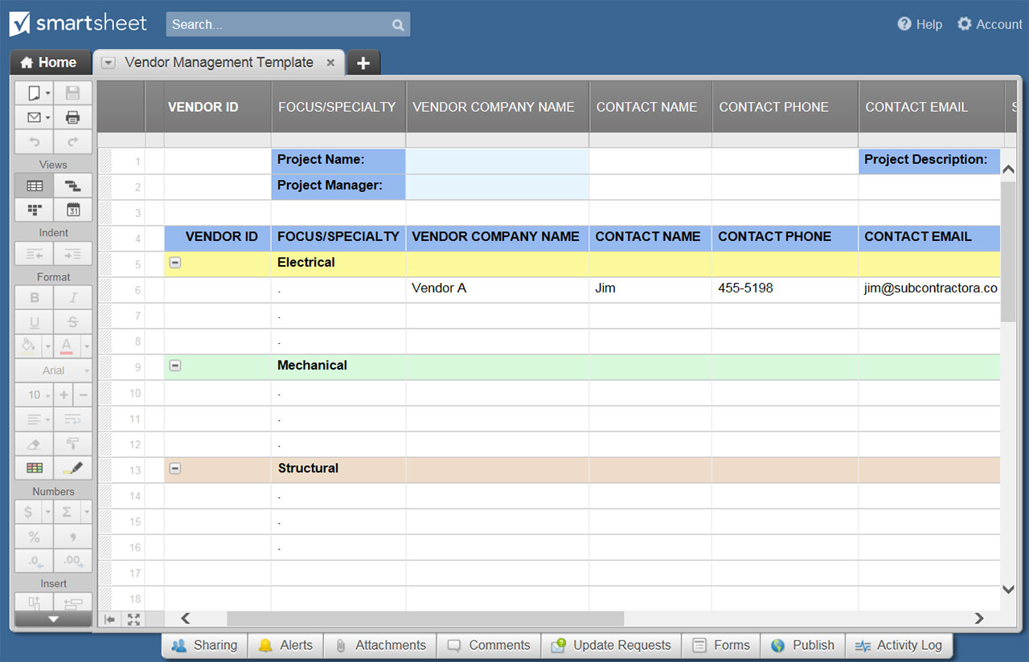
VENDOR CHANGE ORDER TEMPLATE

Project Name: |  | C.O.R. No.:
Project No.: |  | Date:

Description of Change:

 | Additive Costs
A | Labor |  | $-
B | Material |  | $-
C | Equipment |  | $-

D | Subtotal of Additive Cost (A + B + C) |  | $-

 | Deductive Costs (Use parentheses to denote negative figures)
E | Labor |  | $-
F | Material |  | $-
G | Equipment |  | $-

H | Subtotal of Deductive Cost (E + F + G) |  | $-

I | Total Direct Cost (D + H) |  | $-

J | Mark-Up |  | $-

K | Total Direct Costs + Mark-Up (Line I + J) |  | $-

L | Total Subcontractor Direct Costs |  | $-

M | Subcontractor Mark-Up |  | $-

N | Vendor Mark-Up on Subcontractor Direct Costs |  | $-

O | Total Vendor Change Request (Lines K + L + M + N) |  | $-

 | To the best of my knowledge and belief, I certify that all costs listed above are correct.
 | Vendor Signature |  | Date

CLICK HERE TO CREATE VENDOR CHANGE ORDER TEMPLATES IN SMARTSHEET

