Three-Point Cost Estimating
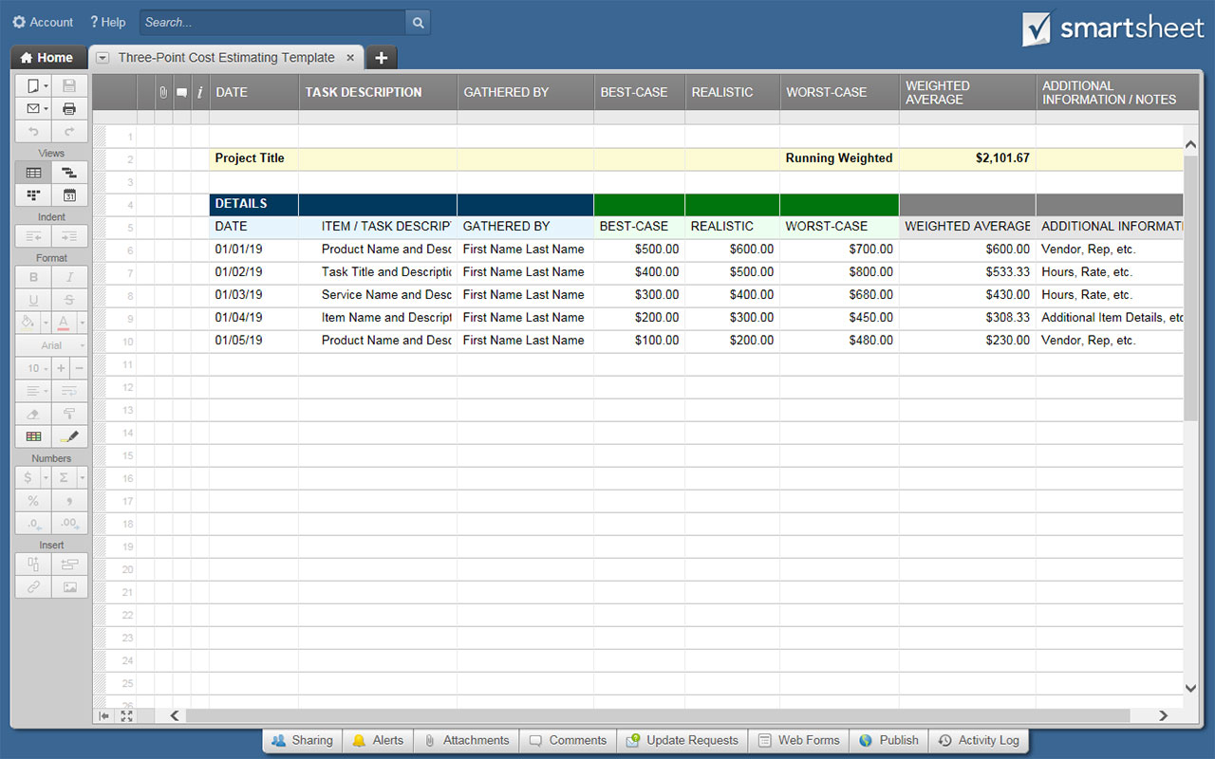
THREE-POINT COST ESTIMATING TEMPLATE

Project Title; Project Manager |  |  |  | RUNNING WEIGHTED AVERAGE TOTAL: |  | $2,101.67

DETAILS |  |  | THREE-POINT COST ESTIMATE SCENARIOS |  |  | WEIGHTED AVERAGE | ADDITIONAL INFORMATION / NOTES
DATE | ITEM / TASK DESCRIPTION | GATHERED BY | BEST-CASE | MOST LIKELY / REALISTIC | WORST-CASE
2019-01-01 | Product Name and Description | First Name Last Name | $500.00 | $600.00 | $700.00 | $600.00 | Vendor, Rep, etc.
2019-01-02 | Task Title and Description | First Name Last Name | $400.00 | $500.00 | $800.00 | $533.33 | Hours, Rate, etc.
2019-01-03 | Service Name and Description | First Name Last Name | $300.00 | $400.00 | $680.00 | $430.00 | Hours, Rate, etc.
2019-01-04 | Item Name and Description | First Name Last Name | $200.00 | $300.00 | $450.00 | $308.33 | Additional Item Details, etc.
2019-01-05 | Product Name and Description | First Name Last Name | $100.00 | $200.00 | $480.00 | $230.00 | Vendor, Rep, etc.
 |  |  | $- | $- | $- | $-
 |  |  | $- | $- | $- | $-
 |  |  | $- | $- | $- | $-
 |  |  | $- | $- | $- | $-
 |  |  | $- | $- | $- | $-
 |  |  | $- | $- | $- | $-
 |  |  | $- | $- | $- | $-
 |  |  | $- | $- | $- | $-
 |  |  | $- | $- | $- | $-
 |  |  | $- | $- | $- | $-
 |  |  | $- | $- | $- | $-
 |  |  | $- | $- | $- | $-
 |  |  | $- | $- | $- | $-
 |  |  | $- | $- | $- | $-
 |  |  | $- | $- | $- | $-
 |  |  | $- | $- | $- | $-
 |  |  | $- | $- | $- | $-
 |  |  | $- | $- | $- | $-
 |  |  | $- | $- | $- | $-
 |  |  | $- | $- | $- | $-
 |  |  | $- | $- | $- | $-
 |  |  | $- | $- | $- | $-
 |  |  | $- | $- | $- | $-
 |  |  | $- | $- | $- | $-
 |  |  | $- | $- | $- | $-

 | CLICK HERE TO CREATE BUDGET TEMPLATES IN SMARTSHEET

