The Basic Balanced Scorecard
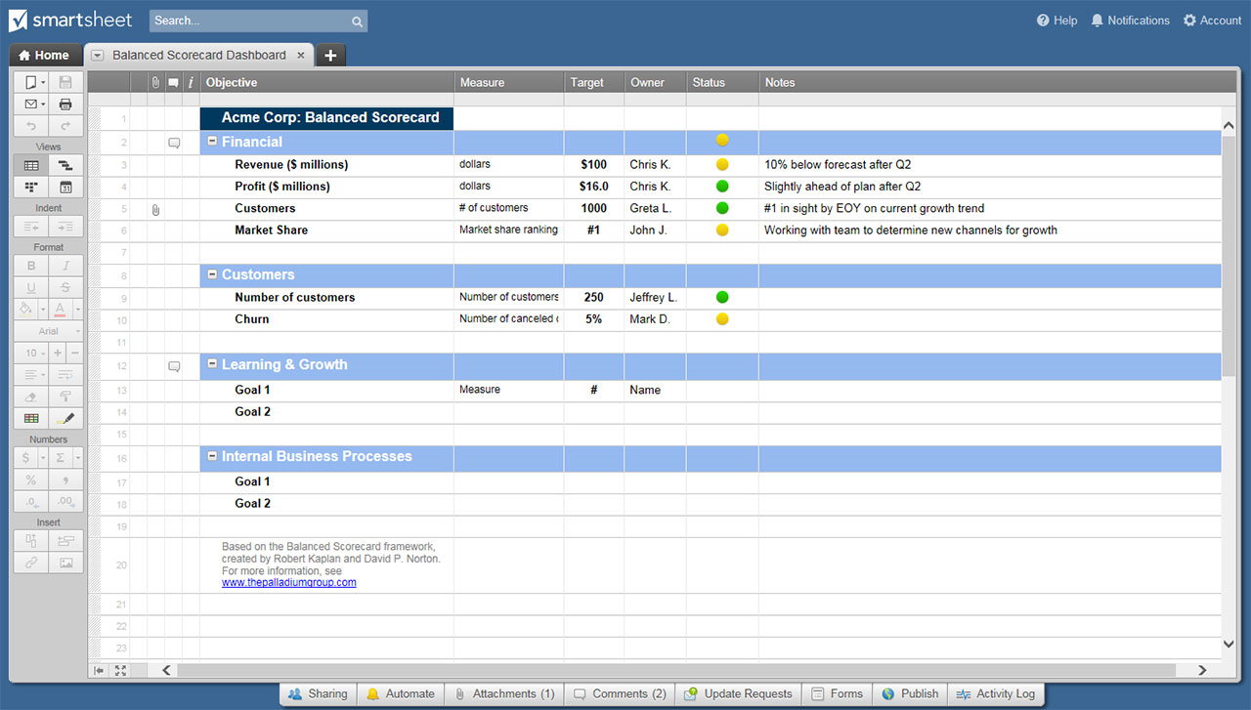
THE BASIC BALANCED SCORECARD TEMPLATE
COMPANY NAME
ADDRESS |  |  | CITY |  |  | STATE | ZIP

 | STRATEGIC OBJECTIVES | KEY PERFORMANCE INDICATORS | TARGETS |  |  | INITIATIVES
 |  |  | YEAR 1 | YEAR 2 | YEAR 3 | PROGRAMS | BUDGETS
FINANCIAL

CUSTOMER

INTERNAL PROCESSES

LEARNING

 |  |  |  |  |  |  |  | `

 | CLICK HERE TO CREATE YOUR BASIC BALANCED SCORECARD TEMPLATES IN SMARTSHEET

