SWOT Analysis
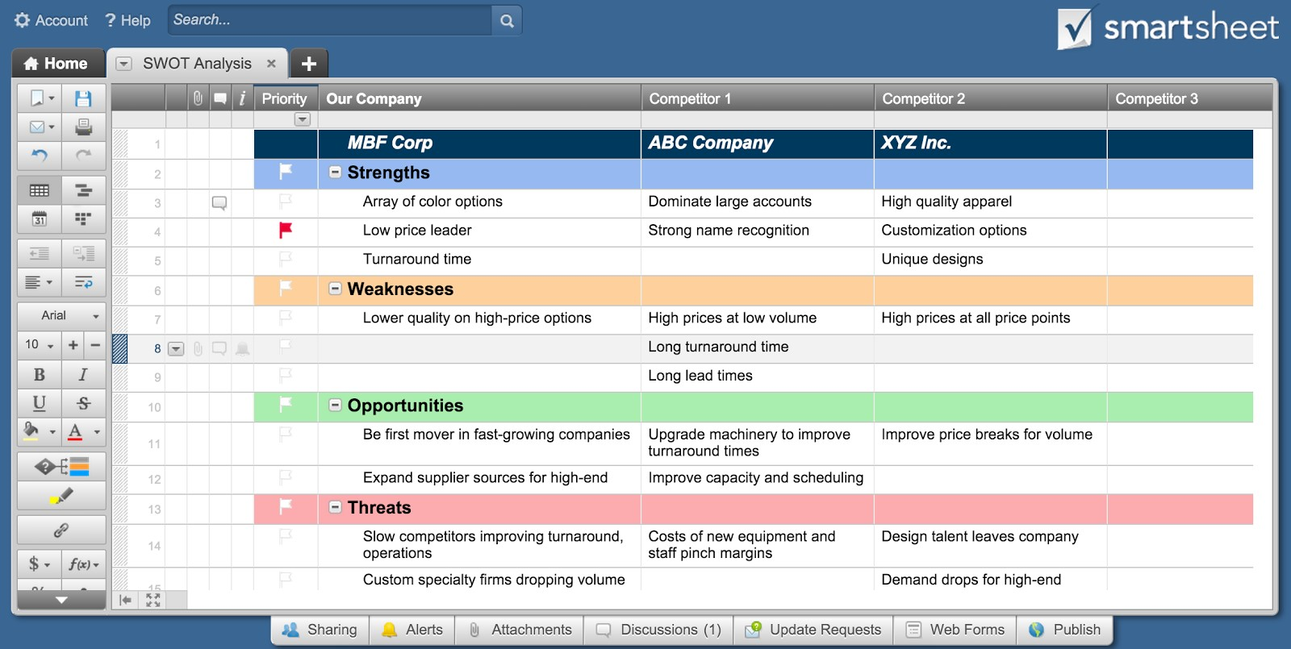
SWOT ANALYSIS TEMPLATE
I N T E R N A L F A C T O R S
STRENGTHS ( + ) | IMPORTANCE | WEAKNESSES ( – ) | IMPORTANCE
1 |  | 1
2 |  | 2
3 |  | 3
4 |  | 4
5 |  | 5
6 |  | 6
7 |  | 7
8 |  | 8
9 |  | 9
10 |  | 10
11 |  | 11
12 |  | 12
13 |  | 13
14 |  | 14
15 |  | 15
16 |  | 16
17 |  | 17
18 |  | 18
19 |  | 19
20 |  | 20

E X T E R N A L F A C T O R S
OPPORTUNITIES ( + ) | IMPORTANCE | THREATS ( – ) | IMPORTANCE
1 |  | 1
2 |  | 2
3 |  | 3
4 |  | 4
5 |  | 5
6 |  | 6
7 |  | 7
8 |  | 8
9 |  | 9
10 |  | 10
11 |  | 11
12 |  | 12
13 |  | 13
14 |  | 14
15 |  | 15
16 |  | 16
17 |  | 17
18 |  | 18
19 |  | 19
20 |  | 20

CLICK HERE TO CREATE SWOT ANALYSIS TEMPLATES IN SMARTSHEET

