Marketing Budget Plan
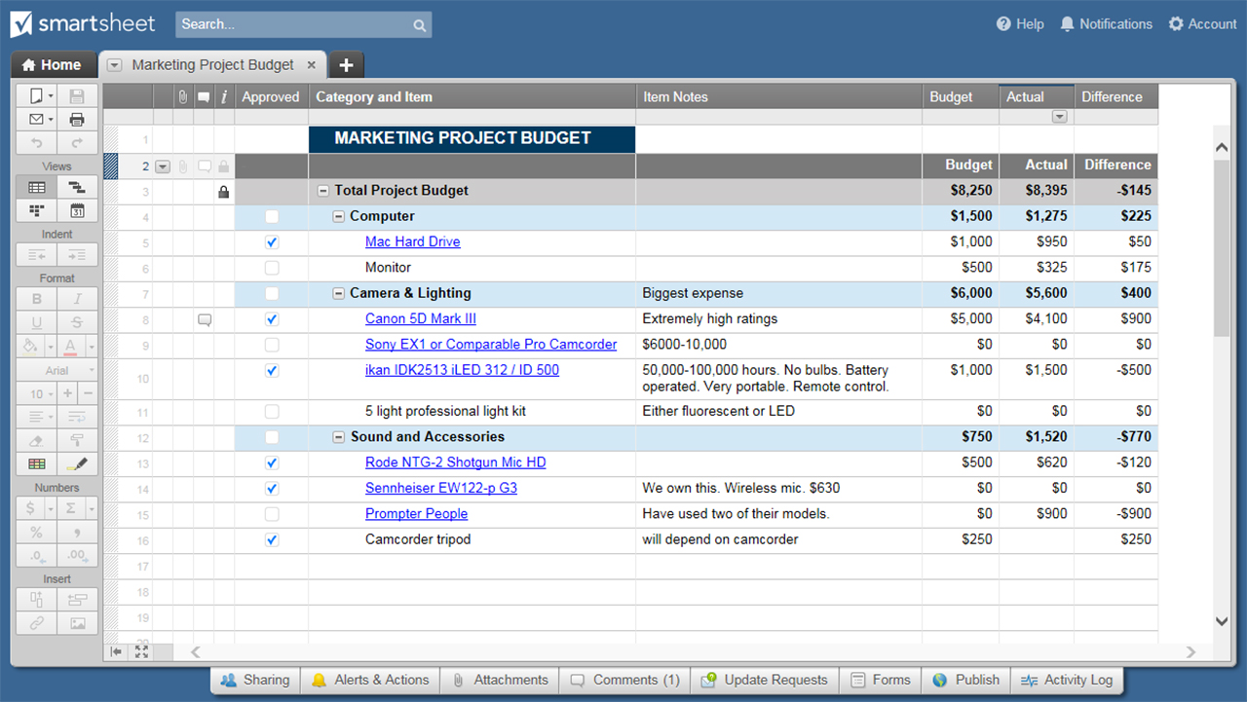
MARKETING BUDGET PLAN TEMPLATE
Projected Subtotal to date: | $65,365.00
CAMPAIGN TYPE |  | QTY | PROJECTED COST PER UNIT | PROJECTED SUBTOTAL |  | COMMENTS
National Marketing |  |  |  | SUBTOTAL | $2,000.00
National Marketing | $2,000.00 | 3%
Local Marketing | $6,200.00 | 9%
Public Relations | $800.00 | 1%
Content Marketing | $14,400.00 | 22%
Social Media | $6,800.00 | 10%
Online | $3,200.00 | 5%
Advertising | $11,700.00 | 18%
Web | $6,400.00 | 10%
Market Research | $4,800.00 | 7%
Sales Campaigns | $5,900.00 | 9%
Other | $3,165.00 | 5%
Banner Ads |  | 4 | $500.00 | $2,000.00
 |  |  |  | $-
 |  |  |  | $-
Local Marketing |  |  |  | SUBTOTAL | $6,200.00
Newspaper |  | 6 | $600.00 | $3,600.00
In-Store Marketing |  | 4 | $400.00 | $1,600.00
POP |  | 2 | $500.00 | $1,000.00
 |  |  |  | $-
Public Relations |  |  |  | SUBTOTAL | $800.00
Public Events |  |  |  | $-
Sponsorships |  |  |  | $-
Press Releases |  | 8 | $100.00 | $800.00
Webinars |  |  |  | $-
Conferences |  |  |  | $-
Client Events |  |  |  | $-
 |  |  |  | $-
Content Marketing |  |  |  | SUBTOTAL | $14,400.00
Sponsored Content |  |  |  | $-
Landing Page |  | 12 | $1,200.00 | $14,400.00
White Papers / ebooks |  |  |  | $-
 |  |  |  | $-
Social Media |  |  |  | SUBTOTAL | $6,800.00
Twitter |  | 20 | $100.00 | $2,000.00
Facebook |  | 20 | $100.00 | $2,000.00
Pinterest |  | 10 | $100.00 | $1,000.00
Instagram |  | 10 | $100.00 | $1,000.00
Google+ |  | 4 | $100.00 | $400.00
Linkedin |  | 4 | $100.00 | $400.00
Online |  |  |  | SUBTOTAL | $3,200.00
Blog |  | 4 | $800.00 | $3,200.00
Website |  |  |  | $-
Mobile App |  |  |  | $-
Mobile Alerts |  |  |  | $-
Email Newsletter |  |  |  | $-
 |  |  |  | $-
Advertising |  |  |  | SUBTOTAL | $11,700.00
Online |  | 4 | $2,500.00 | $10,000.00
Print |  | 2 | $850.00 | $1,700.00
Outdoor |  |  |  | $-
Radio |  |  |  | $-
Television |  |  |  | $-
 |  |  |  | $-
 |  |  |  | $-
Web |  |  |  | SUBTOTAL | $6,400.00
Development |  | 1 | $6,400.00 | $6,400.00
Pay-Per-Click Marketing |  |  |  | $-
SEO |  |  |  | $-
 |  |  |  | $-
 |  |  |  | $-
Market Research |  |  |  | SUBTOTAL | $4,800.00
Surveys |  | 6 | $800.00 | $4,800.00
Impact Studies |  |  |  | $-
 |  |  |  | $-
Sales Campaigns |  |  |  | SUBTOTAL | $5,900.00
Campaign A |  | 1 | $5,900.00 | $5,900.00
Campaign B |  |  |  | $-
Campaign C |  |  |  | $-
Campaign D |  |  |  | $-
Campaign E |  |  |  | $-
 |  |  |  | $-
Other |  |  |  | SUBTOTAL | $3,165.00
Premiums |  | 3 | $780.00 | $2,340.00
Corporate Branding |  |  |  | $-
Business Cards |  | 15 | $55.00 | $825.00
Signage |  |  |  | $-
 |  |  |  | $-
 |  |  |  | $-

CLICK HERE TO CREATE MARKETING BUDGET PLAN TEMPLATES IN SMARTSHEET

BLANK - Marketing Budget Plan
MARKETING BUDGET PLAN TEMPLATE
Projected Subtotal to date: | $-
CAMPAIGN TYPE |  | QTY | PROJECTED COST PER UNIT | PROJECTED SUBTOTAL |  | COMMENTS
National Marketing |  |  |  | SUBTOTAL | $-
National Marketing | $- | 0%
Local Marketing | $- | 0%
Public Relations | $- | 0%
Content Marketing | $- | 0%
Social Media | $- | 0%
Online | $- | 0%
Advertising | $- | 0%
Web | $- | 0%
Market Research | $- | 0%
Sales Campaigns | $- | 0%
Other | $- | 0%
Banner Ads |  |  |  | $-
 |  |  |  | $-
 |  |  |  | $-
Local Marketing |  |  |  | SUBTOTAL | $-
Newspaper |  |  |  | $-
In-Store Marketing |  |  |  | $-
POP |  |  |  | $-
 |  |  |  | $-
Public Relations |  |  |  | SUBTOTAL | $-
Public Events |  |  |  | $-
Sponsorships |  |  |  | $-
Press Releases |  |  |  | $-
Webinars |  |  |  | $-
Conferences |  |  |  | $-
Client Events |  |  |  | $-
 |  |  |  | $-
Content Marketing |  |  |  | SUBTOTAL | $-
Sponsored Content |  |  |  | $-
Landing Page |  |  |  | $-
White Papers / ebooks |  |  |  | $-
 |  |  |  | $-
Social Media |  |  |  | SUBTOTAL | $-
Twitter |  |  |  | $-
Facebook |  |  |  | $-
Pinterest |  |  |  | $-
Instagram |  |  |  | $-
Google+ |  |  |  | $-
LinkedIn |  |  |  | $-
Online |  |  |  | SUBTOTAL | $-
Blog |  |  |  | $-
Website |  |  |  | $-
Mobile App |  |  |  | $-
Mobile Alerts |  |  |  | $-
Email Newsletter |  |  |  | $-
 |  |  |  | $-
Advertising |  |  |  | SUBTOTAL | $-
Online |  |  |  | $-
Print |  |  |  | $-
Outdoor |  |  |  | $-
Radio |  |  |  | $-
Television |  |  |  | $-
 |  |  |  | $-
 |  |  |  | $-
Web |  |  |  | SUBTOTAL | $-
Development |  |  |  | $-
Pay-Per-Click Marketing |  |  |  | $-
SEO |  |  |  | $-
 |  |  |  | $-
 |  |  |  | $-
Market Research |  |  |  | SUBTOTAL | $-
Surveys |  |  |  | $-
Impact Studies |  |  |  | $-
 |  |  |  | $-
Sales Campaigns |  |  |  | SUBTOTAL | $-
Campaign A |  |  |  | $-
Campaign B |  |  |  | $-
Campaign C |  |  |  | $-
Campaign D |  |  |  | $-
Campaign E |  |  |  | $-
 |  |  |  | $-
Other |  |  |  | SUBTOTAL | $-
Premiums |  |  |  | $-
Corporate Branding |  |  |  | $-
Business Cards |  |  |  | $-
Signage |  |  |  | $-
 |  |  |  | $-
 |  |  |  | $-

