Startup Expenses
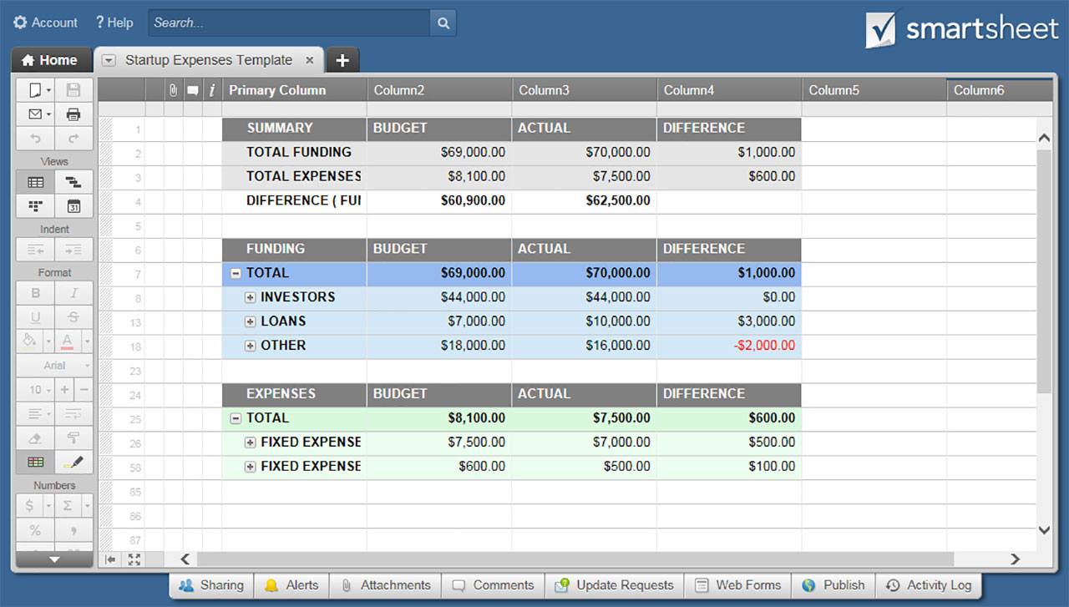
STARTUP EXPENSES TEMPLATE

SUMMARY | BUDGET | ACTUAL | DIFFERENCE
TOTAL FUNDING | $69,000 | $70,000 | $1,000
TOTAL EXPENSES | $8,100 | $7,500 | $600
DIFFERENCE (FUNDING MINUS EXPENSES) | $60,900 | $62,500

FUNDING | BUDGET | ACTUAL | DIFFERENCE
 |  |  | (ACTUAL MINUS BUDGET)
INVESTORS
Investor 1 | $28,000 | $30,000 | $2,000
Investor 2 | $16,000 | $14,000 | $(2,000)
Investor 3 | $- | $- | $-
Investor 4 | $- | $- | $-
 | $44,000 | $44,000
LOANS
Loan 1 | $1,000 | $1,000 | $-
Loan 2 | $1,000 | $1,000 | $-
Loan 3 | $5,000 | $8,000 | $3,000
Loan 4 | $- | $- | $-
 | $7,000 | $10,000
OTHER
Other 1 | $6,000 | $6,000 | $-
Other 2 | $12,000 | $10,000 | $(2,000)
Other 3 | $- | $- | $-
Other 4 | $- | $- | $-
 | $18,000 | $16,000

TOTAL | $69,000 | $70,000

EXPENSES | BUDGET | ACTUAL | DIFFERENCE
 |  |  | (BUDGET MINUS ACTUAL)
FIXED EXPENSES
Branding | $7,500 | $7,000 | $500
Consultations | $- | $- | $-
Contingency Reserve | $- | $- | $-
Décor | $- | $- | $-
Equipment | $- | $- | $-
Furniture | $- | $- | $-
Insurance | $- | $- | $-
Launch Advertising | $- | $- | $-
Legal Fees | $- | $- | $-
Licenses / Permits | $- | $- | $-
Printed Materials | $- | $- | $-
Real Estate / Space Acquisition | $- | $- | $-
Required Filings | $- | $- | $-
Security | $- | $- | $-
Signage | $- | $- | $-
Software | $- | $- | $-
Space Prep | $- | $- | $-
Starting Inventory | $- | $- | $-
Supplies | $- | $- | $-
Technology Hardware | $- | $- | $-
Telephone Set-Up / Launch | $- | $- | $-
Utility Set-Up / Deposits | $- | $- | $-
Web Development | $- | $- | $-
Web Domain | $- | $- | $-
Web Hosting | $- | $- | $-
Working Capital | $- | $- | $-
Other 1 | $- | $- | $-
Other 2 | $- | $- | $-
Other 3 | $- | $- | $-
Other 4 | $- | $- | $-
Other 5 | $- | $- | $-
 | $7,500 | $7,000
FIXED EXPENSES
Account Fees | $600 | $500 | $100
Accounting Fees | $- | $- | $-
Advertising - Print | $- | $- | $-
Advertising - Radio, TV, Podcasts | $- | $- | $-
Advertising - Web | $- | $- | $-
Benefits | $- | $- | $-
Equipment - Further Purchases | $- | $- | $-
Insurance | $- | $- | $-
Lease / Rent | $- | $- | $-
Legal Fees | $- | $- | $-
Loan Interest and Principal | $- | $- | $-
Owner Salaries | $- | $- | $-
Payroll | $- | $- | $-
Payroll Tax | $- | $- | $-
Postage / Shipping | $- | $- | $-
Security | $- | $- | $-
Supplies | $- | $- | $-
Telephone | $- | $- | $-
Utilities | $- | $- | $-
Web - Hosting | $- | $- | $-
Web - Maintenance | $- | $- | $-
Other 1 | $- | $- | $-
Other 2 | $- | $- | $-
Other 3 | $- | $- | $-
Other 4 | $- | $- | $-
Other 5 | $- | $- | $-
 | $600 | $500

TOTAL | $8,100 | $7,500

CLICK HERE TO CREATE STARTUP EXPENSES TEMPLATES IN SMARTSHEET

