Software Migration Plan
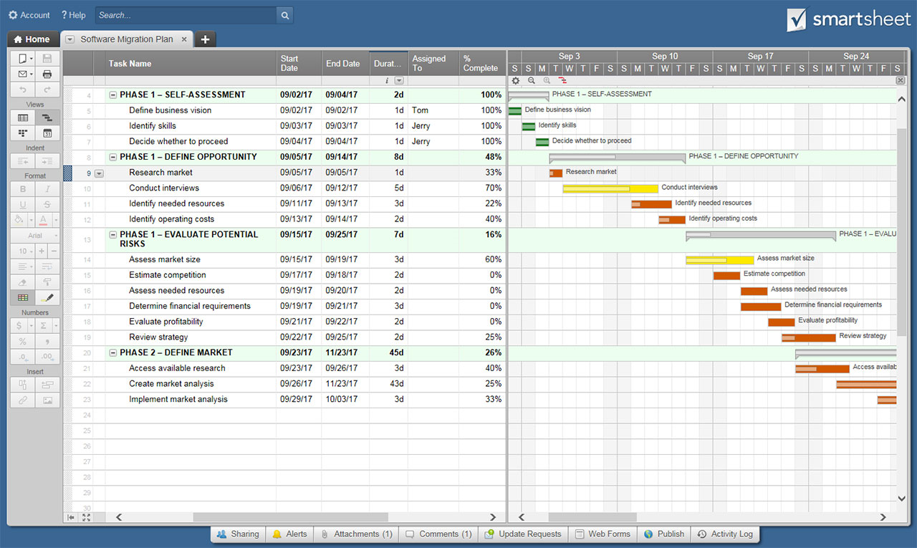
SOFTWARE MIGRATION PLAN TEMPLATE

 | START | DURATION (days)
PHASE 1 – SELF-ASSESSMENT
Define business vision | 2018-09-02 | 1
Identify skills | 2018-09-03 | 1
Decide whether to proceed | 2018-09-04 | 1
PHASE 1 – DEFINE OPPORTUNITY
Research market | 2018-09-05 | 1
Conduct interviews | 2018-09-06 | 5
Identify needed resources | 2018-09-11 | 3
Identify operating costs | 2018-09-13 | 2
PHASE 1 – EVALUATE POTENTIAL RISKS
Assess market size | 2018-09-15 | 3
Estimate competition | 2018-09-17 | 2
Assess needed resources | 2018-09-18 | 2
Determine financial requirements | 2018-09-19 | 3
Evaluate profitability | 2018-09-21 | 2
Review strategy | 2018-09-22 | 2
PHASE 2 – DEFINE MARKET
Access available research | 2018-09-23 | 3
Create market analysis | 2018-09-26 | 4
Implement market analysis | 2018-09-29 | 3
Project Name
TASK NAME | START | END | DURATION (days) | TASK OWNER | PERCENT OF TASK COMPLETE
PHASE 1 – SELF-ASSESSMENT
Define business vision | 2018-09-02 | 2018-09-02 | 1 |  | 100%
Identify skills | 2018-09-03 | 2018-09-03 | 1 |  | 100%
Decide whether to proceed | 2018-09-04 | 2018-09-04 | 1 |  | 100%
PHASE 1 – DEFINE OPPORTUNITY
Research market | 2018-09-05 | 2018-09-05 | 1 |  | 33%
Conduct interviews | 2018-09-06 | 2018-09-10 | 5 |  | 70%
Identify needed resources | 2018-09-11 | 2018-09-13 | 3 |  | 22%
Identify operating costs | 2018-09-13 | 2018-09-14 | 2 |  | 40%
PHASE 1 – EVALUATE POTENTIAL RISKS
Assess market size | 2018-09-15 | 2018-09-17 | 3 |  | 60%
Estimate competition | 2018-09-17 | 2018-09-18 | 2 |  | 0%
Assess needed resources | 2018-09-18 | 2018-09-19 | 2 |  | 0%
Determine financial requirements | 2018-09-19 | 2018-09-21 | 3 |  | 0%
Evaluate profitability | 2018-09-21 | 2018-09-22 | 2 |  | 0%
Review strategy | 2018-09-22 | 2018-09-23 | 2 |  | 25%
PHASE 2 – DEFINE MARKET
Access available research | 2018-09-23 | 2018-09-25 | 3 |  | 40%
Create market analysis | 2018-09-26 | 2018-09-29 | 4 |  | 25%
Implement market analysis | 2018-09-29 | 2018-10-01 | 3 |  | 33%

 |  | CLICK HERE TO CREATE SOFTWARE MIGRATION PLAN TEMPLATES IN SMARTSHEET

