Inventory - Software
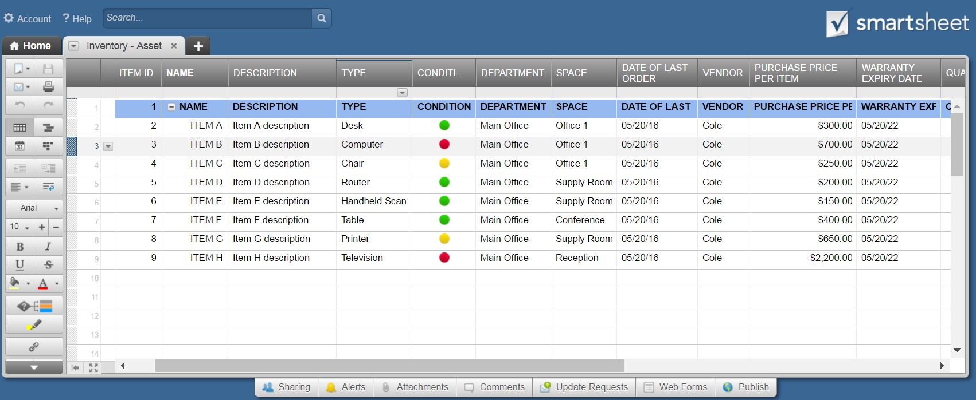
INVENTORY - SOFTWARE
 |  |  |  |  |  |  |  | TOTAL SOFTWARE INVENTORY VALUE
 |  |  |  |  |  |  |  | $3,500.00 | *Based upon TOTAL VALUE fields, below.

SOFTWARE |  |  |  |  |  | PURCHASE |  |  |  |  |  | LICENSING
ITEM NO. | NAME | DESCRIPTION | VERSION | DEVELOPER | TYPE | DATE OF LAST ORDER | VENDOR | DEPARTMENT USAGE | PURCHASE PRICE PER ITEM | QUANTITY | TOTAL VALUE | WEB LINK | LICENSE EXPIRY DATE | SERIAL NO. / PASSCODE | LICENSE QUANTITY | QUANTITY USED | QUANTITY REMAINING
A123 | ITEM A | Item A description | 15.1.2 | CompSoft X2 | Design | 2016-05-20 | Cole | Art | $600.00 | 1 | $600.00 | www.compsoftX2.com | 2022-05-20 | XX-3455-MT2-J221 | 20 | 10 | 10
B123 | ITEM B | Item B description | 15.1.2 | CompSoft X2 | Office Management | 2016-05-20 | Cole | All | $200.00 | 3 | $600.00 | www.compsoftX2.com | None | XX-3455-MT2-J222 | 10 | 9 | 1
C123 | ITEM C | Item C description | 15.1.2 | CompSoft X2 | Accounting | 2016-05-20 | Cole | Finance | $100.00 | 4 | $400.00 | www.compsoftX2.com | 2022-05-20 | XX-3455-MT2-J223 | 20 | 8 | 12
D123 | ITEM D | Item D description | 15.1.2 | CompSoft X2 | Code Generator | 2016-05-20 | Cole | Tech | $200.00 | 1 | $200.00 | www.compsoftX2.com | None | XX-3455-MT2-J224 | 10 | 7 | 3
E123 | ITEM E | Item E description | 15.1.2 | CompSoft X2 | Design | 2016-05-20 | Cole | Art | $600.00 | 2 | $1,200.00 | www.compsoftX2.com | 2022-05-20 | XX-3455-MT2-J225 | 20 | 10 | 10
F123 | ITEM F | Item F description | 15.1.2 | CompSoft X2 | Office Management | 2016-05-20 | Cole | All | $200.00 | 1 | $200.00 | www.compsoftX2.com | None | XX-3455-MT2-J226 | 10 | 9 | 1
G123 | ITEM G | Item G description | 15.1.2 | CompSoft X2 | Accounting | 2016-05-20 | Cole | Finance | $100.00 | 1 | $100.00 | www.compsoftX2.com | 2022-05-20 | XX-3455-MT2-J227 | 20 | 8 | 12
H123 | ITEM H | Item H description | 15.1.2 | CompSoft X2 | Code Generator | 2016-05-20 | Cole | Tech | $200.00 | 1 | $200.00 | www.compsoftX2.com | None | XX-3455-MT2-J228 | 10 | 7 | 3
 |  |  |  |  |  |  |  |  |  |  | $0.00 |  |  |  |  |  | 0
 |  |  |  |  |  |  |  |  |  |  | $0.00 |  |  |  |  |  | 0
 |  |  |  |  |  |  |  |  |  |  | $0.00 |  |  |  |  |  | 0
 |  |  |  |  |  |  |  |  |  |  | $0.00 |  |  |  |  |  | 0
 |  |  |  |  |  |  |  |  |  |  | $0.00 |  |  |  |  |  | 0
 |  |  |  |  |  |  |  |  |  |  | $0.00 |  |  |  |  |  | 0
 |  |  |  |  |  |  |  |  |  |  | $0.00 |  |  |  |  |  | 0
 |  |  |  |  |  |  |  |  |  |  | $0.00 |  |  |  |  |  | 0
 |  |  |  |  |  |  |  |  |  |  | $0.00 |  |  |  |  |  | 0
 |  |  |  |  |  |  |  |  |  |  | $0.00 |  |  |  |  |  | 0
 |  |  |  |  |  |  |  |  |  |  | $0.00 |  |  |  |  |  | 0
 |  |  |  |  |  |  |  |  |  |  | $0.00 |  |  |  |  |  | 0
 |  |  |  |  |  |  |  |  |  |  | $0.00 |  |  |  |  |  | 0
 |  |  |  |  |  |  |  |  |  |  | $0.00 |  |  |  |  |  | 0
 |  |  |  |  |  |  |  |  |  |  | $0.00 |  |  |  |  |  | 0
 |  |  |  |  |  |  |  |  |  |  | $0.00 |  |  |  |  |  | 0
 |  |  |  |  |  |  |  |  |  |  | $0.00 |  |  |  |  |  | 0
 |  |  |  |  |  |  |  |  |  |  | $0.00 |  |  |  |  |  | 0
 |  |  |  |  |  |  |  |  |  |  | $0.00 |  |  |  |  |  | 0
 |  |  |  |  |  |  |  |  |  |  | $0.00 |  |  |  |  |  | 0
 |  |  |  |  |  |  |  |  |  |  | $0.00 |  |  |  |  |  | 0
 |  |  |  |  |  |  |  |  |  |  | $0.00 |  |  |  |  |  | 0
 |  |  |  |  |  |  |  |  |  |  | $0.00 |  |  |  |  |  | 0
 |  |  |  |  |  |  |  |  |  |  | $0.00 |  |  |  |  |  | 0
 |  |  |  |  |  |  |  |  |  |  | $0.00 |  |  |  |  |  | 0
 |  |  |  |  |  |  |  |  |  |  | $0.00 |  |  |  |  |  | 0

Create a Software Inventory Tracking Template with Smartsheet

