School Construction Timeline
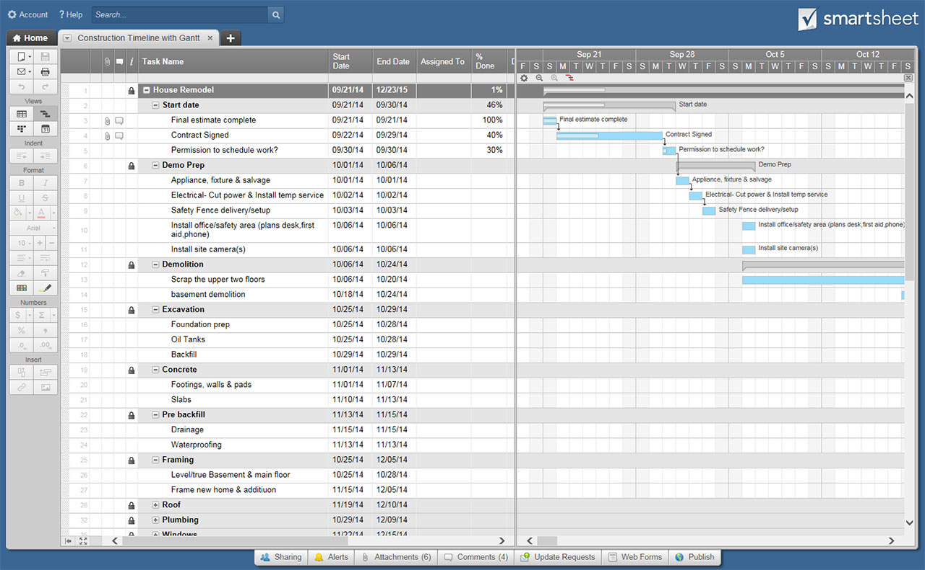
TODAY
SCHOOL CONSTRUCTION TIMELINE TEMPLATE

PROJECT NAME |  | PROJECT MANAGER |  |  | START DATE
 |  |  |  |  | 2021-06-07 | <--Enter date of Monday of first week.

WBS | TASK NAME | START DATE | FINISH DATE | DURATION IN DAYS | PERCENTAGE COMPLETE | 2021-06-07 |  |  |  |  | 2021-06-14 |  |  |  |  | 2021-06-21 |  |  |  |  | 2021-06-28 |  |  |  |  | 2021-07-05 |  |  |  |  | 2021-07-12 |  |  |  |  | 2021-07-19 |  |  |  |  | 2021-07-26 |  |  |  |  | 2021-08-02 |  |  |  |  | 2021-08-09 |  |  |  |  | 2021-08-16 |  |  |  |  | 2021-08-23 |  |  |  |  | 2021-08-30 |  |  |  |  | 2021-09-06 |  |  |  |  | 2021-09-13 |  |  |  |  | 2021-09-20 |  |  |  |  | 2021-09-27 |  |  |  |  | 2021-10-04 |  |  |  |  | 2021-10-11 |  |  |  |  | 2021-10-18 |  |  |  |  | 2021-10-25 |  |  |  |  | 2021-11-01 |  |  |  |  | 2021-11-08 |  |  |  |  | 2021-11-15 |  |  |  |  | 2021-11-22 |  |  |  |  | 2021-11-29 |  |  |  |  | 2021-12-06 |  |  |  |  | 2021-12-13
 |  |  |  |  |  | M | T | W | R | F | M | T | W | R | F | M | T | W | R | F | M | T | W | R | F | M | T | W | R | F | M | T | W | R | F | M | T | W | R | F | M | T | W | R | F | M | T | W | R | F | M | T | W | R | F | M | T | W | R | F | M | T | W | R | F | M | T | W | R | F | M | T | W | R | F | M | T | W | R | F | M | T | W | R | F | M | T | W | R | F | M | T | W | R | F | M | T | W | R | F | M | T | W | R | F | M | T | W | R | F | M | T | W | R | F | M | T | W | R | F | M | T | W | R | F | M | T | W | R | F | M | T | W | R | F | M | T | W | R | F | M | T | W | R | F
1 | Contracts/Bids
1.1 |  | 2021-05-01 | 2021-05-02 | 2 | 100%
1.2 |  | 2021-05-02 | 2021-05-05 | 4 | 50%
1.3 |  |  |  | 1 | 20%
1.4 |  |  |  | 1 | 5%
1.5 |  |  |  | 1 | 0%
1.6 |  |  |  | 1 | 0%
1.7 |  |  |  | 1 | 0%
1.8 |  |  |  | 1 | 0%
1.9 |  |  |  | 1 | 0%
1.10. |  |  |  | 1 | 0%
2 | Permits/Inspections
3 | Site Preparation
4 | Foundation
4.1 |  |  |  | 1 | 0%
4.2 |  |  |  | 1 | 0%
4.3 |  |  |  | 1 | 0%
4.4 |  |  |  | 1 | 0%
4.5 |  |  |  | 1 | 0%
4.6 |  |  |  | 1 | 0%
4.7 |  |  |  | 1 | 0%
4.8 |  |  |  | 1 | 0%
4.9 |  |  |  | 1 | 0%
4.10. |  |  |  | 1 | 0%
5 | Framing
6 | Roof
7 | Exterior Finishes
8 | Landscaping
9 | Flooring
10 | Paint
11 | Electrical/Plumbing/ HVAC
12 | Drywall/Insulation
13 | Classrooms
14 | Hallways
15 | Common Areas
16 | Final Closeout
17 | Other

 | CLICK HERE TO CREATE SCHOOL CONSTRUCTION TIMELINE TEMPLATES IN SMARTSHEET

