Sales Receipt
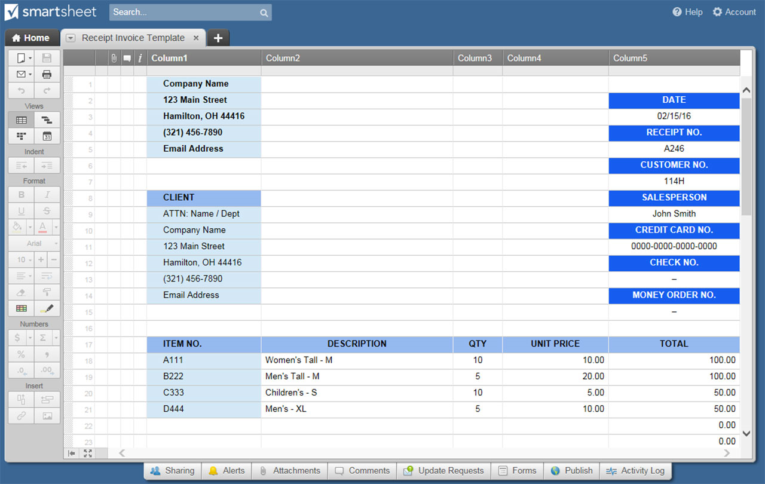
SALES RECEIPT TEMPLATE
LOGO |  |  |  | SALES RECEIPT
Company Name |  |  |  | DATE
123 Main Street |  |  |  | 2020-10-18
Hamilton, OH 44416 |  |  |  | RECEIPT NO.
(321) 456-7890 |  |  |  | A246
Email Address |  |  |  | CUSTOMER NO.
 |  |  |  | 114H

CLIENT |  |  | SALESPERSON
ATTN: Name / Dept |  |  | John Smith
Company Name |  |  | CREDIT CARD NO.
123 Main Street |  |  | 0000-0000-0000-0000
Hamilton, OH 44416 |  |  | CHECK NO.
(321) 456-7890 |  |  | –
Email Address |  |  | MONEY ORDER NO.
 |  |  | –

ITEM NO. | DESCRIPTION |  | QTY | UNIT PRICE | TOTAL
A111 | Women's Tall - M |  | 10 | $10.00 | $100.00
B222 | Men's Tall - M |  | 5 | $20.00 | $100.00
C333 | Children's - S |  | 10 | $5.00 | $50.00
D444 | Men's - XL |  | 5 | $10.00 | $50.00
 |  |  |  |  | $-
 |  |  |  |  | $-
 |  |  |  |  | $-
 |  |  |  |  | $-
 |  |  |  |  | $-
Remarks / Instructions: |  |  | SUBTOTAL |  | $300.00
 |  |  | TAX RATE |  | 3.800%
 |  |  | TAX (3.8%) |  | $11.40
 |  |  | SHIPPING/HANDLING |  | $30.00
Please make check payable to Your Company Name. |  |  | OTHER |  | $15.00
THANK YOU |  |  | TOTAL |  | $356.40

CASH |  | CREDIT CARD | MONEY ORDER
For questions concerning this receipt, please contact Name, (321) 456-7890, Email Address
www.yourwebaddress.com

CLIENT |  |  | SALES RECEIPT
ATTN: Name / Dept
Company Name |  |  |  | DATE
123 Main Street |  |  |  | 2020-10-18
Hamilton, OH 44416 |  |  |  | RECEIPT NO.
 |  |  |  | A246
YOUR COMPANY NAME
123 Main Street, Hamilton, OH 44416 |  |  | AMOUNT RECEIVED $ |  | 356.40
(321) 456-7890
Email Address | www.yourwebaddress.com

CLICK HERE TO CREATE SALES RECEIPT TEMPLATES IN SMARTSHEET

