RFI Response Comparison
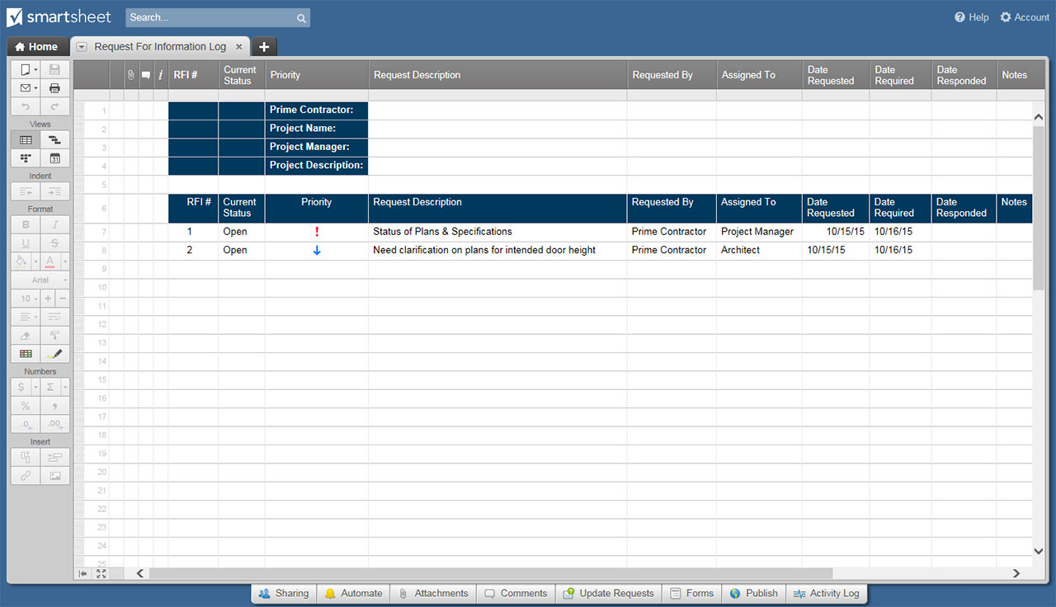
RFI RESPONSE COMPARISON TEMPLATE
RESPONSE ID | REQUIREMENT DESCRIPTION | VENDOR A | VENDOR B | VENDOR C | VENDOR D | VENDOR E | VENDOR F
001 | Requirement Description 1
002 | Requirement Description 2
003 | Requirement Description 3
004 | Requirement Description 4
005 | Requirement Description 5
006 | Requirement Description 6
007 | Requirement Description 7
008 | Requirement Description 8
009 | Requirement Description 9
010 | Requirement Description 10
011 | Requirement Description 11
012 | Requirement Description 12
013 | Requirement Description 13
014 | Requirement Description 14
015 | Requirement Description 15
016 | Requirement Description 16
017 | Requirement Description 17
018 | Requirement Description 18
019 | Requirement Description 19
020 | Requirement Description 20
021 | Requirement Description 21
022 | Requirement Description 22
023 | Requirement Description 23
024 | Requirement Description 24
025 | Requirement Description 25
026 | Requirement Description 26
027 | Requirement Description 27
028 | Requirement Description 28
029 | Requirement Description 29
030 | Requirement Description 30
RECOMMENDATION RANKING |  | 5 | 6 | 2 | 3 | 1 | 4
 |  | VENDOR A | VENDOR B | VENDOR C | VENDOR D | VENDOR E | VENDOR F

CLICK HERE TO CREATE RFI RESPONSE COMPARISON TEMPLATES IN SMARTSHEET

