Purchase Order Template
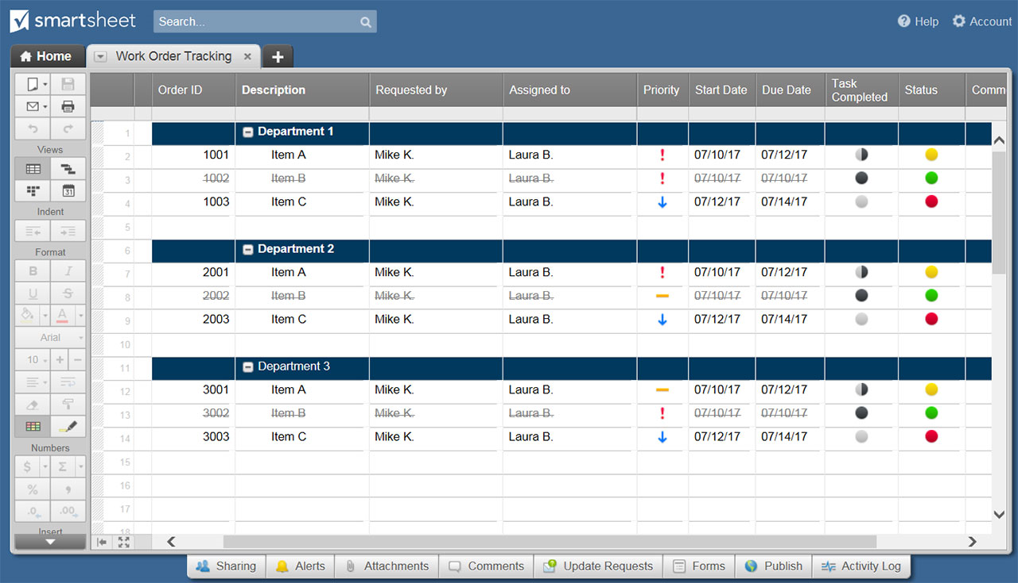
PURCHASE ORDER TEMPLATE
Company Name |  |  |  |  | DATE
123 Main Street |  |  |  |  | 2018-11-14
Hamilton, OH 44416 |  |  |  |  | PURCHASE ORDER NO.
(321) 456-7890 |  |  |  |  | A246
Email Address |  |  |  |  | CUSTOMER NO.
Point of Contact |  |  |  |  | 114H

BILL TO |  |  |  | SHIP TO
ATTN: Name / Dept |  |  |  | ATTN: Name / Dept
Company Name |  |  |  | Company Name
123 Main Street |  |  |  | 123 Main Street
Hamilton, OH 44416 |  |  |  | Hamilton, OH 44416
(321) 456-7890 |  |  |  | (321) 456-7890
Email Address

SHIP VIA | FOB | SHIPPING TERMS |  | PAYMENT |  | DELIVERY DATE

ITEM NO. | DESCRIPTION |  |  | QTY | UNIT PRICE | TOTAL
A111 | Women's Tall - M |  |  | 10 | $10.00 | $100.00
B222 | Men's Tall - M |  |  | 5 | $20.00 | $100.00
C333 | Children's - S |  |  | 10 | $5.00 | $50.00
D444 | Men's - XL |  |  | 5 | $10.00 | $50.00
 |  |  |  |  |  | $-
 |  |  |  |  |  | $-
 |  |  |  |  |  | $-
 |  |  |  |  |  | $-
 |  |  |  |  |  | $-
REMARKS / INSTRUCTIONS |  |  |  |  | SUBTOTAL | $300.00
 |  |  |  | enter tax rate| | TAX RATE % | 3.824%
 |  |  |  |  | TAX | $11.47
 |  |  |  | enter shipping| | S&H | $30.00
Please make check payable to Your Company Name. |  |  |  | enter other cost| | OTHER | $15.00
THANK YOU |  |  |  |  | TOTAL | $356.47

DATE |  |  | AUTHORIZED SIGNATURE
For questions concerning this purchase order, please contact
Name, (321) 456-7890, Email Address
www.yourwebaddress.com

CLICK HERE TO CREATE PURCHASE ORDER TEMPLATES IN SMARTSHEET

