KPI Dashboard
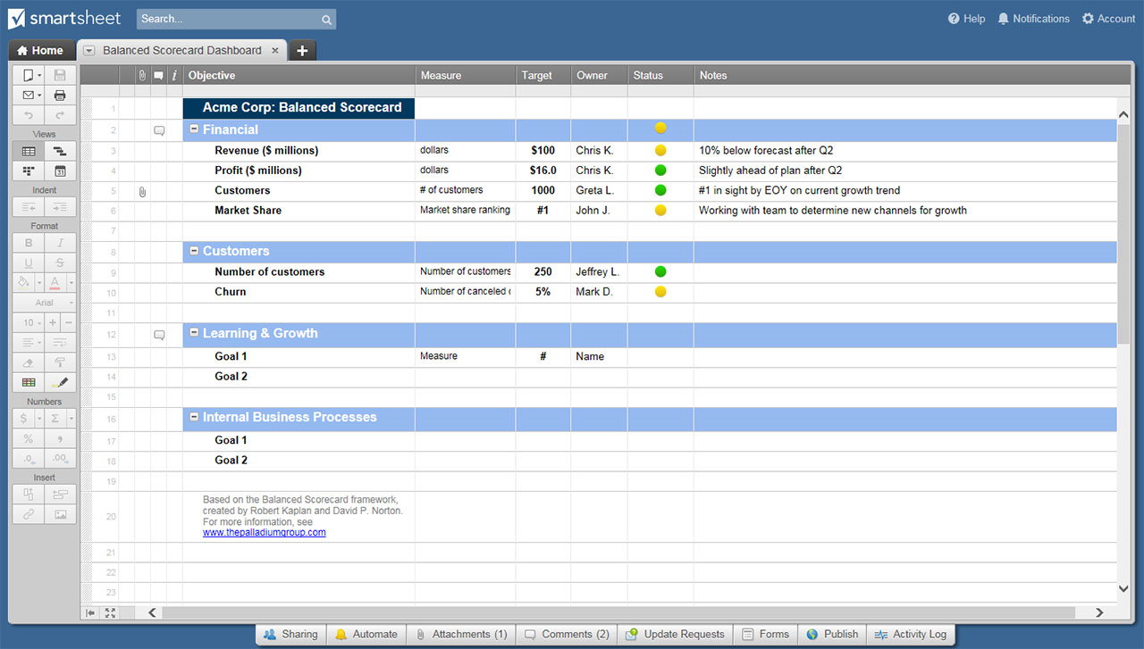
KEY PERFORMANCE INDICATORS DASHBOARD TEMPLATE
COMPANY NAME |  |  |  |  |  |  |  |  |  |  |  | RANK KEY | STATUS KEY
ADDRESS |  |  |  |  |  |  | CITY | STATE |  | ZIP

R A N K |  | P R O G R E S S |  |  |  |  | Insert your company logo here. |  |  |  |  | TOP | IMPROVING
n | Top 10 KPI | 5 | Performance Improving |  |  |  |  |  |  |  |  | MIDDLE | MAINTAINING
n | Middle 30 KPI | 4 | Performance Staying About The Same |  |  |  |  |  |  |  |  | BOTTOM | DECLINING
n | Bottom 10 KPI | 6 | Performance Declining

FINANCIAL INDICATORS |  |  | PRIOR | CURRENT | RANK | PROGRESS | INTERNAL BUSINESS PROCESS INDICATORS | PRIOR | CURRENT | RANK | PROGRESS

CUSTOMER INDICATORS |  |  | PRIOR | CURRENT | RANK | PROGRESS | LEARNING & GROWTH INDICATORS | PRIOR | CURRENT | RANK | PROGRESS

 | CLICK HERE TO CREATE YOUR KEY PERFORMANCE INDICATORS DASHBOARD TEMPLATES IN SMARTSHEET

