Invoice with Partial Payment
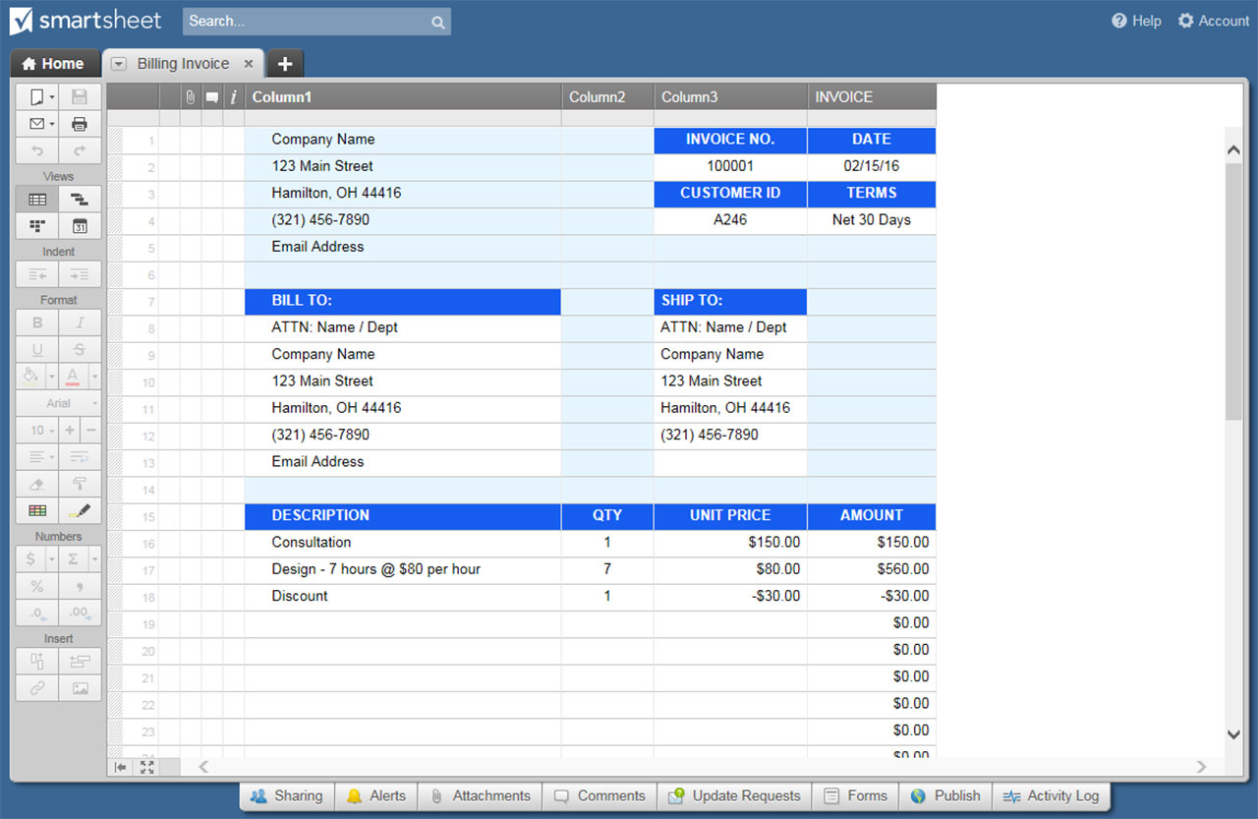
INVOICE WITH PARTIAL PAYMENT

Company Name |  |  |  |  | DATE
123 Main Street |  |  |  |  | 2018-03-15
Hamilton, OH 44416 |  |  |  |  | INVOICE NO.
(321) 456-7890 |  |  |  |  | A246
Email Address |  |  |  |  | CUSTOMER NO.
Point of Contact |  |  |  |  | 114H

BILL TO |  |  |  | SHIP TO
ATTN: Name / Dept |  |  |  | ATTN: Name / Dept
Company Name |  |  |  | Company Name
123 Main Street |  |  |  | 123 Main Street
Hamilton, OH 44416 |  |  |  | Hamilton, OH 44416
(321) 456-7890 |  |  |  | (321) 456-7890
Email Address

P.O. NO. | SHIP DATE | SHIP VIA | SALESPERSON |  | FOB | TERMS

ITEM NO. | DESCRIPTION |  |  | QTY | UNIT PRICE | TOTAL
A111 | Women's Tall - M |  |  | 10 | $10.00 | $100.00
B222 | Men's Tall - M |  |  | 5 | $20.00 | $100.00
C333 | Children's - S |  |  | 10 | $5.00 | $50.00
D444 | Men's - XL |  |  | 5 | $10.00 | $50.00
 |  |  |  |  |  | $0.00
 |  |  |  |  |  | $0.00
 |  |  |  |  |  | $0.00
 |  |  |  |  |  | $0.00
 |  |  |  |  |  | $0.00
Remarks / Instructions: |  |  |  | SUBTOTAL |  | $300.00
 |  |  |  | TAX RATE | 3.80% | $11.40
 |  |  |  | SHIPPING / HANDLING |  | $30.00
 |  |  |  | OTHER |  | $15.00
 |  |  |  | TOTAL |  | $356.40
Please make check payable to Your Company Name. |  |  |  | AMOUNT PAID |  | $100.00
THANK YOU |  |  |  | TOTAL DUE |  | $256.40

PREVIOUS PAYMENT DETAIL
DATE OF PAYMENT | AMOUNT | PAYMENT METHOD | ADDITIONAL INFORMATION
2018-02-01 | $100.00 | Check

CLICK HERE TO CREATE INVOICE WITH PARTIAL PAYMENT TEMPLATES IN SMARTSHEET

