Enterprise IT Roadmap
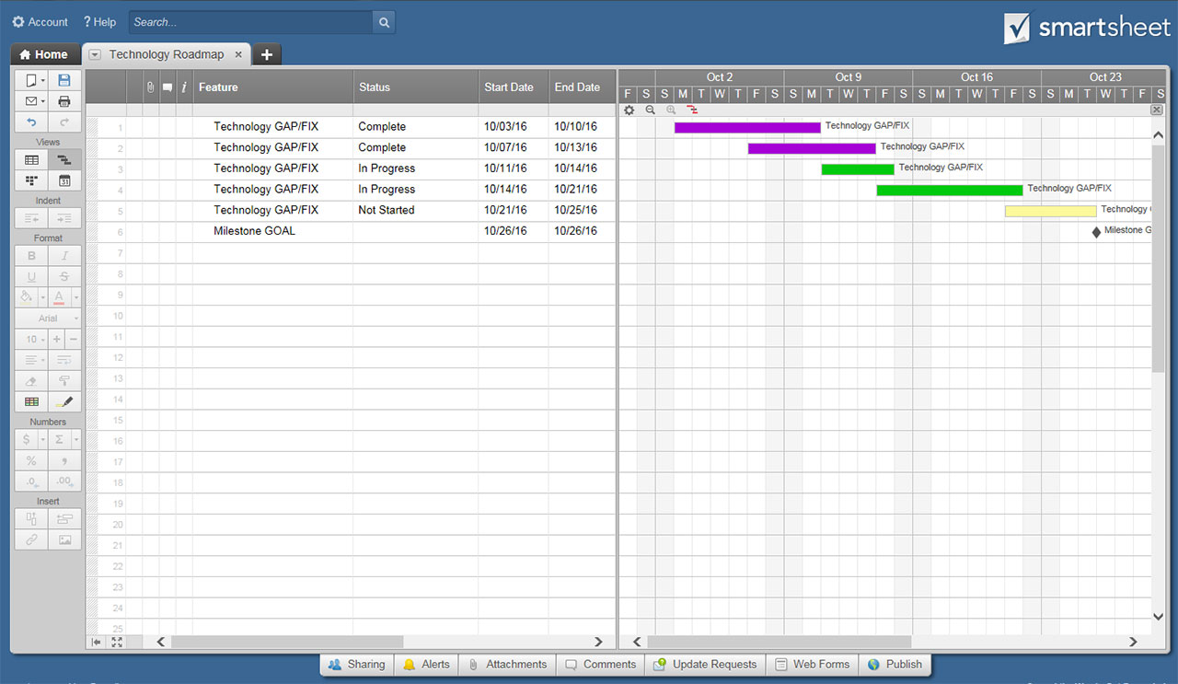
ENTERPRISE IT ROADMAP |  |  |  |  |  |  | 18-MONTH CALENDAR BEGINNING: |  |  |  | Jan-17 | <-- enter month/year
TODAY

Milestone Title • 03/03/2017
 |  | Jan-17 | Feb-17 | Mar-17 | Apr-17 | May-17 | Jun-17 | Jul-17 | Aug-17 | Sep-17 | Oct-17 | Nov-17 | Dec-17 | Jan-18 | Feb-18 | Mar-18 | Apr-18 | May-18 | Jun-18 | Jul-18 | Aug-18 | Sep-18 | Oct-18 | Nov-18 | Dec-18
MILESTONES | LAUNCH

Milestone Title • 004/09/2017
 | ACHIEVEMENTS

Milestone Title • 08/20/2017
 | OTHER

Event / Task Title
EFFICIENCY | TEAM-BUILDING

Event / Task Title
 | INPUT CONSERVATION

Event / Task Title
 | ERROR PREVENTION

Event / Task Title
MAINTENANCE | BACK-END

Event / Task Title
 | FRONT-END

Event / Task Title
 | CRUCIAL

Event / Task Title
OUTPUT | DEVELOPMENT & DESIGN

Event / Task Title
 | TESTING

Event / Task Title
 | SECURITY

Event / Task Title
FINANCIAL | OPERATIONS

Event / Task Title
 | EQUIPMENT

Event / Task Title
 | EFFICIENCY

Event / Task Title
OTHER | OTHER

Event / Task Title
 | OTHER

Event / Task Title
 | OTHER

Event / Task Title
OTHER | OTHER

Event / Task Title
 | OTHER

Event / Task Title
 | OTHER

Event / Task Title
OTHER | OTHER

Event / Task Title
 | OTHER

Event / Task Title
 | OTHER

CLICK HERE TO CREATE YOUR ENTERPRISE IT ROADMAP TEMPLATES IN SMARTSHEET

