Employee Attendance Tracker
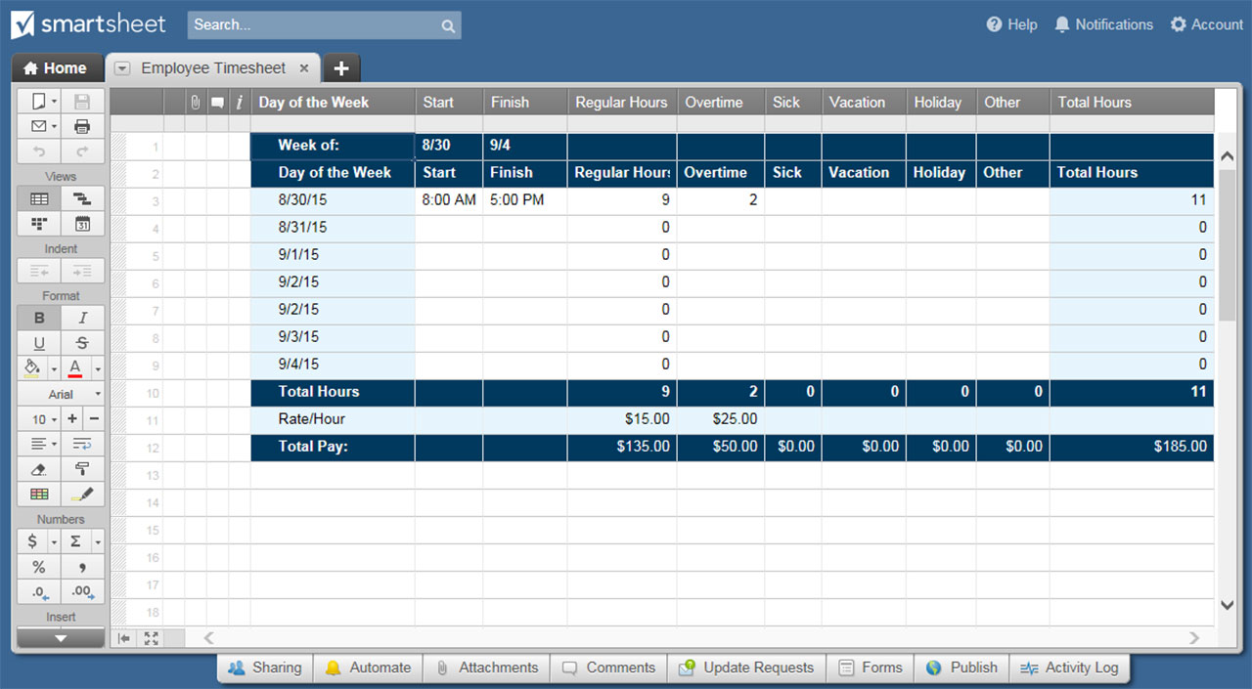
EMPLOYEE ATTENDANCE TRACKER TEMPLATE

LEGEND |  | W | Work Shift |  | V | Vacation |  | P | Personal |  | S | Sick

NOVEMBER | SUN | MON | TUE | WED | THU | FRI | SAT | SUN | MON | TUE | WED | THU | FRI | SAT | SUN | MON | TUE | WED | THU | FRI | SAT | SUN | MON | TUE | WED | THU | FRI | SAT | SUN | MON | TUE | MONTHLY TOTALS |  |  |  | ATTENDANCE KEY
EMPLOYEE NAME | 1 | 2 | 3 | 4 | 5 | 6 | 7 | 8 | 9 | 10 | 11 | 12 | 13 | 14 | 15 | 16 | 17 | 18 | 19 | 20 | 21 | 22 | 23 | 24 | 25 | 26 | 27 | 28 | 29 | 30 | 31 | W | V | P | S
Employee 1 |  |  |  |  |  |  |  |  |  |  |  |  |  |  |  |  |  |  |  |  |  |  |  |  |  |  |  |  |  |  |  | 0 | 0 | 0 | 0 | W
Employee 2 |  |  |  |  |  |  |  |  |  |  |  |  |  |  |  |  |  |  |  |  |  |  |  |  |  |  |  |  |  |  |  | 0 | 0 | 0 | 0 | V
Employee 3 |  |  |  |  |  |  |  |  |  |  |  |  |  |  |  |  |  |  |  |  |  |  |  |  |  |  |  |  |  |  |  | 0 | 0 | 0 | 0 | P
Employee 4 |  |  |  |  |  |  |  |  |  |  |  |  |  |  |  |  |  |  |  |  |  |  |  |  |  |  |  |  |  |  |  | 0 | 0 | 0 | 0 | S
Employee 5 |  |  |  |  |  |  |  |  |  |  |  |  |  |  |  |  |  |  |  |  |  |  |  |  |  |  |  |  |  |  |  | 0 | 0 | 0 | 0
Employee 6 |  |  |  |  |  |  |  |  |  |  |  |  |  |  |  |  |  |  |  |  |  |  |  |  |  |  |  |  |  |  |  | 0 | 0 | 0 | 0
Employee 7 |  |  |  |  |  |  |  |  |  |  |  |  |  |  |  |  |  |  |  |  |  |  |  |  |  |  |  |  |  |  |  | 0 | 0 | 0 | 0
Employee 8 |  |  |  |  |  |  |  |  |  |  |  |  |  |  |  |  |  |  |  |  |  |  |  |  |  |  |  |  |  |  |  | 0 | 0 | 0 | 0
Employee 9 |  |  |  |  |  |  |  |  |  |  |  |  |  |  |  |  |  |  |  |  |  |  |  |  |  |  |  |  |  |  |  | 0 | 0 | 0 | 0
Employee 10 |  |  |  |  |  |  |  |  |  |  |  |  |  |  |  |  |  |  |  |  |  |  |  |  |  |  |  |  |  |  |  | 0 | 0 | 0 | 0
Employee 11 |  |  |  |  |  |  |  |  |  |  |  |  |  |  |  |  |  |  |  |  |  |  |  |  |  |  |  |  |  |  |  | 0 | 0 | 0 | 0
Employee 12 |  |  |  |  |  |  |  |  |  |  |  |  |  |  |  |  |  |  |  |  |  |  |  |  |  |  |  |  |  |  |  | 0 | 0 | 0 | 0
Employee 13 |  |  |  |  |  |  |  |  |  |  |  |  |  |  |  |  |  |  |  |  |  |  |  |  |  |  |  |  |  |  |  | 0 | 0 | 0 | 0
Employee 14 |  |  |  |  |  |  |  |  |  |  |  |  |  |  |  |  |  |  |  |  |  |  |  |  |  |  |  |  |  |  |  | 0 | 0 | 0 | 0
Employee 15 |  |  |  |  |  |  |  |  |  |  |  |  |  |  |  |  |  |  |  |  |  |  |  |  |  |  |  |  |  |  |  | 0 | 0 | 0 | 0
Employee 16 |  |  |  |  |  |  |  |  |  |  |  |  |  |  |  |  |  |  |  |  |  |  |  |  |  |  |  |  |  |  |  | 0 | 0 | 0 | 0
Employee 17 |  |  |  |  |  |  |  |  |  |  |  |  |  |  |  |  |  |  |  |  |  |  |  |  |  |  |  |  |  |  |  | 0 | 0 | 0 | 0
Employee 18 |  |  |  |  |  |  |  |  |  |  |  |  |  |  |  |  |  |  |  |  |  |  |  |  |  |  |  |  |  |  |  | 0 | 0 | 0 | 0
Employee 19 |  |  |  |  |  |  |  |  |  |  |  |  |  |  |  |  |  |  |  |  |  |  |  |  |  |  |  |  |  |  |  | 0 | 0 | 0 | 0
Employee 20 |  |  |  |  |  |  |  |  |  |  |  |  |  |  |  |  |  |  |  |  |  |  |  |  |  |  |  |  |  |  |  | 0 | 0 | 0 | 0
Employee 21 |  |  |  |  |  |  |  |  |  |  |  |  |  |  |  |  |  |  |  |  |  |  |  |  |  |  |  |  |  |  |  | 0 | 0 | 0 | 0
Employee 22 |  |  |  |  |  |  |  |  |  |  |  |  |  |  |  |  |  |  |  |  |  |  |  |  |  |  |  |  |  |  |  | 0 | 0 | 0 | 0
Employee 23 |  |  |  |  |  |  |  |  |  |  |  |  |  |  |  |  |  |  |  |  |  |  |  |  |  |  |  |  |  |  |  | 0 | 0 | 0 | 0
Employee 24 |  |  |  |  |  |  |  |  |  |  |  |  |  |  |  |  |  |  |  |  |  |  |  |  |  |  |  |  |  |  |  | 0 | 0 | 0 | 0

CLICK HERE TO CREATE YOUR EMPLOYEE ATTENDANCE TRACKER IN SMARTSHEET

