Corporate Payroll Check
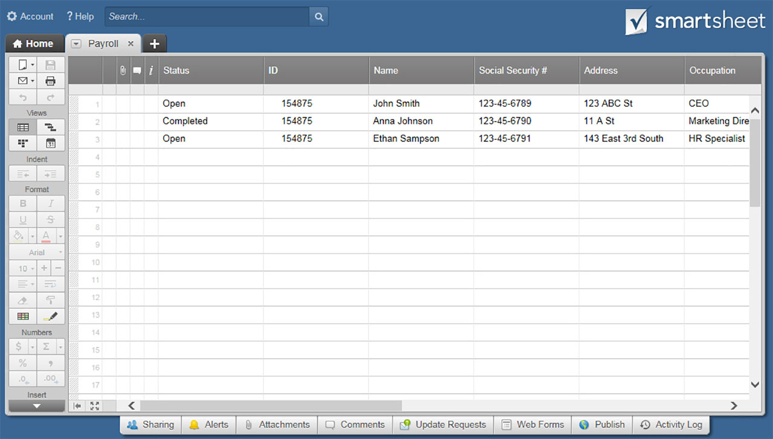
CORPORATE PAYROLL CHECK TEMPLATE

COMPANY NAME

ADDRESS |  |  |  | CITY |  | STATE | ZIP

EMPLOYEE NAME |  | EMPLOYEE NO. | SSN | PAY BEGIN DATE | PAY END DATE | PAY DATE | CHECK NO.

INCOME DESCRIPTION | RATE | HOURS | CURRENT INCOME | YTD INCOME | DEDUCTION DESCRIPTION | CURRENT | YTD
REGULAR PAY | $0.00 | 0.00 | $0.00 |  | FEDERAL TAX
OVERTIME PAY | $0.00 | 0.00 | $0.00 |  | FEDERAL MED TAX
HOLIDAY PAY | $0.00 | 0.00 | $0.00 |  | STATE TAX
VACATION PAY | $0.00 | 0.00 | $0.00 |  | MEDICAL PREMIUM
SICK PAY | $0.00 | 0.00 | $0.00 |  | DENTAL PREMIUM
OTHER | $0.00 | 0.00 | $0.00 |  | 401(K) CONTRIBUTION
OTHER | $0.00 | 0.00 | $0.00 |  | OTHER

YTD INCOME | YTD DEDUCTIONS | YTD NET PAY |  | TOTAL INCOME THIS PERIOD | TOTAL DEDUCTIONS THIS PERIOD | TOTAL NET PAY THIS PERIOD
$0.00 | $0.00 | $0.00 |  | $0.00 | $0.00 | $0.00

CLICK HERE TO CREATE CORPORATE PAY STUB TEMPLATES IN SMARTSHEET

