Progress Payment Backup
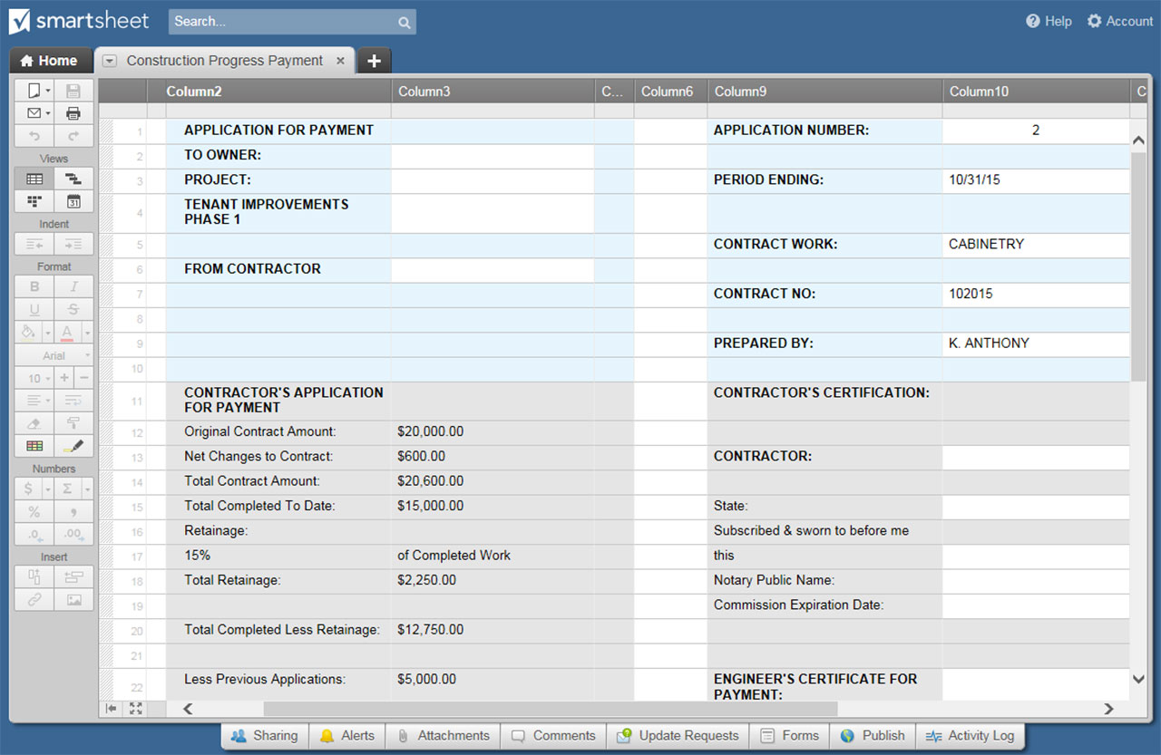
Progress Payment Backup

BID ITEM # | TASK DESCRIPTION | CONTRACTOR OR SUBCONTRACTOR | CONTRACT SUM | WORK COMPLETE (%) | AMOUNT VALUED | CONTRACTOR'S CLAIM | AMOUNT PAYABLE | REASON FOR DIFFERENCE
 | EXCAVATION & EARTHWORK
1.001 | Cut & Fill |  | $1,000.00 | 15% | $150.00 | $150.00 | $150.00 | n/a
1.002 | Removal of Stone/Dirt |  |  |  | $- |  | $- | n/a
1.003 | Trenching For Utility Hookups |  |  |  | $- |  | $- | n/a
1.004 | Foundation Excavation |  |  |  | $- |  | $- | n/a
1.005 | Foundation Footing Drains |  |  |  | $- |  | $- | n/a
1.006 | Curtain Drains |  |  |  | $- |  | $- | n/a
1.007 | Culverts |  |  |  | $- |  | $- | n/a
1.008 | Swales |  |  |  | $- |  | $- | n/a
1.009 | Retaining Walls |  |  |  | $- |  | $- | n/a
1.01 | Ponds |  |  |  | $- |  | $- | n/a
1.011 | Other Site Drainage |  |  |  | $- |  | $- | n/a
1.012 | Backfill |  |  |  | $- |  | $- | n/a
1.013 | Compaction |  |  |  | $- |  | $- | n/a
1.014 | Top Soil |  |  |  | $- |  | $- | n/a
1.015 | Finish Grading |  |  |  | $- |  | $- | n/a
1.016 | Seeding/Sod |  |  |  | $- |  | $- | n/a
 |  |  |  |  |  |  | $150.00
 | FOUNDATION
2.001 | Footings/Pads |  | $500.00 | 15% | $75.00 | $75.00 | $75.00 | n/a
2.002 | Foundation walls/stem walls/grade beams |  |  |  | $- |  | $- | n/a
2.003 | Piers |  |  |  | $- |  | $- | n/a
2.004 | Slabs - Foundation, Basement, Garage |  |  |  | $- |  | $- | n/a
2.005 | Steel Reinforcing |  |  |  | $- |  | $- | n/a
2.006 | Anchor Bolts, Hold Downs |  |  |  | $- |  | $- | n/a
2.007 | Buikheads |  |  |  | $- |  | $- | n/a
2.008 | Sub-Slab Vapor Barrier |  |  |  | $- |  | $- | n/a
2.009 | Sump Pump |  |  |  | $- |  | $- | n/a
2.01 | Crawlspace Vapor Barrier |  |  |  | $- |  | $- | n/a
2.011 | Crawlspace Vents |  |  |  | $- |  | $- | n/a
2.012 | Foundation Windows |  |  |  | $- |  | $- | n/a
2.013 | Damproofing, Water-proofing |  |  |  | $- |  | $- | n/a
2.014 | Foundation Drain Board |  |  |  | $- |  | $- | n/a
2.015 | Slab insulation: Edge/Blow |  |  |  | $- |  | $- | n/a
2.016 | Exterior Foundation Insulation |  |  |  | $- |  | $- | n/a
2.017 | Exterior Insulation Coating/ Protection |  |  |  | $- |  | $- | n/a
 |  |  |  |  |  |  | $75.00
 | OTHER MASONRY/PAVING
3.001 | Patios |  | $500.00 | 10% | $50.00 | $50.00 | $50.00 | n/a
3.002 | Exterior Stairs |  | $500.00 | 5% | $25.00 | $25.00 | $25.00 | n/a
3.003 | Masonry Chimneys |  |  |  | $- |  | $- | n/a
3.004 | Fireplaces/Hearths |  |  |  | $- |  | $- | n/a
3.005 | Driveway |  |  |  | $- |  | $- | n/a
3.006 | Walkways |  |  |  | $- |  | $- | n/a
 |  |  |  |  |  |  | $75.00
 | ROUGH FRAMING
4.001 | Sill & Seal |  | $800.00 | 15% | $120.00 | $120.00 | $120.00 | n/a
4.002 | Steel/Wood Carrying Beam, Lolly Columns |  |  |  | $- |  | $- | n/a
4.003 | Floor Framing |  |  |  | $- |  | $- | n/a
4.004 | Exterior & Interior Walls, Rough Stairs |  |  |  | $- |  | $- | n/a
4.005 | Sheathing, Subflooring |  |  |  | $- |  | $- | n/a
4.006 | Roof Framing/Trusses |  |  |  | $- |  | $- | n/a
4.007 | Subfascia |  |  |  | $- |  | $- | n/a
4.008 | Steel Framing Connectors |  |  |  | $- |  | $- | n/a
4.009 | Nails, Screws, Fasteners |  |  |  | $- |  | $- | n/a
4.01 | Prep for Plaster, Drywall |  |  |  | $- |  | $- | n/a
4.011 | Rough Framing - Labor Only |  |  |  | $- |  | $- | n/a
 |  |  |  |  |  |  | $120.00
 | EXTERIOR
5.001 | Exterior Foam Sheathing |  | $10.00 | 15% | $1.50 | $1.50 | $1.50 | n/a
5.002 | Weather Barrier (Tyvek, etc.) |  |  |  | $- |  | $- | n/a
5.003 | Membrance & Flashing |  |  |  | $- |  | $- | n/a
5.004 | Vinyl or Composite Siding |  |  |  | $- |  | $- | n/a
5.005 | Wood Siding |  |  |  | $- |  | $- | n/a
5.006 | Brick Veneer |  |  |  | $- |  | $- | n/a
5.007 | Stone Veneer |  |  |  | $- |  | $- | n/a
5.008 | Stucco |  |  |  | $- |  | $- | n/a
5.009 | Fascia, Frieze, Corner Boards, Water Table |  |  |  | $- |  | $- | n/a
5.01 | Soffit/Gable Vents |  |  |  | $- |  | $- | n/a
5.011 | Window/Door Trim |  |  |  | $- |  | $- | n/a
5.012 | Other Exterior Trim |  |  |  | $- |  | $- | n/a
5.013 | Exterior Paint, Stain, Caulk |  |  |  | $- |  | $- | n/a
5.014 | Exterior, labor-only |  |  |  | $- |  | $- | n/a
 |  |  |  |  |  |  | $1.50
 | WINDOWS/EXTERIOR DOORS
6.001 | Membrane & Flashing |  | $10.00 | 15% | $1.50 | $1.50 | $1.50 | n/a
6.002 | Exterior doors, prehung |  |  |  | $- |  | $- | n/a
6.003 | Exterior door slabs |  |  |  | $- |  | $- | n/a
6.004 | Exterior door frames, sills |  |  |  | $- |  | $- | n/a
6.005 | Sidelights, transoms |  |  |  | $- |  | $- | n/a
6.006 | Locksets, knobs, door hardware |  |  |  | $- |  | $- | n/a
6.007 | Patio doors: sliding or hinged |  |  |  | $- |  | $- | n/a
6.008 | Windows |  |  |  | $- |  | $- | n/a
6.009 | Garage Doors & Opener |  |  |  | $- |  | $- | n/a
 |  |  |  |  |  |  | $1.50
 | PLUMBING
7.001 | Drain/Waste/Vent |  | $10.00 | 15% | $1.50 | $10.00 | FALSE | n/a
7.002 | Water Supply Piping |  |  |  | $- |  | $- | n/a
7.003 | Gas Piping |  |  |  | $- |  | $- | n/a
7.004 | Water Treatment |  |  |  | $- |  | $- | n/a
7.005 | Water Heater |  |  |  | $- |  | $- | n/a
7.006 | Fixtures: Toilets, Tubs, Sinks, Showers |  |  |  | $- |  | $- | n/a
7.007 | Faucets, Mixing Valves, Shower Heads |  |  |  | $- |  | $- | n/a
7.008 | Disposal |  |  |  | $- |  | $- | n/a
 |  |  |  |  |  |  | $-
 | ELECTRICAL
8.001 | Service, Panel, Sub-Panels |  | $10.00 | 15% | $1.50 | $10.00 | FALSE | n/a
8.002 | Rough Wiring |  |  |  | $- |  | $- | n/a
8.003 | Phone, Cable, Internet Wiring |  |  |  | $- |  | $- | n/a
8.004 | Lighting Fixtures |  |  |  | $- |  | $- | n/a
8.005 | Low-Voltage Fixtures/Transformers |  |  |  | $- |  | $- | n/a
8.006 | Exterior Lighting |  |  |  | $- |  | $- | n/a
8.007 | Devices: outlets, switches, dimmers |  |  |  | $- |  | $- | n/a
8.008 | Lighting control system |  |  |  | $- |  | $- | n/a
8.009 | Doorbell System |  |  |  | $- |  | $- | n/a
8.01 | Smoke, CO2 Alarms |  |  |  | $- |  | $- | n/a
8.011 | Intercom system |  |  |  | $- |  | $- | n/a
8.012 | Security system |  |  |  | $- |  | $- | n/a
8.013 | Home theater/Entertainment |  |  |  | $- |  | $- | n/a
 |  |  |  |  |  |  | $-
 | HVAC
9.001 | Furnace/Heat Pump |  | $10.00 | 15% | $1.50 | $10.00 | FALSE | n/a
9.002 | Central AC |  |  |  | $- |  | $- | n/a
9.003 | Air Handler |  |  |  | $- |  | $- | n/a
9.004 | Ductwork, Grilles, Registers |  |  |  | $- |  | $- | n/a
9.005 | Air Filter |  |  |  | $- |  | $- | n/a
9.006 | Boiler, Piping |  |  |  | $- |  | $- | n/a
9.007 | Radiators |  |  |  | $- |  | $- | n/a
9.008 | Whole-House Ventilation (HRV, ERV, Exhaust Only, Other) |  |  |  | $- |  | $- | n/a
9.009 | HVAC Controls |  |  |  | $- |  | $- | n/a
9.01 | Solar hot water |  |  |  | $- |  | $- | n/a
 |  |  |  |  |  |  | $-
 | INSULATION & AIR-SEALING
10.001 | Roof/Attic Insulation |  | $10.00 | 15% | $1.50 | $10.00 | FALSE | n/a
10.002 | Roof/Eave Baffles |  |  |  | $- |  | $- | n/a
10.003 | Wall Cavity Insulation |  |  |  | $- |  | $- | n/a
10.004 | Foam Board Insulation |  |  |  | $- |  | $- | n/a
10.005 | Spray Foam Insulation |  |  |  | $- |  | $- | n/a
10.006 | Basement Insulation |  |  |  | $- |  | $- | n/a
10.007 | Crawlspace Insulation |  |  |  | $- |  | $- | n/a
10.008 | Air Sealing |  |  |  | $- |  | $- | n/a
10.009 | Energy Diagnostics (Blower Door, Infrared) |  |  |  | $- |  | $- | n/a
 |  |  |  |  |  |  | $-
 | DRYWALL/PLASTER
11.001 | Walls |  | $10.00 | 15% | $1.50 | $10.00 | FALSE | n/a
11.002 | Ceilings, Soffits |  |  |  | $- |  | $- | n/a
11.003 | Decorative Plaster |  |  |  | $- |  | $- | n/a
11.004 | Drywall Labor Only |  |  |  | $- |  | $- | n/a
 |  |  |  |  |  |  | $-
 | INTERIOR FINISH
12.001 | Interior Doors, prehung |  | $10.00 | 15% | $1.50 | $10.00 | FALSE | n/a
12.002 | Interior Door slabs |  |  |  | $- |  | $- | n/a
12.003 | Interior Door frames, thresholds |  |  |  | $- |  | $- | n/a
12.004 | Door knobs, hardware |  |  |  | $- |  | $- | n/a
12.005 | Chair Rail, Other |  |  |  | $- |  | $- | n/a
12.006 | Wainscotting, Paneling |  |  |  | $- |  | $- | n/a
12.007 | Built-in Shelving, Cabinets |  |  |  | $- |  | $- | n/a
12.008 | Closet Shelving, Hardware |  |  |  | $- |  | $- | n/a
12.009 | Stairs, Railings, Newels |  |  |  | $- |  | $- | n/a
12.01 | Interior Painting, Staining |  |  |  | $- |  | $- | n/a
12.011 | Wood Flooring |  |  |  | $- |  | $- | n/a
12.012 | Carpeting |  |  |  | $- |  | $- | n/a
12.013 | Resilient/Vinyl Flooring |  |  |  | $- |  | $- | n/a
12.014 | Other Flooring |  |  |  | $- |  | $- | n/a
12.015 | Acoustical, Metal, Decorative Ceilings |  |  |  | $- |  | $- | n/a
12.016 | Interior Carpentry Labor Only |  |  |  | $- |  | $- | n/a
 |  |  |  |  |  |  | $-
 | KITCHEN & BATH
13.001 | Kitchen Cabinets |  | $10.00 | 15% | $1.50 | $10.00 | FALSE | n/a
13.002 | Bath Cabinets |  |  |  | $- |  | $- | n/a
13.003 | Cabinet Pulls, Hardware |  |  |  | $- |  | $- | n/a
13.004 | Countertop, Backsplash |  |  |  | $- |  | $- | n/a
13.005 | Ceramic Tile, Stone |  |  |  | $- |  | $- | n/a
13.006 | Raised Tub Platform |  |  |  | $- |  | $- | n/a
13.007 | Tub Enclosure |  |  |  | $- |  | $- | n/a
13.008 | Shower enclosure/doors |  |  |  | $- |  | $- | n/a
13.009 | Medicine Cabinets |  |  |  | $- |  | $- | n/a
13.01 | Mirrors |  |  |  | $- |  | $- | n/a
13.011 | Towel hangers, toilet paper holders, accessories |  |  |  | $- |  | $- | n/a
13.012 | K&B Labor Only |  |  |  | $- |  | $- | n/a
 |  |  |  |  |  |  | $-
 | PORCHES & DECKS
14.001 | Open Porch |  | $10.00 | 15% | $1.50 | $10.00 | FALSE | n/a
14.002 | Screen Porch |  |  |  |  |  | $- | n/a
14.003 | Wood or Composite Deck |  |  |  |  |  | $- | n/a
14.004 | Fencing |  |  |  |  |  | $- | n/a
 |  |  |  |  |  |  | $-
 | APPLIANCES
15.001 | Refrigerator |  | $10.00 | 15% | $1.50 | $10.00 | FALSE | n/a
15.002 | Range, Cooktop |  |  |  |  |  | $- | n/a
15.003 | Microwave |  |  |  |  |  | $- | n/a
15.004 | Range Hood |  |  |  |  |  | $- | n/a
15.005 | Dishwasher |  |  |  |  |  | $- | n/a
15.006 | Washer/Dryer |  |  |  |  |  | $- | n/a
 |  |  |  |  |  |  | $-

 | TOTAL |  |  |  |  |  | $423.00

CREATE YOUR CONSTRUCTION PROGRESS PAYMENT TEMPLATE IN SMARTSHEET

