Annual Marketing Calendar
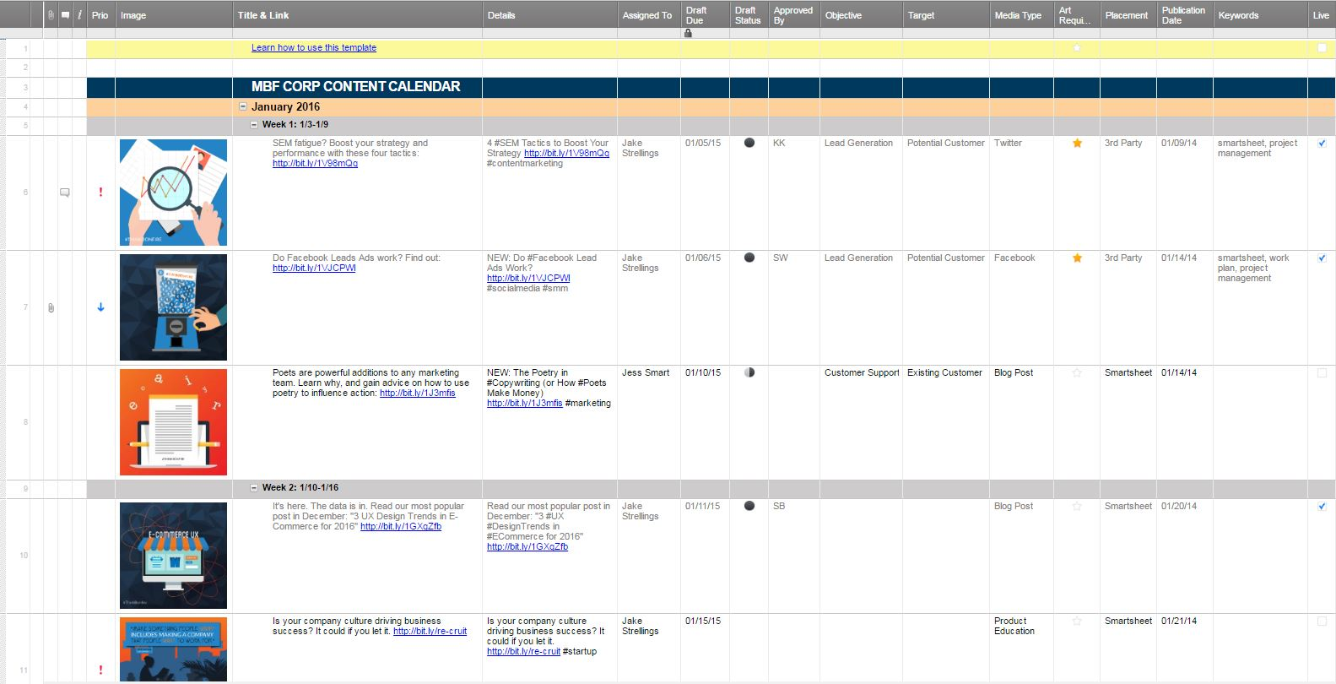
COMMUNICATIONS STRATEGY PLANNING CALENDAR
 | Q1 |  |  |  |  |  |  |  |  |  |  |  |  |  |  | Q2 |  |  |  |  |  |  |  |  |  |  |  |  |  |  | Q3 |  |  |  |  |  |  |  |  |  |  |  |  |  |  | Q4
 | JANUARY |  |  |  |  | FEBRUARY |  |  |  |  | MARCH |  |  |  |  | APRIL |  |  |  |  | MAY |  |  |  |  | JUNE |  |  |  |  | JULY |  |  |  |  | AUGUST |  |  |  |  | SEPTEMBER |  |  |  |  | OCTOBER |  |  |  |  | NOVEMBER |  |  |  |  | DECEMBER
Enter date of first Monday each month | 4 | 11 | 18 | 25 | - | 1 | 8 | 15 | 22 | 29 | 7 | 14 | 21 | 28 | - | 4 | 11 | 18 | 25 | - | 2 | 9 | 16 | 23 | 30 | 6 | 13 | 20 | 27 | - | 4 | 11 | 18 | 25 | - | 1 | 8 | 15 | 22 | 29 | 5 | 12 | 19 | 26 | - | 3 | 10 | 17 | 24 | 31 | 7 | 14 | 21 | 28 | - | 5 | 12 | 19 | 26 | -
Sales Goal
Sales Actual
National Marketing
Banner Ads
Local Marketing
Newspaper
In-Store Marketing
POP
Public Relations
Events
Sponsorships
Press Releases
Social Media
Twitter
Facebook
Pinterest
Online
Blog
Website
Mobile App
Mobile Alerts
Advertising
Online
Print
Outdoor
Radio
Television
Market Research
Surveys
Impact Studies

Click Here to Create an Annual Calendar with Smartsheet

