Weeks 1 and 2
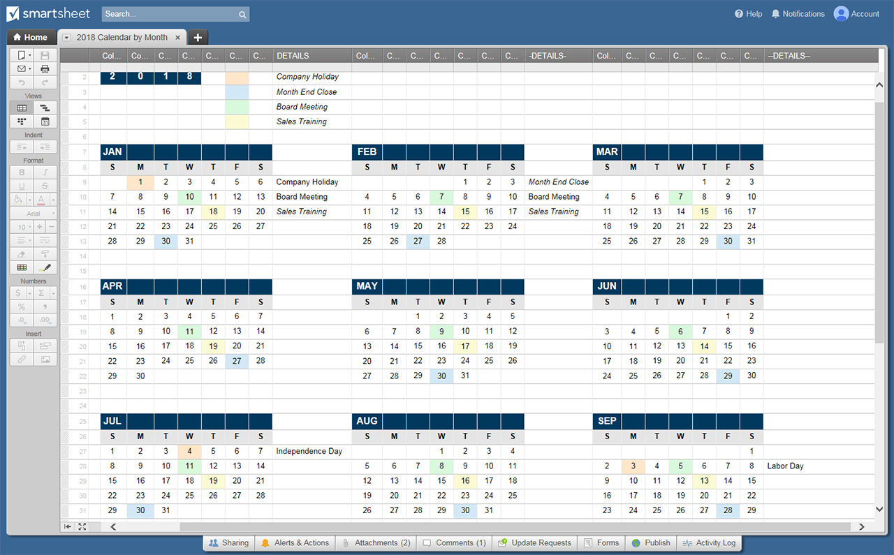
6-WEEK CALENDAR TEMPLATE
WEEK BEGINNING: |  | 2020-06-07 |  |  |  | WK1 OF 6

 | SUN | MON | TUES | WED | THURS | FRI | SAT
MORNING

AFTERNOON

EVENING

WEEK BEGINNING: |  | 2020-06-14 |  |  |  | WK2 OF 6

 | SUN | MON | TUES | WED | THURS | FRI | SAT
MORNING

AFTERNOON

EVENING

CREATE YOUR 6-WEEK CALENDAR TEMPLATES IN SMARTSHEET

