24-Hour Activity Log Template
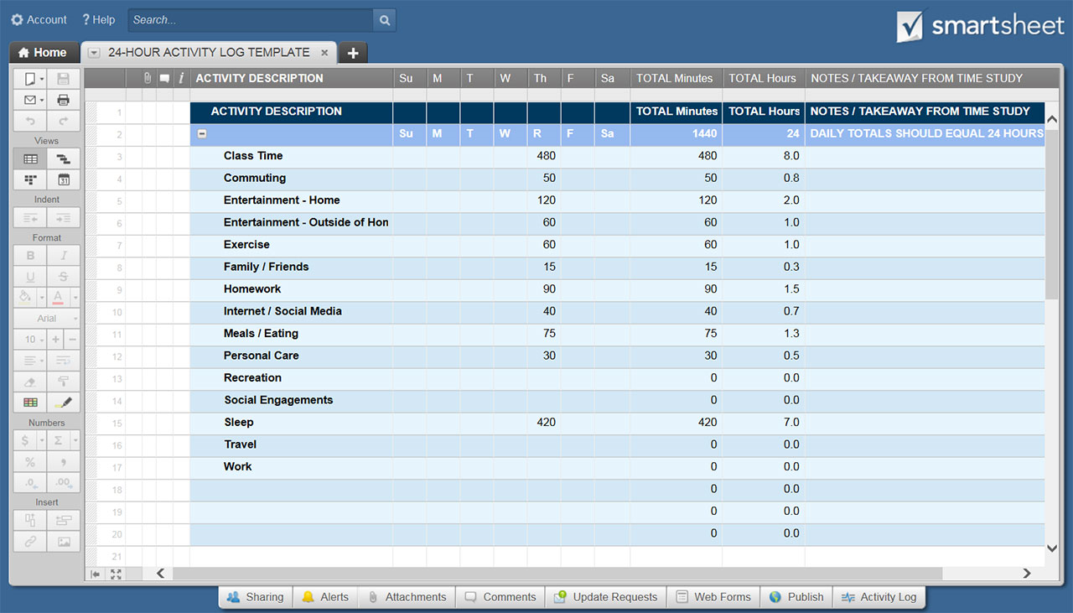
24-HOUR ACTIVITY LOG TEMPLATE

ACTIVITY DESCRIPTION | TIME IN MINUTES |  |  |  |  |  |  | WEEKLY TOTALS IN MINS | WEEKLY TOTALS IN HRS | NOTES / TAKEAWAY FROM TIME STUDY
 | Su | M | T | W | R | F | Sa
Class Time |  |  |  |  | 480 |  |  | 480 | 8
Commuting |  |  |  |  | 50 |  |  | 50 | 1
Entertainment - Home |  |  |  |  | 120 |  |  | 120 | 2
Entertainment - Outside of Home |  |  |  |  | 60 |  |  | 60 | 1
Exercise |  |  |  |  | 60 |  |  | 60 | 1
Family / Friends |  |  |  |  | 15 |  |  | 15 | 0
Homework |  |  |  |  | 90 |  |  | 90 | 2
Internet / Social Media |  |  |  |  | 40 |  |  | 40 | 1
Meals / Eating |  |  |  |  | 75 |  |  | 75 | 1
Personal Care |  |  |  |  | 30 |  |  | 30 | 1
Recreation |  |  |  |  |  |  |  | 0 | 0
Social Engagements |  |  |  |  |  |  |  | 0 | 0
Sleep |  |  |  |  | 420 |  |  | 420 | 7
Travel |  |  |  |  |  |  |  | 0 | 0
Work |  |  |  |  |  |  |  | 0 | 0
 |  |  |  |  |  |  |  | 0 | 0
 |  |  |  |  |  |  |  | 0 | 0
 |  |  |  |  |  |  |  | 0 | 0
 |  |  |  |  |  |  |  | 0 | 0
 |  |  |  |  |  |  |  | 0 | 0
 |  |  |  |  |  |  |  | 0 | 0
 |  |  |  |  |  |  |  | 0 | 0
 |  |  |  |  |  |  |  | 0 | 0
 |  |  |  |  |  |  |  | 0 | 0
 |  |  |  |  |  |  |  | 0 | 0
 |  |  |  |  |  |  |  | 0 | 0
GRAND TOTALS | 0 | 0 | 0 | 0 | 1440 | 0 | 0 | 1440 | 24 | DAILY TOTALS SHOULD EQUAL 24 HOURS | 1440 MINUTES

CLICK HERE TO CREATE 24-HOUR ACTIVITY LOG TEMPLATES IN SMARTSHEET

