Weekly
Employee Timesheet Template

 |  |  |  |  | Employee:
 |  |  |  |  | Week of: | 2015-08-30

Day of the Week | Start | Finish | Regulars Hours | Overtime | Sick | Vacation | Holiday | Other | Total Hours
2015-08-30 | 8:00:00 | 17:00:00 | 9 | 2 |  |  |  |  | 11
2015-08-31 |  |  | 0 |  |  |  |  |  | 0
2015-09-01 |  |  | 0 |  |  |  |  |  | 0
2015-09-02 |  |  | 0 |  |  |  |  |  | 0
2015-09-02 |  |  | 0 |  |  |  |  |  | 0
2015-09-03 |  |  | 0 |  |  |  |  |  | 0
2015-09-04 |  |  | 0 |  |  |  |  |  | 0
Total Hours |  |  | 9 | 2 | 0 | 0 | 0 | 0 | 11
Rate/HR |  |  | $15 | $25
Total Pay: |  |  | $135 | $50 | $0 | $0 | $0 | $0 | $185.00

Or, Click Here to Create a Timesheet in Smartsheet

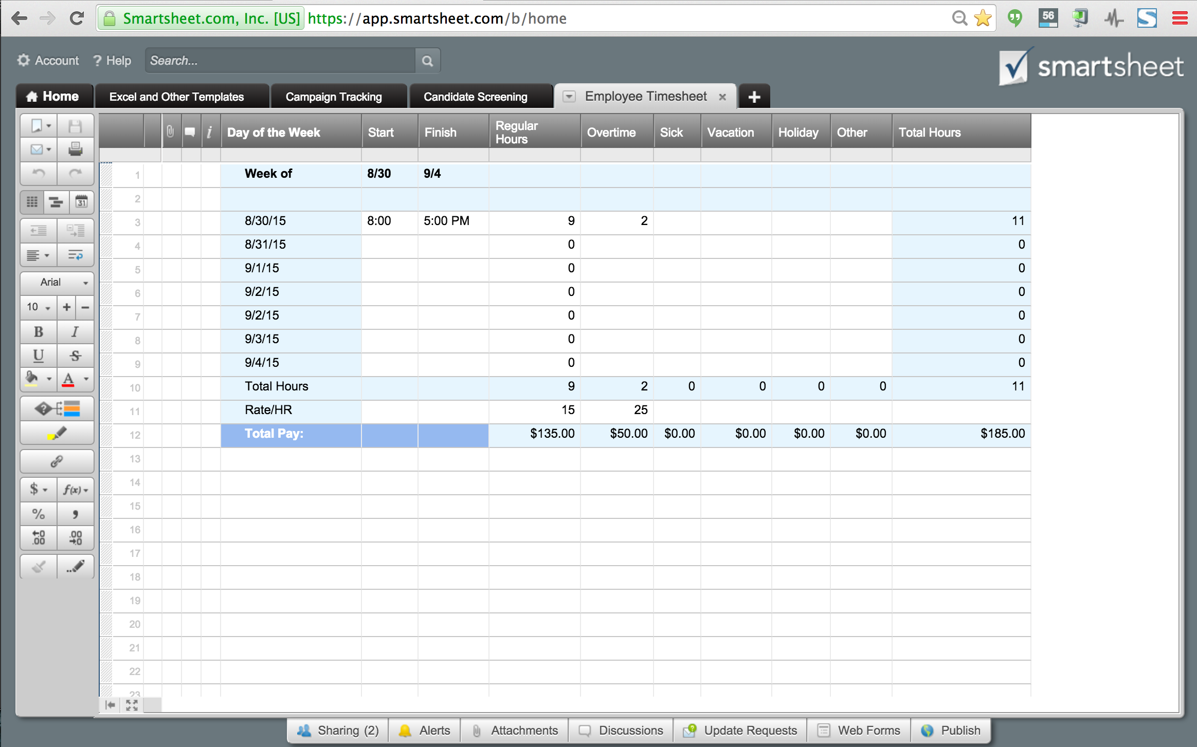

 |  |  |  |  |  |  |  |  |  | Or, Click Here to Create Gantt Chart Template in Smartsheet

