Monthly Shift Rotation
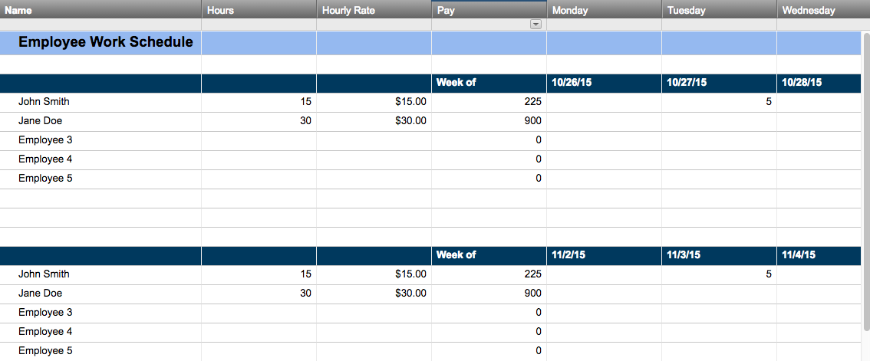
MONTHLY SHIFT ROTATION
YEAR | MONTH | KEY
2016 | SEPTEMBER | W | WORK |  |  | R | PARTIAL |  |  | A | ABSENCE |  |  | H | HOLIDAY |  |  | O | OFF |  |  | P | PTO |  |  | S | SICK |  |  | V | VACATION

ID NO. | EMPLOYEE NAME | 1 | 2 | 3 | 4 | 5 | 6 | 7 | 8 | 9 | 10 | 11 | 12 | 13 | 14 | 15 | 16 | 17 | 18 | 19 | 20 | 21 | 22 | 23 | 24 | 25 | 26 | 27 | 28 | 29 | 30 | 31
11111 | Kevin K. | W | O | O | H | V | W | W | W | O | O | R | W | W | W | W | O | O | P | W | W | W | W | O | O | W | W | W | W | W | O | -
22222 | Nancy R. | R | O | O | H | W | W | W | W | O | O | W | W | P | W | W | O | O | W | W | W | W | W | O | O | W | W | W | W | W | O | -
33333 | Brenda S. | R | O | O | H | W | W | W | W | O | O | W | S | W | W | W | O | O | W | W | W | W | W | O | O | V | V | V | R | A | O | -
44444 | Leon A. | W | O | O | H | W | W | W | W | O | O | W | W | W | W | W | O | O | W | W | W | W | W | O | O | S | W | W | W | W | O | -

Create a Work Schedule in Smartsheet

